WY
Distribution of Chronic Absence Levels Across Schools in Wyoming
Wyoming

Chronic Absence Level Concentrations in Wyoming Schools | Number of Schools | Percent
Extreme Chronic Absence (30%+) | 42 | 12%
High Chronic Absence (20-29.9%) | 43 | 12%
Significant Chronic Absence (10-19.9%) | 103 | 29%
Modest Chronic Absence (5-9.9%) | 50 | 14%
Low Chronic Absence (0-4.9%) | 121 | 34%
Grand Total (n) | 359

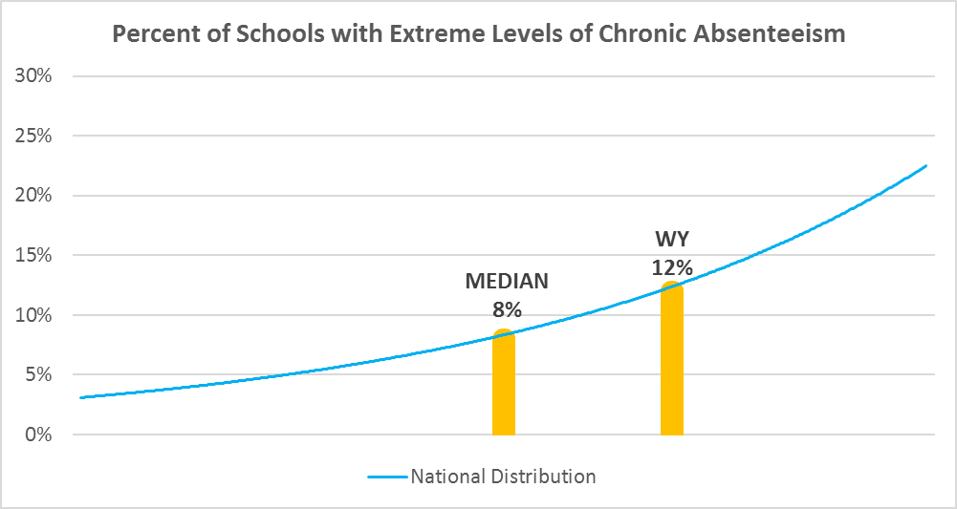

Chronic Absence Levels for Wyoming Schools Vary by Grades Served

Chronic Absence Concentration and Grade Level | Elementary | Middle | High | Other | Total
Extreme Chronic Absence (30%+) | 8 | 6 | 28 | 0 | 42
High Chronic Absence (20-29.9%) | 14 | 13 | 15 | 1 | 43
Significant Chronic Absence (10-19.9%) | 62 | 25 | 14 | 2 | 103
Modest Chronic Absence (5-9.9%) | 32 | 10 | 6 | 2 | 50
Low Chronic Absence (0-4.9%) | 80 | 16 | 16 | 9 | 121
Grand Total (n) | 196 | 70 | 79 | 14 | 359
 | Elementary | Middle | High | Other
Extreme Chronic Absence (30%+) | 4% | 9% | 35% | 0%
High Chronic Absence (20-29.9%) | 7% | 19% | 19% | 7%
Significant Chronic Absence (10-19.9%) | 32% | 36% | 18% | 14%
Modest Chronic Absence (5-9.9%) | 16% | 14% | 8% | 14%
Low Chronic Absence (0-4.9%) | 41% | 23% | 20% | 64%

Chronic Absence Levels for Wyoming Schools Vary by School Type
Chronic Absence Concentration and School Type | Regular | Special Ed. | Vocational | Alternative | Total
Extreme Chronic Absence (30%+) | 31 | 0 | 0 | 11 | 42
High Chronic Absence (20-29.9%) | 41 | 0 | 0 | 2 | 43
Significant Chronic Absence (10-19.9%) | 102 | 0 | 0 | 1 | 103
Modest Chronic Absence (5-9.9%) | 50 | 0 | 0 | 0 | 50
Low Chronic Absence (0-4.9%) | 112 | 3 | 0 | 6 | 121
Grand Total (n) | 336 | 3 | 0 | 20 | 359
 | Regular | Special Ed. | Vocational | Alternative
Extreme Chronic Absence (30%+) | 9% | 0% | #DIV/0! | 55%
High Chronic Absence (20-29.9%) | 12% | 0% | #DIV/0! | 10%
Significant Chronic Absence (10-19.9%) | 30% | 0% | #DIV/0! | 5%
Modest Chronic Absence (5-9.9%) | 15% | 0% | #DIV/0! | 0%
Low Chronic Absence (0-4.9%) | 33% | 100% | #DIV/0! | 30%

Wyoming Schools Serving More Students in Poverty Have Higher Chronic Absence Levels
Chronic Absence Concentration and Poverty Level | >=75% | 50-74% | 25-49% | 0-24% | Total
Extreme Chronic Absence (30%+) | 6 | 13 | 14 | 9 | 42
High Chronic Absence (20-29.9%) | 1 | 6 | 27 | 8 | 42
Significant Chronic Absence (10-19.9%) | 4 | 17 | 71 | 11 | 103
Modest Chronic Absence (5-9.9%) | 0 | 7 | 35 | 8 | 50
Low Chronic Absence (0-4.9%) | 2 | 20 | 59 | 33 | 114
Grand Total (n) | 13 | 63 | 206 | 69 | 351
 | >=75% | 50-74% | 25-49% | 0-24%
Extreme Chronic Absence (30%+) | 46% | 21% | 7% | 13%
High Chronic Absence (20-29.9%) | 8% | 10% | 13% | 12%
Significant Chronic Absence (10-19.9%) | 31% | 27% | 34% | 16%
Modest Chronic Absence (5-9.9%) | 0% | 11% | 17% | 12%
Low Chronic Absence (0-4.9%) | 15% | 32% | 29% | 48%

Distribution of Chronic Absence Levels for Wyoming Schools Across Different Locales
Chronic Absence Concentration and Locale | City | Suburb | Town | Rural | Total
Extreme Chronic Absence (30%+) | 4 | 0 | 15 | 23 | 42
High Chronic Absence (20-29.9%) | 2 | 0 | 15 | 26 | 43
Significant Chronic Absence (10-19.9%) | 15 | 2 | 40 | 46 | 103
Modest Chronic Absence (5-9.9%) | 9 | 1 | 16 | 24 | 50
Low Chronic Absence (0-4.9%) | 22 | 3 | 31 | 65 | 121
Grand Total (n) | 52 | 6 | 117 | 184 | 359
 | City | Suburb | Town | Rural
Extreme Chronic Absence (30%+) | 8% | 0% | 13% | 13%
High Chronic Absence (20-29.9%) | 4% | 0% | 13% | 14%
Significant Chronic Absence (10-19.9%) | 29% | 33% | 34% | 25%
Modest Chronic Absence (5-9.9%) | 17% | 17% | 14% | 13%
Low Chronic Absence (0-4.9%) | 42% | 50% | 26% | 35%

