WI
Distribution of Chronic Absence Levels Across Schools in Wisconsin
Wisconsin

Chronic Absence Level Concentrations in Wisconsin Schools | Number of Schools | Percent
Extreme Chronic Absence (30%+) | 281 | 13%
High Chronic Absence (20-29.9%) | 224 | 11%
Significant Chronic Absence (10-19.9%) | 612 | 29%
Modest Chronic Absence (5-9.9%) | 478 | 22%
Low Chronic Absence (0-4.9%) | 534 | 25%
Grand Total (n) | 2,129

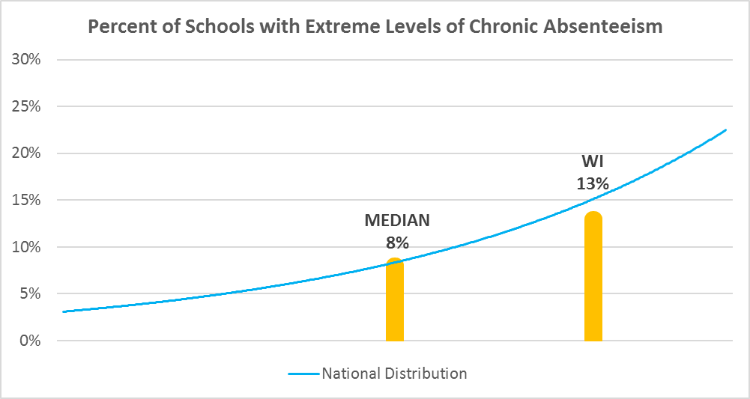

Chronic Absence Levels for Wisconsin Schools Vary by Grades Served

Chronic Absence Concentration and Grade Level | Elementary | Middle | High | Other | Total
Extreme Chronic Absence (30%+) | 94 | 35 | 122 | 30 | 281
High Chronic Absence (20-29.9%) | 90 | 44 | 81 | 9 | 224
Significant Chronic Absence (10-19.9%) | 331 | 146 | 118 | 17 | 612
Modest Chronic Absence (5-9.9%) | 339 | 76 | 53 | 10 | 478
Low Chronic Absence (0-4.9%) | 300 | 93 | 100 | 41 | 534
Grand Total (n) | 1154 | 394 | 474 | 107 | 2129
 | Elementary | Middle | High | Other
Extreme Chronic Absence (30%+) | 8% | 9% | 26% | 28%
High Chronic Absence (20-29.9%) | 8% | 11% | 17% | 8%
Significant Chronic Absence (10-19.9%) | 29% | 37% | 25% | 16%
Modest Chronic Absence (5-9.9%) | 29% | 19% | 11% | 9%
Low Chronic Absence (0-4.9%) | 26% | 24% | 21% | 38%

Chronic Absence Levels for Wisconsin Schools Vary by School Type
Chronic Absence Concentration and School Type | Regular | Special Ed. | Vocational | Alternative | Total
Extreme Chronic Absence (30%+) | 246 | 1 | 1 | 33 | 281
High Chronic Absence (20-29.9%) | 220 | 1 | 0 | 3 | 224
Significant Chronic Absence (10-19.9%) | 609 | 1 | 1 | 1 | 612
Modest Chronic Absence (5-9.9%) | 478 | 0 | 0 | 0 | 478
Low Chronic Absence (0-4.9%) | 505 | 0 | 2 | 27 | 534
Grand Total (n) | 2058 | 3 | 4 | 64 | 2129
 | Regular | Special Ed. | Vocational | Alternative
Extreme Chronic Absence (30%+) | 12% | 33% | 25% | 52%
High Chronic Absence (20-29.9%) | 11% | 33% | 0% | 5%
Significant Chronic Absence (10-19.9%) | 30% | 33% | 25% | 2%
Modest Chronic Absence (5-9.9%) | 23% | 0% | 0% | 0%
Low Chronic Absence (0-4.9%) | 25% | 0% | 50% | 42%

Wisconsin Schools Serving More Students in Poverty Have Higher Chronic Absence Levels
Chronic Absence Concentration and Poverty Level | >=75% | 50-74% | 25-49% | 0-24% | Total
Extreme Chronic Absence (30%+) | 126 | 60 | 69 | 25 | 280
High Chronic Absence (20-29.9%) | 46 | 70 | 93 | 15 | 224
Significant Chronic Absence (10-19.9%) | 46 | 171 | 294 | 101 | 612
Modest Chronic Absence (5-9.9%) | 8 | 85 | 235 | 150 | 478
Low Chronic Absence (0-4.9%) | 9 | 107 | 257 | 155 | 528
Grand Total (n) | 235 | 493 | 948 | 446 | 2122
 | >=75% | 50-74% | 25-49% | 0-24%
Extreme Chronic Absence (30%+) | 54% | 12% | 7% | 6%
High Chronic Absence (20-29.9%) | 20% | 14% | 10% | 3%
Significant Chronic Absence (10-19.9%) | 20% | 35% | 31% | 23%
Modest Chronic Absence (5-9.9%) | 3% | 17% | 25% | 34%
Low Chronic Absence (0-4.9%) | 4% | 22% | 27% | 35%

Distribution of Chronic Absence Levels for Wisconsin Schools Across Different Locales
Chronic Absence Concentration and Locale | City | Suburb | Town | Rural | Total
Extreme Chronic Absence (30%+) | 154 | 21 | 35 | 71 | 281
High Chronic Absence (20-29.9%) | 90 | 32 | 34 | 68 | 224
Significant Chronic Absence (10-19.9%) | 161 | 130 | 130 | 191 | 612
Modest Chronic Absence (5-9.9%) | 71 | 139 | 95 | 173 | 478
Low Chronic Absence (0-4.9%) | 51 | 106 | 109 | 268 | 534
Grand Total (n) | 527 | 428 | 403 | 771 | 2129
 | City | Suburb | Town | Rural
Extreme Chronic Absence (30%+) | 29% | 5% | 9% | 9%
High Chronic Absence (20-29.9%) | 17% | 7% | 8% | 9%
Significant Chronic Absence (10-19.9%) | 31% | 30% | 32% | 25%
Modest Chronic Absence (5-9.9%) | 13% | 32% | 24% | 22%
Low Chronic Absence (0-4.9%) | 10% | 25% | 27% | 35%

