VT
Distribution of Chronic Absence Levels Across Schools in Vermont
Vermont

Chronic Absence Level Concentrations in Vermont Schools | Number of Schools | Percent
Extreme Chronic Absence (30%+) | 7 | 2%
High Chronic Absence (20-29.9%) | 29 | 10%
Significant Chronic Absence (10-19.9%) | 109 | 37%
Modest Chronic Absence (5-9.9%) | 62 | 21%
Low Chronic Absence (0-4.9%) | 90 | 30%
Grand Total (n) | 297

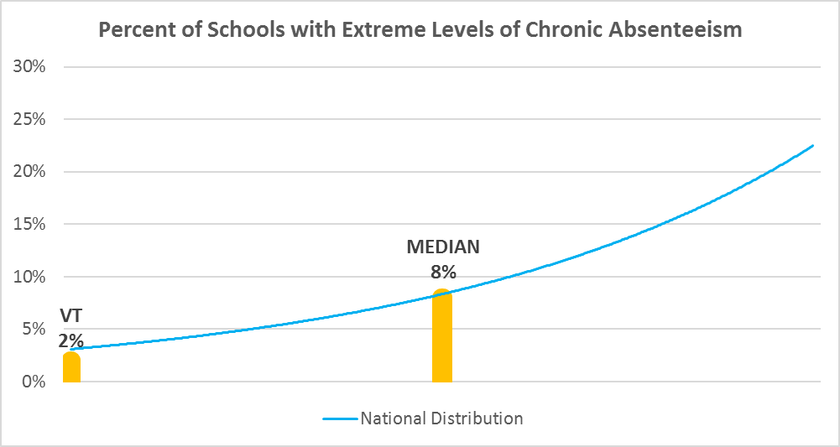

Chronic Absence Levels for Vermont Schools Vary by Grades Served

Chronic Absence Concentration and Grade Level | Elementary | Middle | High | Other | Total
Extreme Chronic Absence (30%+) | 4 | 1 | 2 | 0 | 7
High Chronic Absence (20-29.9%) | 12 | 1 | 13 | 3 | 29
Significant Chronic Absence (10-19.9%) | 78 | 10 | 18 | 3 | 109
Modest Chronic Absence (5-9.9%) | 46 | 6 | 6 | 4 | 62
Low Chronic Absence (0-4.9%) | 70 | 7 | 7 | 6 | 90
Grand Total (n) | 210 | 25 | 46 | 16 | 297
 | Elementary | Middle | High | Other
Extreme Chronic Absence (30%+) | 2% | 4% | 4% | 0%
High Chronic Absence (20-29.9%) | 6% | 4% | 28% | 19%
Significant Chronic Absence (10-19.9%) | 37% | 40% | 39% | 19%
Modest Chronic Absence (5-9.9%) | 22% | 24% | 13% | 25%
Low Chronic Absence (0-4.9%) | 33% | 28% | 15% | 38%

Chronic Absence Levels for Vermont Schools Vary by School Type
Chronic Absence Concentration and School Type | Regular | Special Ed. | Vocational | Alternative | Total
Extreme Chronic Absence (30%+) | 7 | 0 | 0 | 0 | 7
High Chronic Absence (20-29.9%) | 29 | 0 | 0 | 0 | 29
Significant Chronic Absence (10-19.9%) | 109 | 0 | 0 | 0 | 109
Modest Chronic Absence (5-9.9%) | 62 | 0 | 0 | 0 | 62
Low Chronic Absence (0-4.9%) | 89 | 0 | 0 | 1 | 90
Grand Total (n) | 296 | 0 | 0 | 1 | 297
 | Regular | Special Ed. | Vocational | Alternative
Extreme Chronic Absence (30%+) | 2% | #DIV/0! | #DIV/0! | 0%
High Chronic Absence (20-29.9%) | 10% | #DIV/0! | #DIV/0! | 0%
Significant Chronic Absence (10-19.9%) | 37% | #DIV/0! | #DIV/0! | 0%
Modest Chronic Absence (5-9.9%) | 21% | #DIV/0! | #DIV/0! | 0%
Low Chronic Absence (0-4.9%) | 30% | #DIV/0! | #DIV/0! | 100%

Vermont Schools Serving More Students in Poverty Have Higher Chronic Absence Levels
Chronic Absence Concentration and Poverty Level | >=75% | 50-74% | 25-49% | 0-24% | Total
Extreme Chronic Absence (30%+) | 0 | 2 | 4 | 1 | 7
High Chronic Absence (20-29.9%) | 3 | 10 | 16 | 0 | 29
Significant Chronic Absence (10-19.9%) | 4 | 41 | 51 | 13 | 109
Modest Chronic Absence (5-9.9%) | 0 | 14 | 32 | 16 | 62
Low Chronic Absence (0-4.9%) | 1 | 25 | 45 | 18 | 89
Grand Total (n) | 8 | 92 | 148 | 48 | 296
 | >=75% | 50-74% | 25-49% | 0-24%
Extreme Chronic Absence (30%+) | 0% | 2% | 3% | 2%
High Chronic Absence (20-29.9%) | 38% | 11% | 11% | 0%
Significant Chronic Absence (10-19.9%) | 50% | 45% | 34% | 27%
Modest Chronic Absence (5-9.9%) | 0% | 15% | 22% | 33%
Low Chronic Absence (0-4.9%) | 13% | 27% | 30% | 38%

Distribution of Chronic Absence Levels for Vermont Schools Across Different Locales
Chronic Absence Concentration and Locale | City | Suburb | Town | Rural | Total
Extreme Chronic Absence (30%+) | 0 | 0 | 1 | 6 | 7
High Chronic Absence (20-29.9%) | 0 | 1 | 9 | 19 | 29
Significant Chronic Absence (10-19.9%) | 9 | 3 | 27 | 70 | 109
Modest Chronic Absence (5-9.9%) | 3 | 4 | 11 | 44 | 62
Low Chronic Absence (0-4.9%) | 2 | 10 | 4 | 74 | 90
Grand Total (n) | 14 | 18 | 52 | 213 | 297
 | City | Suburb | Town | Rural
Extreme Chronic Absence (30%+) | 0% | 0% | 2% | 3%
High Chronic Absence (20-29.9%) | 0% | 6% | 17% | 9%
Significant Chronic Absence (10-19.9%) | 64% | 17% | 52% | 33%
Modest Chronic Absence (5-9.9%) | 21% | 22% | 21% | 21%
Low Chronic Absence (0-4.9%) | 14% | 56% | 8% | 35%

