TX
Distribution of Chronic Absence Levels Across Schools in Texas
Texas

Chronic Absence Level Concentrations in Texas Schools | Number of Schools | Percent
Extreme Chronic Absence (30%+) | 710 | 8%
High Chronic Absence (20-29.9%) | 482 | 6%
Significant Chronic Absence (10-19.9%) | 1,941 | 23%
Modest Chronic Absence (5-9.9%) | 2,523 | 30%
Low Chronic Absence (0-4.9%) | 2,700 | 32%
Grand Total (n) | 8,356

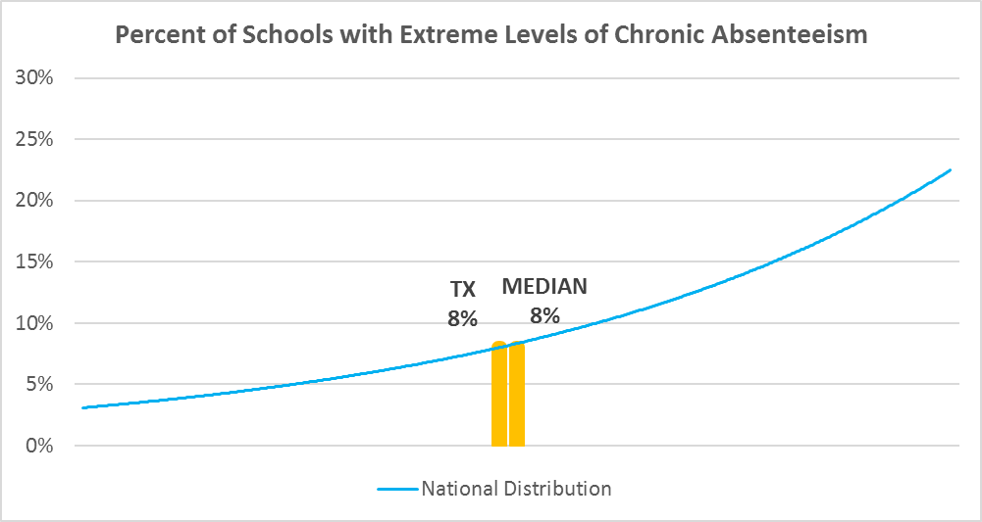

Chronic Absence Levels for Texas Schools Vary by Grades Served

Chronic Absence Concentration and Grade Level | Elementary | Middle | High | Other | Total
Extreme Chronic Absence (30%+) | 32 | 107 | 426 | 145 | 710
High Chronic Absence (20-29.9%) | 95 | 121 | 225 | 41 | 482
Significant Chronic Absence (10-19.9%) | 930 | 518 | 390 | 103 | 1941
Modest Chronic Absence (5-9.9%) | 1739 | 515 | 177 | 92 | 2523
Low Chronic Absence (0-4.9%) | 1575 | 504 | 330 | 291 | 2700
Grand Total (n) | 4371 | 1765 | 1548 | 672 | 8356
 | Elementary | Middle | High | Other
Extreme Chronic Absence (30%+) | 1% | 6% | 28% | 22%
High Chronic Absence (20-29.9%) | 2% | 7% | 15% | 6%
Significant Chronic Absence (10-19.9%) | 21% | 29% | 25% | 15%
Modest Chronic Absence (5-9.9%) | 40% | 29% | 11% | 14%
Low Chronic Absence (0-4.9%) | 36% | 29% | 21% | 43%

Chronic Absence Levels for Texas Schools Vary by School Type
Chronic Absence Concentration and School Type | Regular | Special Ed. | Vocational | Alternative | Total
Extreme Chronic Absence (30%+) | 334 | 9 | 0 | 367 | 710
High Chronic Absence (20-29.9%) | 431 | 1 | 0 | 50 | 482
Significant Chronic Absence (10-19.9%) | 1900 | 3 | 0 | 38 | 1941
Modest Chronic Absence (5-9.9%) | 2496 | 0 | 0 | 27 | 2523
Low Chronic Absence (0-4.9%) | 2430 | 1 | 0 | 269 | 2700
Grand Total (n) | 7591 | 14 | 0 | 751 | 8356
 | Regular | Special Ed. | Vocational | Alternative
Extreme Chronic Absence (30%+) | 4% | 64% | #DIV/0! | 49%
High Chronic Absence (20-29.9%) | 6% | 7% | #DIV/0! | 7%
Significant Chronic Absence (10-19.9%) | 25% | 21% | #DIV/0! | 5%
Modest Chronic Absence (5-9.9%) | 33% | 0% | #DIV/0! | 4%
Low Chronic Absence (0-4.9%) | 32% | 7% | #DIV/0! | 36%

Texas Schools Serving More Students in Poverty Have Higher Chronic Absence Levels
Chronic Absence Concentration and Poverty Level | >=75% | 50-74% | 25-49% | 0-24% | Total
Extreme Chronic Absence (30%+) | 195 | 279 | 150 | 79 | 703
High Chronic Absence (20-29.9%) | 190 | 169 | 100 | 22 | 481
Significant Chronic Absence (10-19.9%) | 816 | 670 | 358 | 93 | 1937
Modest Chronic Absence (5-9.9%) | 958 | 745 | 588 | 231 | 2522
Low Chronic Absence (0-4.9%) | 929 | 683 | 461 | 609 | 2682
Grand Total (n) | 3088 | 2546 | 1657 | 1034 | 8325
 | >=75% | 50-74% | 25-49% | 0-24%
Extreme Chronic Absence (30%+) | 6% | 11% | 9% | 8%
High Chronic Absence (20-29.9%) | 6% | 7% | 6% | 2%
Significant Chronic Absence (10-19.9%) | 26% | 26% | 22% | 9%
Modest Chronic Absence (5-9.9%) | 31% | 29% | 35% | 22%
Low Chronic Absence (0-4.9%) | 30% | 27% | 28% | 59%

Distribution of Chronic Absence Levels for Texas Schools Across Different Locales
Chronic Absence Concentration and Locale | City | Suburb | Town | Rural | Total
Extreme Chronic Absence (30%+) | 248 | 181 | 132 | 149 | 710
High Chronic Absence (20-29.9%) | 170 | 83 | 101 | 128 | 482
Significant Chronic Absence (10-19.9%) | 737 | 412 | 297 | 495 | 1941
Modest Chronic Absence (5-9.9%) | 960 | 782 | 263 | 518 | 2523
Low Chronic Absence (0-4.9%) | 1030 | 636 | 298 | 736 | 2700
Grand Total (n) | 3145 | 2094 | 1091 | 2026 | 8356
 | City | Suburb | Town | Rural
Extreme Chronic Absence (30%+) | 8% | 9% | 12% | 7%
High Chronic Absence (20-29.9%) | 5% | 4% | 9% | 6%
Significant Chronic Absence (10-19.9%) | 23% | 20% | 27% | 24%
Modest Chronic Absence (5-9.9%) | 31% | 37% | 24% | 26%
Low Chronic Absence (0-4.9%) | 33% | 30% | 27% | 36%

