SD
Distribution of Chronic Absence Levels Across Schools in South Dakota
South Dakota

Chronic Absence Level Concentrations in South Dakota Schools | Number of Schools | Percent
Extreme Chronic Absence (30%+) | 42 | 6%
High Chronic Absence (20-29.9%) | 33 | 5%
Significant Chronic Absence (10-19.9%) | 110 | 16%
Modest Chronic Absence (5-9.9%) | 101 | 15%
Low Chronic Absence (0-4.9%) | 384 | 57%
Grand Total (n) | 670

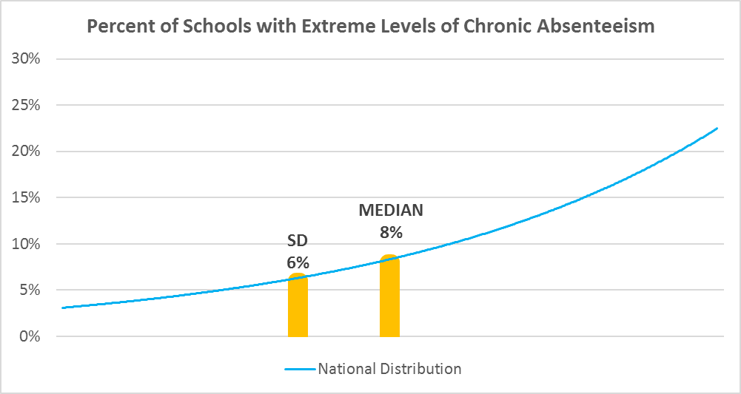

Chronic Absence Levels for South Dakota Schools Vary by Grades Served

Chronic Absence Concentration and Grade Level | Elementary | Middle | High | Other | Total
Extreme Chronic Absence (30%+) | 14 | 8 | 14 | 6 | 42
High Chronic Absence (20-29.9%) | 13 | 4 | 15 | 1 | 33
Significant Chronic Absence (10-19.9%) | 46 | 29 | 35 | 0 | 110
Modest Chronic Absence (5-9.9%) | 49 | 36 | 16 | 0 | 101
Low Chronic Absence (0-4.9%) | 200 | 85 | 89 | 10 | 384
Grand Total (n) | 322 | 162 | 169 | 17 | 670
 | Elementary | Middle | High | Other
Extreme Chronic Absence (30%+) | 4% | 5% | 8% | 35%
High Chronic Absence (20-29.9%) | 4% | 2% | 9% | 6%
Significant Chronic Absence (10-19.9%) | 14% | 18% | 21% | 0%
Modest Chronic Absence (5-9.9%) | 15% | 22% | 9% | 0%
Low Chronic Absence (0-4.9%) | 62% | 52% | 53% | 59%

Chronic Absence Levels for South Dakota Schools Vary by School Type
Chronic Absence Concentration and School Type | Regular | Special Ed. | Vocational | Alternative | Total
Extreme Chronic Absence (30%+) | 32 | 3 | 0 | 7 | 42
High Chronic Absence (20-29.9%) | 31 | 2 | 0 | 0 | 33
Significant Chronic Absence (10-19.9%) | 110 | 0 | 0 | 0 | 110
Modest Chronic Absence (5-9.9%) | 101 | 0 | 0 | 0 | 101
Low Chronic Absence (0-4.9%) | 363 | 2 | 1 | 18 | 384
Grand Total (n) | 637 | 7 | 1 | 25 | 670
 | Regular | Special Ed. | Vocational | Alternative
Extreme Chronic Absence (30%+) | 5% | 43% | 0% | 28%
High Chronic Absence (20-29.9%) | 5% | 29% | 0% | 0%
Significant Chronic Absence (10-19.9%) | 17% | 0% | 0% | 0%
Modest Chronic Absence (5-9.9%) | 16% | 0% | 0% | 0%
Low Chronic Absence (0-4.9%) | 57% | 29% | 100% | 72%

South Dakota Schools Serving More Students in Poverty Have Higher Chronic Absence Levels
Chronic Absence Concentration and Poverty Level | >=75% | 50-74% | 25-49% | 0-24% | Total
Extreme Chronic Absence (30%+) | 23 | 7 | 6 | 6 | 42
High Chronic Absence (20-29.9%) | 7 | 8 | 11 | 7 | 33
Significant Chronic Absence (10-19.9%) | 21 | 22 | 47 | 20 | 110
Modest Chronic Absence (5-9.9%) | 6 | 17 | 44 | 34 | 101
Low Chronic Absence (0-4.9%) | 33 | 34 | 189 | 124 | 380
Grand Total (n) | 90 | 88 | 297 | 191 | 666
 | >=75% | 50-74% | 25-49% | 0-24%
Extreme Chronic Absence (30%+) | 26% | 8% | 2% | 3%
High Chronic Absence (20-29.9%) | 8% | 9% | 4% | 4%
Significant Chronic Absence (10-19.9%) | 23% | 25% | 16% | 10%
Modest Chronic Absence (5-9.9%) | 7% | 19% | 15% | 18%
Low Chronic Absence (0-4.9%) | 37% | 39% | 64% | 65%

Distribution of Chronic Absence Levels for South Dakota Schools Across Different Locales
Chronic Absence Concentration and Locale | City | Suburb | Town | Rural | Total
Extreme Chronic Absence (30%+) | 13 | 0 | 2 | 27 | 42
High Chronic Absence (20-29.9%) | 9 | 0 | 3 | 21 | 33
Significant Chronic Absence (10-19.9%) | 24 | 3 | 23 | 60 | 110
Modest Chronic Absence (5-9.9%) | 12 | 3 | 29 | 57 | 101
Low Chronic Absence (0-4.9%) | 11 | 0 | 43 | 330 | 384
Grand Total (n) | 69 | 6 | 100 | 495 | 670
 | City | Suburb | Town | Rural
Extreme Chronic Absence (30%+) | 19% | 0% | 2% | 5%
High Chronic Absence (20-29.9%) | 13% | 0% | 3% | 4%
Significant Chronic Absence (10-19.9%) | 35% | 50% | 23% | 12%
Modest Chronic Absence (5-9.9%) | 17% | 50% | 29% | 12%
Low Chronic Absence (0-4.9%) | 16% | 0% | 43% | 67%

