SC
Distribution of Chronic Absence Levels Across Schools in South Carolina
South Carolina

Chronic Absence Level Concentrations in South Carolina Schools | Number of Schools | Percent
Extreme Chronic Absence (30%+) | 31 | 3%
High Chronic Absence (20-29.9%) | 50 | 4%
Significant Chronic Absence (10-19.9%) | 293 | 25%
Modest Chronic Absence (5-9.9%) | 314 | 27%
Low Chronic Absence (0-4.9%) | 493 | 42%
Grand Total (n) | 1,181

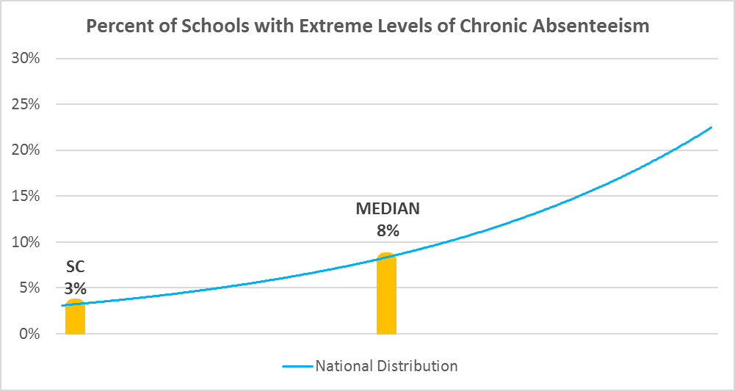

Chronic Absence Levels for South Carolina Schools Vary by Grades Served

Chronic Absence Concentration and Grade Level | Elementary | Middle | High | Other | Total
Extreme Chronic Absence (30%+) | 9 | 4 | 15 | 3 | 31
High Chronic Absence (20-29.9%) | 21 | 10 | 17 | 2 | 50
Significant Chronic Absence (10-19.9%) | 141 | 69 | 75 | 8 | 293
Modest Chronic Absence (5-9.9%) | 212 | 62 | 33 | 7 | 314
Low Chronic Absence (0-4.9%) | 289 | 105 | 85 | 14 | 493
Grand Total (n) | 672 | 250 | 225 | 34 | 1181
 | Elementary | Middle | High | Other
Extreme Chronic Absence (30%+) | 1% | 2% | 7% | 9%
High Chronic Absence (20-29.9%) | 3% | 4% | 8% | 6%
Significant Chronic Absence (10-19.9%) | 21% | 28% | 33% | 24%
Modest Chronic Absence (5-9.9%) | 32% | 25% | 15% | 21%
Low Chronic Absence (0-4.9%) | 43% | 42% | 38% | 41%

Chronic Absence Levels for South Carolina Schools Vary by School Type
Chronic Absence Concentration and School Type | Regular | Special Ed. | Vocational | Alternative | Total
Extreme Chronic Absence (30%+) | 25 | 3 | 3 | 0 | 31
High Chronic Absence (20-29.9%) | 46 | 3 | 1 | 0 | 50
Significant Chronic Absence (10-19.9%) | 292 | 0 | 1 | 0 | 293
Modest Chronic Absence (5-9.9%) | 313 | 1 | 0 | 0 | 314
Low Chronic Absence (0-4.9%) | 480 | 1 | 2 | 10 | 493
Grand Total (n) | 1156 | 8 | 7 | 10 | 1181
 | Regular | Special Ed. | Vocational | Alternative
Extreme Chronic Absence (30%+) | 2% | 38% | 43% | 0%
High Chronic Absence (20-29.9%) | 4% | 38% | 14% | 0%
Significant Chronic Absence (10-19.9%) | 25% | 0% | 14% | 0%
Modest Chronic Absence (5-9.9%) | 27% | 13% | 0% | 0%
Low Chronic Absence (0-4.9%) | 42% | 13% | 29% | 100%

South Carolina Schools Serving More Students in Poverty Have Higher Chronic Absence Levels
Chronic Absence Concentration and Poverty Level | >=75% | 50-74% | 25-49% | 0-24% | Total
Extreme Chronic Absence (30%+) | 13 | 14 | 1 | 0 | 28
High Chronic Absence (20-29.9%) | 22 | 19 | 8 | 0 | 49
Significant Chronic Absence (10-19.9%) | 108 | 127 | 53 | 2 | 290
Modest Chronic Absence (5-9.9%) | 68 | 153 | 78 | 14 | 313
Low Chronic Absence (0-4.9%) | 183 | 139 | 106 | 61 | 489
Grand Total (n) | 394 | 452 | 246 | 77 | 1169
 | >=75% | 50-74% | 25-49% | 0-24%
Extreme Chronic Absence (30%+) | 3% | 3% | 0% | 0%
High Chronic Absence (20-29.9%) | 6% | 4% | 3% | 0%
Significant Chronic Absence (10-19.9%) | 27% | 28% | 22% | 3%
Modest Chronic Absence (5-9.9%) | 17% | 34% | 32% | 18%
Low Chronic Absence (0-4.9%) | 46% | 31% | 43% | 79%

Distribution of Chronic Absence Levels for South Carolina Schools Across Different Locales
Chronic Absence Concentration and Locale | City | Suburb | Town | Rural | Total
Extreme Chronic Absence (30%+) | 6 | 8 | 2 | 15 | 31
High Chronic Absence (20-29.9%) | 12 | 12 | 12 | 14 | 50
Significant Chronic Absence (10-19.9%) | 22 | 84 | 55 | 132 | 293
Modest Chronic Absence (5-9.9%) | 48 | 105 | 44 | 117 | 314
Low Chronic Absence (0-4.9%) | 121 | 136 | 45 | 191 | 493
Grand Total (n) | 209 | 345 | 158 | 469 | 1181
 | City | Suburb | Town | Rural
Extreme Chronic Absence (30%+) | 3% | 2% | 1% | 3%
High Chronic Absence (20-29.9%) | 6% | 3% | 8% | 3%
Significant Chronic Absence (10-19.9%) | 11% | 24% | 35% | 28%
Modest Chronic Absence (5-9.9%) | 23% | 30% | 28% | 25%
Low Chronic Absence (0-4.9%) | 58% | 39% | 28% | 41%

