OK
Distribution of Chronic Absence Levels Across Schools in Oklahoma
Oklahoma

Chronic Absence Level Concentrations in Oklahoma Schools | Number of Schools | Percent
Extreme Chronic Absence (30%+) | 83 | 5%
High Chronic Absence (20-29.9%) | 166 | 10%
Significant Chronic Absence (10-19.9%) | 526 | 30%
Modest Chronic Absence (5-9.9%) | 333 | 19%
Low Chronic Absence (0-4.9%) | 625 | 36%
Grand Total (n) | 1,733

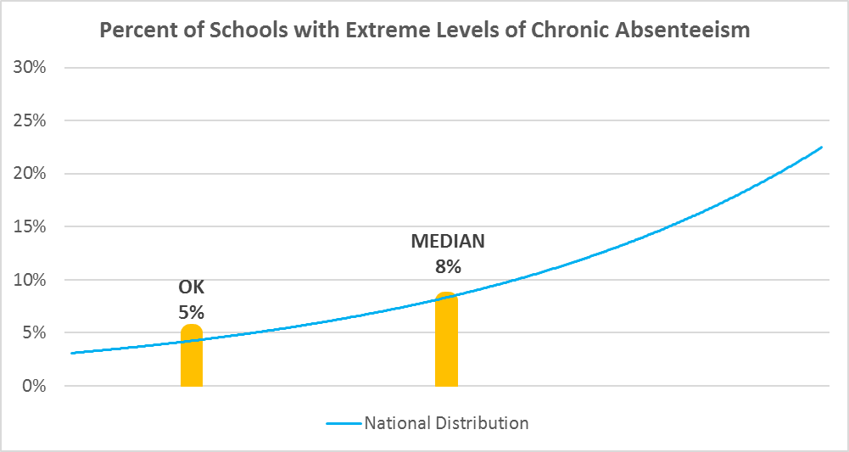

Chronic Absence Levels for Oklahoma Schools Vary by Grades Served

Chronic Absence Concentration and Grade Level | Elementary | Middle | High | Other | Total
Extreme Chronic Absence (30%+) | 12 | 8 | 60 | 3 | 83
High Chronic Absence (20-29.9%) | 56 | 45 | 62 | 3 | 166
Significant Chronic Absence (10-19.9%) | 303 | 117 | 98 | 8 | 526
Modest Chronic Absence (5-9.9%) | 198 | 63 | 71 | 1 | 333
Low Chronic Absence (0-4.9%) | 363 | 97 | 160 | 5 | 625
Grand Total (n) | 932 | 330 | 451 | 20 | 1733
 | Elementary | Middle | High | Other
Extreme Chronic Absence (30%+) | 1% | 2% | 13% | 15%
High Chronic Absence (20-29.9%) | 6% | 14% | 14% | 15%
Significant Chronic Absence (10-19.9%) | 33% | 35% | 22% | 40%
Modest Chronic Absence (5-9.9%) | 21% | 19% | 16% | 5%
Low Chronic Absence (0-4.9%) | 39% | 29% | 35% | 25%

Chronic Absence Levels for Oklahoma Schools Vary by School Type
Chronic Absence Concentration and School Type | Regular | Special Ed. | Vocational | Alternative | Total
Extreme Chronic Absence (30%+) | 81 | 1 | 0 | 1 | 83
High Chronic Absence (20-29.9%) | 163 | 3 | 0 | 0 | 166
Significant Chronic Absence (10-19.9%) | 526 | 0 | 0 | 0 | 526
Modest Chronic Absence (5-9.9%) | 333 | 0 | 0 | 0 | 333
Low Chronic Absence (0-4.9%) | 622 | 0 | 0 | 3 | 625
Grand Total (n) | 1725 | 4 | 0 | 4 | 1733
 | Regular | Special Ed. | Vocational | Alternative
Extreme Chronic Absence (30%+) | 5% | 25% | #DIV/0! | 25%
High Chronic Absence (20-29.9%) | 9% | 75% | #DIV/0! | 0%
Significant Chronic Absence (10-19.9%) | 30% | 0% | #DIV/0! | 0%
Modest Chronic Absence (5-9.9%) | 19% | 0% | #DIV/0! | 0%
Low Chronic Absence (0-4.9%) | 36% | 0% | #DIV/0! | 75%

Oklahoma Schools Serving More Students in Poverty Have Higher Chronic Absence Levels
Chronic Absence Concentration and Poverty Level | >=75% | 50-74% | 25-49% | 0-24% | Total
Extreme Chronic Absence (30%+) | 37 | 33 | 11 | 1 | 82
High Chronic Absence (20-29.9%) | 78 | 56 | 26 | 2 | 162
Significant Chronic Absence (10-19.9%) | 203 | 206 | 101 | 14 | 524
Modest Chronic Absence (5-9.9%) | 88 | 150 | 75 | 20 | 333
Low Chronic Absence (0-4.9%) | 205 | 278 | 118 | 22 | 623
Grand Total (n) | 611 | 723 | 331 | 59 | 1724
 | >=75% | 50-74% | 25-49% | 0-24%
Extreme Chronic Absence (30%+) | 6% | 5% | 3% | 2%
High Chronic Absence (20-29.9%) | 13% | 8% | 8% | 3%
Significant Chronic Absence (10-19.9%) | 33% | 28% | 31% | 24%
Modest Chronic Absence (5-9.9%) | 14% | 21% | 23% | 34%
Low Chronic Absence (0-4.9%) | 34% | 38% | 36% | 37%

Distribution of Chronic Absence Levels for Oklahoma Schools Across Different Locales
Chronic Absence Concentration and Locale | City | Suburb | Town | Rural | Total
Extreme Chronic Absence (30%+) | 26 | 6 | 18 | 33 | 83
High Chronic Absence (20-29.9%) | 39 | 16 | 45 | 66 | 166
Significant Chronic Absence (10-19.9%) | 118 | 89 | 123 | 196 | 526
Modest Chronic Absence (5-9.9%) | 45 | 47 | 79 | 162 | 333
Low Chronic Absence (0-4.9%) | 38 | 51 | 122 | 414 | 625
Grand Total (n) | 266 | 209 | 387 | 871 | 1733
 | City | Suburb | Town | Rural
Extreme Chronic Absence (30%+) | 10% | 3% | 5% | 4%
High Chronic Absence (20-29.9%) | 15% | 8% | 12% | 8%
Significant Chronic Absence (10-19.9%) | 44% | 43% | 32% | 23%
Modest Chronic Absence (5-9.9%) | 17% | 22% | 20% | 19%
Low Chronic Absence (0-4.9%) | 14% | 24% | 32% | 48%

