ND
Distribution of Chronic Absence Levels Across Schools in North Dakota
North Dakota

Chronic Absence Level Concentrations in North Dakota Schools | Number of Schools | Percent
Extreme Chronic Absence (30%+) | 18 | 4%
High Chronic Absence (20-29.9%) | 29 | 7%
Significant Chronic Absence (10-19.9%) | 83 | 19%
Modest Chronic Absence (5-9.9%) | 96 | 22%
Low Chronic Absence (0-4.9%) | 220 | 49%
Grand Total (n) | 446

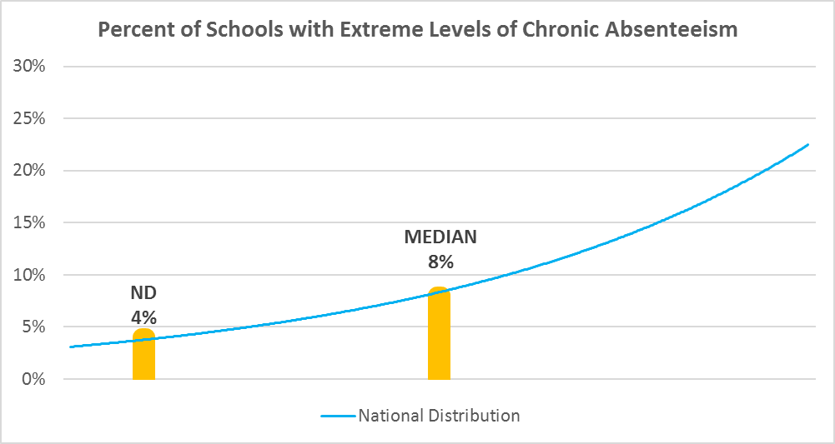

Chronic Absence Levels for North Dakota Schools Vary by Grades Served

Chronic Absence Concentration and Grade Level | Elementary | Middle | High | Other | Total
Extreme Chronic Absence (30%+) | 6 | 1 | 11 | 0 | 18
High Chronic Absence (20-29.9%) | 9 | 2 | 18 | 0 | 29
Significant Chronic Absence (10-19.9%) | 44 | 15 | 23 | 1 | 83
Modest Chronic Absence (5-9.9%) | 59 | 9 | 27 | 1 | 96
Low Chronic Absence (0-4.9%) | 134 | 10 | 75 | 1 | 220
Grand Total (n) | 252 | 37 | 154 | 3 | 446
 | Elementary | Middle | High | Other
Extreme Chronic Absence (30%+) | 2% | 3% | 7% | 0%
High Chronic Absence (20-29.9%) | 4% | 5% | 12% | 0%
Significant Chronic Absence (10-19.9%) | 17% | 41% | 15% | 33%
Modest Chronic Absence (5-9.9%) | 23% | 24% | 18% | 33%
Low Chronic Absence (0-4.9%) | 53% | 27% | 49% | 33%

Chronic Absence Levels for North Dakota Schools Vary by School Type
Chronic Absence Concentration and School Type | Regular | Special Ed. | Vocational | Alternative | Total
Extreme Chronic Absence (30%+) | 18 | 0 | 0 | 0 | 18
High Chronic Absence (20-29.9%) | 29 | 0 | 0 | 0 | 29
Significant Chronic Absence (10-19.9%) | 83 | 0 | 0 | 0 | 83
Modest Chronic Absence (5-9.9%) | 96 | 0 | 0 | 0 | 96
Low Chronic Absence (0-4.9%) | 220 | 0 | 0 | 0 | 220
Grand Total (n) | 446 | 0 | 0 | 0 | 446
 | Regular | Special Ed. | Vocational | Alternative
Extreme Chronic Absence (30%+) | 4% | #DIV/0! | #DIV/0! | #DIV/0!
High Chronic Absence (20-29.9%) | 7% | #DIV/0! | #DIV/0! | #DIV/0!
Significant Chronic Absence (10-19.9%) | 19% | #DIV/0! | #DIV/0! | #DIV/0!
Modest Chronic Absence (5-9.9%) | 22% | #DIV/0! | #DIV/0! | #DIV/0!
Low Chronic Absence (0-4.9%) | 49% | #DIV/0! | #DIV/0! | #DIV/0!

North Dakota Schools Serving More Students in Poverty Have Higher Chronic Absence Levels
Chronic Absence Concentration and Poverty Level | >=75% | 50-74% | 25-49% | 0-24% | Total
Extreme Chronic Absence (30%+) | 5 | 7 | 6 | 0 | 18
High Chronic Absence (20-29.9%) | 2 | 4 | 16 | 7 | 29
Significant Chronic Absence (10-19.9%) | 6 | 7 | 49 | 21 | 83
Modest Chronic Absence (5-9.9%) | 3 | 11 | 49 | 33 | 96
Low Chronic Absence (0-4.9%) | 8 | 22 | 107 | 82 | 219
Grand Total (n) | 24 | 51 | 227 | 143 | 445
 | >=75% | 50-74% | 25-49% | 0-24%
Extreme Chronic Absence (30%+) | 21% | 14% | 3% | 0%
High Chronic Absence (20-29.9%) | 8% | 8% | 7% | 5%
Significant Chronic Absence (10-19.9%) | 25% | 14% | 22% | 15%
Modest Chronic Absence (5-9.9%) | 13% | 22% | 22% | 23%
Low Chronic Absence (0-4.9%) | 33% | 43% | 47% | 57%

Distribution of Chronic Absence Levels for North Dakota Schools Across Different Locales
Chronic Absence Concentration and Locale | City | Suburb | Town | Rural | Total
Extreme Chronic Absence (30%+) | 3 | 0 | 1 | 14 | 18
High Chronic Absence (20-29.9%) | 6 | 0 | 6 | 17 | 29
Significant Chronic Absence (10-19.9%) | 19 | 2 | 28 | 34 | 83
Modest Chronic Absence (5-9.9%) | 14 | 8 | 16 | 58 | 96
Low Chronic Absence (0-4.9%) | 15 | 12 | 13 | 180 | 220
Grand Total (n) | 57 | 22 | 64 | 303 | 446
 | City | Suburb | Town | Rural
Extreme Chronic Absence (30%+) | 5% | 0% | 2% | 5%
High Chronic Absence (20-29.9%) | 11% | 0% | 9% | 6%
Significant Chronic Absence (10-19.9%) | 33% | 9% | 44% | 11%
Modest Chronic Absence (5-9.9%) | 25% | 36% | 25% | 19%
Low Chronic Absence (0-4.9%) | 26% | 55% | 20% | 59%

