NC
Distribution of Chronic Absence Levels Across Schools in North Carolina
North Carolina

Chronic Absence Level Concentrations in North Carolina Schools | Number of Schools | Percent
Extreme Chronic Absence (30%+) | 177 | 7%
High Chronic Absence (20-29.9%) | 285 | 11%
Significant Chronic Absence (10-19.9%) | 1,094 | 43%
Modest Chronic Absence (5-9.9%) | 576 | 22%
Low Chronic Absence (0-4.9%) | 436 | 17%
Grand Total (n) | 2,568

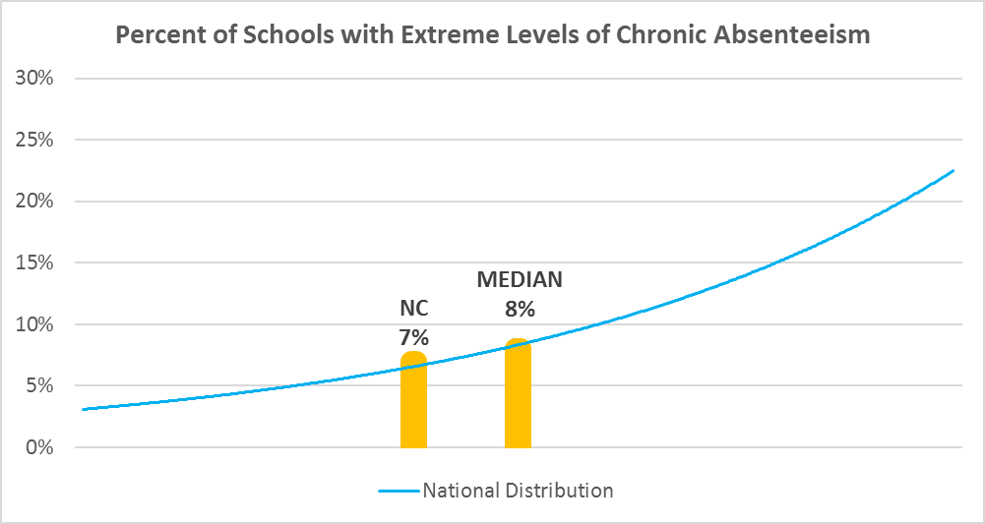

Chronic Absence Levels for North Carolina Schools Vary by Grades Served

Chronic Absence Concentration and Grade Level | Elementary | Middle | High | Other | Total
Extreme Chronic Absence (30%+) | 18 | 13 | 91 | 55 | 177
High Chronic Absence (20-29.9%) | 79 | 69 | 123 | 14 | 285
Significant Chronic Absence (10-19.9%) | 620 | 261 | 184 | 29 | 1094
Modest Chronic Absence (5-9.9%) | 412 | 90 | 52 | 22 | 576
Low Chronic Absence (0-4.9%) | 293 | 66 | 44 | 33 | 436
Grand Total (n) | 1422 | 499 | 494 | 153 | 2568
 | Elementary | Middle | High | Other
Extreme Chronic Absence (30%+) | 1% | 3% | 18% | 36%
High Chronic Absence (20-29.9%) | 6% | 14% | 25% | 9%
Significant Chronic Absence (10-19.9%) | 44% | 52% | 37% | 19%
Modest Chronic Absence (5-9.9%) | 29% | 18% | 11% | 14%
Low Chronic Absence (0-4.9%) | 21% | 13% | 9% | 22%

Chronic Absence Levels for North Carolina Schools Vary by School Type
Chronic Absence Concentration and School Type | Regular | Special Ed. | Vocational | Alternative | Total
Extreme Chronic Absence (30%+) | 106 | 13 | 0 | 58 | 177
High Chronic Absence (20-29.9%) | 273 | 4 | 0 | 8 | 285
Significant Chronic Absence (10-19.9%) | 1086 | 0 | 2 | 6 | 1094
Modest Chronic Absence (5-9.9%) | 574 | 0 | 0 | 2 | 576
Low Chronic Absence (0-4.9%) | 423 | 6 | 1 | 6 | 436
Grand Total (n) | 2462 | 23 | 3 | 80 | 2568
 | Regular | Special Ed. | Vocational | Alternative
Extreme Chronic Absence (30%+) | 4% | 57% | 0% | 73%
High Chronic Absence (20-29.9%) | 11% | 17% | 0% | 10%
Significant Chronic Absence (10-19.9%) | 44% | 0% | 67% | 8%
Modest Chronic Absence (5-9.9%) | 23% | 0% | 0% | 3%
Low Chronic Absence (0-4.9%) | 17% | 26% | 33% | 8%

North Carolina Schools Serving More Students in Poverty Have Higher Chronic Absence Levels
Chronic Absence Concentration and Poverty Level | >=75% | 50-74% | 25-49% | 0-24% | Total
Extreme Chronic Absence (30%+) | 89 | 59 | 20 | 4 | 172
High Chronic Absence (20-29.9%) | 109 | 116 | 51 | 4 | 280
Significant Chronic Absence (10-19.9%) | 316 | 450 | 271 | 46 | 1083
Modest Chronic Absence (5-9.9%) | 81 | 179 | 201 | 105 | 566
Low Chronic Absence (0-4.9%) | 132 | 136 | 80 | 65 | 413
Grand Total (n) | 727 | 940 | 623 | 224 | 2514
 | >=75% | 50-74% | 25-49% | 0-24%
Extreme Chronic Absence (30%+) | 12% | 6% | 3% | 2%
High Chronic Absence (20-29.9%) | 15% | 12% | 8% | 2%
Significant Chronic Absence (10-19.9%) | 43% | 48% | 43% | 21%
Modest Chronic Absence (5-9.9%) | 11% | 19% | 32% | 47%
Low Chronic Absence (0-4.9%) | 18% | 14% | 13% | 29%

Distribution of Chronic Absence Levels for North Carolina Schools Across Different Locales
Chronic Absence Concentration and Locale | City | Suburb | Town | Rural | Total
Extreme Chronic Absence (30%+) | 63 | 25 | 32 | 57 | 177
High Chronic Absence (20-29.9%) | 70 | 25 | 36 | 154 | 285
Significant Chronic Absence (10-19.9%) | 265 | 211 | 141 | 477 | 1094
Modest Chronic Absence (5-9.9%) | 147 | 155 | 63 | 211 | 576
Low Chronic Absence (0-4.9%) | 125 | 81 | 62 | 168 | 436
Grand Total (n) | 670 | 497 | 334 | 1067 | 2568
 | City | Suburb | Town | Rural
Extreme Chronic Absence (30%+) | 9% | 5% | 10% | 5%
High Chronic Absence (20-29.9%) | 10% | 5% | 11% | 14%
Significant Chronic Absence (10-19.9%) | 40% | 42% | 42% | 45%
Modest Chronic Absence (5-9.9%) | 22% | 31% | 19% | 20%
Low Chronic Absence (0-4.9%) | 19% | 16% | 19% | 16%

