NY
Distribution of Chronic Absence Levels Across Schools in New York
New York

Chronic Absence Level Concentrations in New York Schools | Number of Schools | Percent
Extreme Chronic Absence (30%+) | 1,309 | 28%
High Chronic Absence (20-29.9%) | 761 | 16%
Significant Chronic Absence (10-19.9%) | 1,376 | 29%
Modest Chronic Absence (5-9.9%) | 759 | 16%
Low Chronic Absence (0-4.9%) | 550 | 12%
Grand Total (n) | 4,755

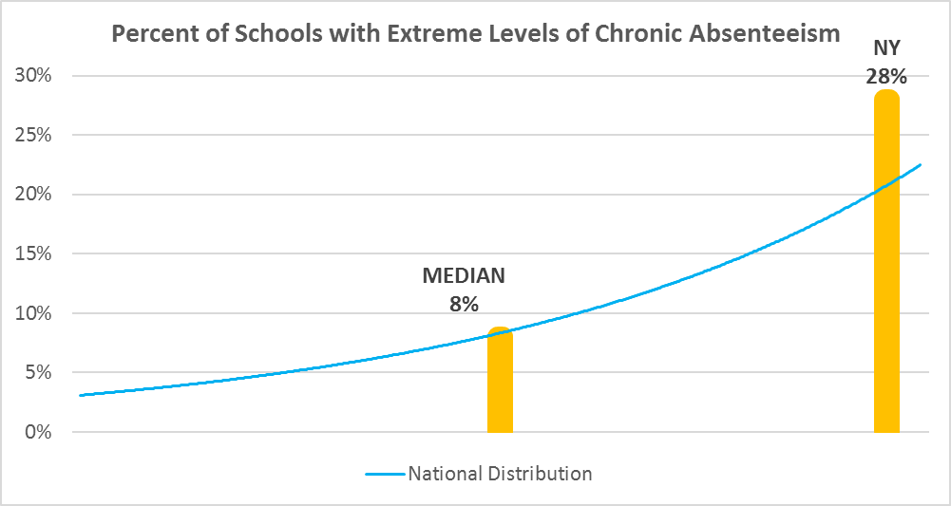

y | tt

Chronic Absence Levels for New York Schools Vary by Grades Served

Chronic Absence Concentration and Grade Level | Elementary | Middle | High | Other | Total
Extreme Chronic Absence (30%+) | 590 | 197 | 386 | 136 | 1309
High Chronic Absence (20-29.9%) | 408 | 135 | 167 | 51 | 761
Significant Chronic Absence (10-19.9%) | 748 | 272 | 248 | 108 | 1376
Modest Chronic Absence (5-9.9%) | 446 | 151 | 118 | 44 | 759
Low Chronic Absence (0-4.9%) | 344 | 81 | 79 | 46 | 550
Grand Total (n) | 2536 | 836 | 998 | 385 | 4755
 | Elementary | Middle | High | Other
Extreme Chronic Absence (30%+) | 23% | 24% | 39% | 35%
High Chronic Absence (20-29.9%) | 16% | 16% | 17% | 13%
Significant Chronic Absence (10-19.9%) | 29% | 33% | 25% | 28%
Modest Chronic Absence (5-9.9%) | 18% | 18% | 12% | 11%
Low Chronic Absence (0-4.9%) | 14% | 10% | 8% | 12%

Chronic Absence Levels for New York Schools Vary by School Type
Chronic Absence Concentration and School Type | Regular | Special Ed. | Vocational | Alternative | Total
Extreme Chronic Absence (30%+) | 1188 | 82 | 15 | 24 | 1309
High Chronic Absence (20-29.9%) | 751 | 6 | 4 | 0 | 761
Significant Chronic Absence (10-19.9%) | 1367 | 4 | 3 | 2 | 1376
Modest Chronic Absence (5-9.9%) | 755 | 2 | 2 | 0 | 759
Low Chronic Absence (0-4.9%) | 533 | 14 | 1 | 2 | 550
Grand Total (n) | 4594 | 108 | 25 | 28 | 4755
 | Regular | Special Ed. | Vocational | Alternative
Extreme Chronic Absence (30%+) | 26% | 76% | 60% | 86%
High Chronic Absence (20-29.9%) | 16% | 6% | 16% | 0%
Significant Chronic Absence (10-19.9%) | 30% | 4% | 12% | 7%
Modest Chronic Absence (5-9.9%) | 16% | 2% | 8% | 0%
Low Chronic Absence (0-4.9%) | 12% | 13% | 4% | 7%

New York Schools Serving More Students in Poverty Have Higher Chronic Absence Levels
Chronic Absence Concentration and Poverty Level | >=75% | 50-74% | 25-49% | 0-24% | Total
Extreme Chronic Absence (30%+) | 951 | 216 | 71 | 43 | 1281
High Chronic Absence (20-29.9%) | 266 | 199 | 162 | 74 | 701
Significant Chronic Absence (10-19.9%) | 149 | 265 | 493 | 376 | 1283
Modest Chronic Absence (5-9.9%) | 40 | 56 | 202 | 416 | 714
Low Chronic Absence (0-4.9%) | 54 | 65 | 121 | 272 | 512
Grand Total (n) | 1460 | 801 | 1049 | 1181 | 4491
 | >=75% | 50-74% | 25-49% | 0-24%
Extreme Chronic Absence (30%+) | 65% | 27% | 7% | 4%
High Chronic Absence (20-29.9%) | 18% | 25% | 15% | 6%
Significant Chronic Absence (10-19.9%) | 10% | 33% | 47% | 32%
Modest Chronic Absence (5-9.9%) | 3% | 7% | 19% | 35%
Low Chronic Absence (0-4.9%) | 4% | 8% | 12% | 23%

Distribution of Chronic Absence Levels for New York Schools Across Different Locales
Chronic Absence Concentration and Locale | City | Suburb | Town | Rural | Total
Extreme Chronic Absence (30%+) | 1136 | 102 | 26 | 45 | 1309
High Chronic Absence (20-29.9%) | 442 | 139 | 74 | 106 | 761
Significant Chronic Absence (10-19.9%) | 332 | 556 | 159 | 329 | 1376
Modest Chronic Absence (5-9.9%) | 91 | 438 | 60 | 170 | 759
Low Chronic Absence (0-4.9%) | 106 | 281 | 44 | 119 | 550
Grand Total (n) | 2107 | 1516 | 363 | 769 | 4755
 | City | Suburb | Town | Rural
Extreme Chronic Absence (30%+) | 54% | 7% | 7% | 6%
High Chronic Absence (20-29.9%) | 21% | 9% | 20% | 14%
Significant Chronic Absence (10-19.9%) | 16% | 37% | 44% | 43%
Modest Chronic Absence (5-9.9%) | 4% | 29% | 17% | 22%
Low Chronic Absence (0-4.9%) | 5% | 19% | 12% | 15%

