NM
Distribution of Chronic Absence Levels Across Schools in New Mexico
New Mexico

Chronic Absence Level Concentrations in New Mexico Schools | Number of Schools | Percent
Extreme Chronic Absence (30%+) | 78 | 9%
High Chronic Absence (20-29.9%) | 82 | 10%
Significant Chronic Absence (10-19.9%) | 164 | 20%
Modest Chronic Absence (5-9.9%) | 96 | 12%
Low Chronic Absence (0-4.9%) | 412 | 50%
Grand Total (n) | 832

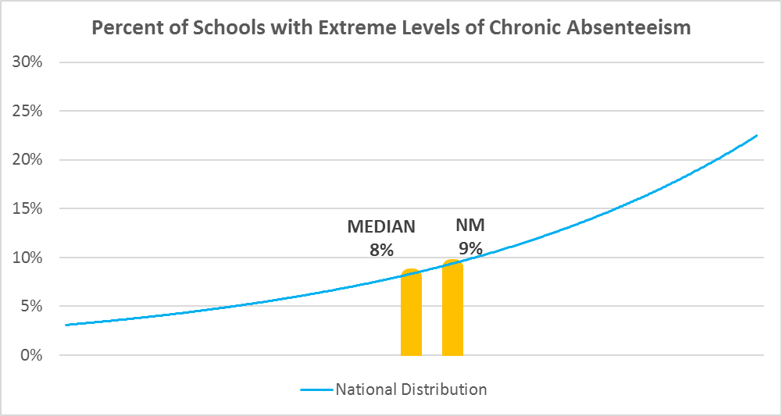

Chronic Absence Levels for New Mexico Schools Vary by Grades Served

Chronic Absence Concentration and Grade Level | Elementary | Middle | High | Other | Total
Extreme Chronic Absence (30%+) | 26 | 18 | 30 | 4 | 78
High Chronic Absence (20-29.9%) | 53 | 16 | 11 | 2 | 82
Significant Chronic Absence (10-19.9%) | 102 | 31 | 29 | 2 | 164
Modest Chronic Absence (5-9.9%) | 39 | 17 | 32 | 8 | 96
Low Chronic Absence (0-4.9%) | 237 | 85 | 76 | 14 | 412
Grand Total (n) | 457 | 167 | 178 | 30 | 832
 | Elementary | Middle | High | Other
Extreme Chronic Absence (30%+) | 6% | 11% | 17% | 13%
High Chronic Absence (20-29.9%) | 12% | 10% | 6% | 7%
Significant Chronic Absence (10-19.9%) | 22% | 19% | 16% | 7%
Modest Chronic Absence (5-9.9%) | 9% | 10% | 18% | 27%
Low Chronic Absence (0-4.9%) | 52% | 51% | 43% | 47%

Chronic Absence Levels for New Mexico Schools Vary by School Type
Chronic Absence Concentration and School Type | Regular | Special Ed. | Vocational | Alternative | Total
Extreme Chronic Absence (30%+) | 71 | 0 | 0 | 7 | 78
High Chronic Absence (20-29.9%) | 79 | 1 | 0 | 2 | 82
Significant Chronic Absence (10-19.9%) | 161 | 0 | 0 | 3 | 164
Modest Chronic Absence (5-9.9%) | 91 | 0 | 0 | 5 | 96
Low Chronic Absence (0-4.9%) | 393 | 3 | 1 | 15 | 412
Grand Total (n) | 795 | 4 | 1 | 32 | 832
 | Regular | Special Ed. | Vocational | Alternative
Extreme Chronic Absence (30%+) | 9% | 0% | 0% | 22%
High Chronic Absence (20-29.9%) | 10% | 25% | 0% | 6%
Significant Chronic Absence (10-19.9%) | 20% | 0% | 0% | 9%
Modest Chronic Absence (5-9.9%) | 11% | 0% | 0% | 16%
Low Chronic Absence (0-4.9%) | 49% | 75% | 100% | 47%

New Mexico Schools Serving More Students in Poverty Have Higher Chronic Absence Levels
Chronic Absence Concentration and Poverty Level | >=75% | 50-74% | 25-49% | 0-24% | Total
Extreme Chronic Absence (30%+) | 38 | 30 | 9 | 1 | 78
High Chronic Absence (20-29.9%) | 38 | 32 | 11 | 1 | 82
Significant Chronic Absence (10-19.9%) | 67 | 56 | 39 | 2 | 164
Modest Chronic Absence (5-9.9%) | 43 | 27 | 20 | 6 | 96
Low Chronic Absence (0-4.9%) | 201 | 114 | 66 | 28 | 409
Grand Total (n) | 387 | 259 | 145 | 38 | 829
 | >=75% | 50-74% | 25-49% | 0-24%
Extreme Chronic Absence (30%+) | 10% | 12% | 6% | 3%
High Chronic Absence (20-29.9%) | 10% | 12% | 8% | 3%
Significant Chronic Absence (10-19.9%) | 17% | 22% | 27% | 5%
Modest Chronic Absence (5-9.9%) | 11% | 10% | 14% | 16%
Low Chronic Absence (0-4.9%) | 52% | 44% | 46% | 74%

Distribution of Chronic Absence Levels for New Mexico Schools Across Different Locales
Chronic Absence Concentration and Locale | City | Suburb | Town | Rural | Total
Extreme Chronic Absence (30%+) | 17 | 5 | 39 | 17 | 78
High Chronic Absence (20-29.9%) | 15 | 9 | 33 | 25 | 82
Significant Chronic Absence (10-19.9%) | 21 | 29 | 53 | 61 | 164
Modest Chronic Absence (5-9.9%) | 18 | 13 | 27 | 38 | 96
Low Chronic Absence (0-4.9%) | 144 | 34 | 83 | 151 | 412
Grand Total (n) | 215 | 90 | 235 | 292 | 832
 | City | Suburb | Town | Rural
Extreme Chronic Absence (30%+) | 8% | 6% | 17% | 6%
High Chronic Absence (20-29.9%) | 7% | 10% | 14% | 9%
Significant Chronic Absence (10-19.9%) | 10% | 32% | 23% | 21%
Modest Chronic Absence (5-9.9%) | 8% | 14% | 11% | 13%
Low Chronic Absence (0-4.9%) | 67% | 38% | 35% | 52%

