NJ
Distribution of Chronic Absence Levels Across Schools in New Jersey
New Jersey

Chronic Absence Level Concentrations in New Jersey Schools | Number of Schools | Percent
Extreme Chronic Absence (30%+) | 132 | 6%
High Chronic Absence (20-29.9%) | 215 | 9%
Significant Chronic Absence (10-19.9%) | 759 | 32%
Modest Chronic Absence (5-9.9%) | 684 | 29%
Low Chronic Absence (0-4.9%) | 579 | 24%
Grand Total (n) | 2,369

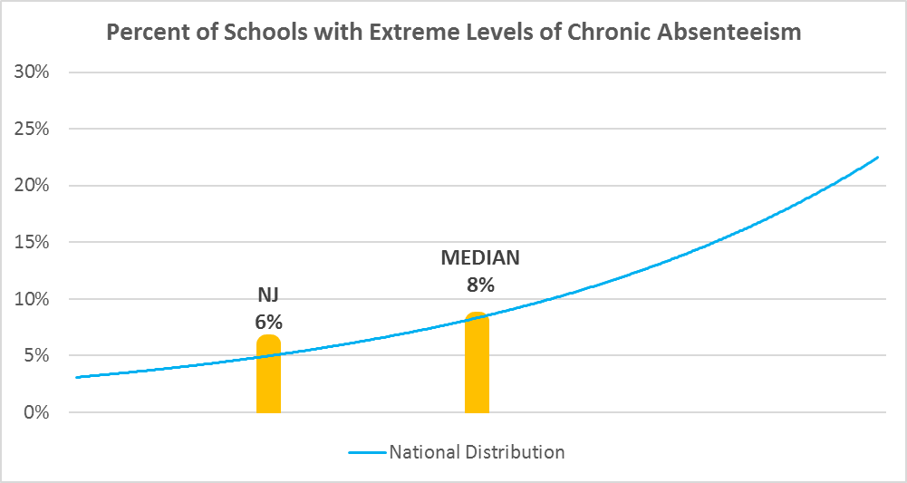

Chronic Absence Levels for New Jersey Schools Vary by Grades Served

Chronic Absence Concentration and Grade Level | Elementary | Middle | High | Other | Total
Extreme Chronic Absence (30%+) | 50 | 4 | 62 | 16 | 132
High Chronic Absence (20-29.9%) | 104 | 27 | 72 | 12 | 215
Significant Chronic Absence (10-19.9%) | 476 | 140 | 131 | 12 | 759
Modest Chronic Absence (5-9.9%) | 460 | 153 | 64 | 7 | 684
Low Chronic Absence (0-4.9%) | 371 | 118 | 79 | 11 | 579
Grand Total (n) | 1461 | 442 | 408 | 58 | 2369
 | Elementary | Middle | High | Other
Extreme Chronic Absence (30%+) | 3% | 1% | 15% | 28%
High Chronic Absence (20-29.9%) | 7% | 6% | 18% | 21%
Significant Chronic Absence (10-19.9%) | 33% | 32% | 32% | 21%
Modest Chronic Absence (5-9.9%) | 31% | 35% | 16% | 12%
Low Chronic Absence (0-4.9%) | 25% | 27% | 19% | 19%

Chronic Absence Levels for New Jersey Schools Vary by School Type
Chronic Absence Concentration and School Type | Regular | Special Ed. | Vocational | Alternative | Total
Extreme Chronic Absence (30%+) | 91 | 25 | 5 | 11 | 132
High Chronic Absence (20-29.9%) | 203 | 8 | 3 | 1 | 215
Significant Chronic Absence (10-19.9%) | 737 | 9 | 11 | 2 | 759
Modest Chronic Absence (5-9.9%) | 673 | 2 | 9 | 0 | 684
Low Chronic Absence (0-4.9%) | 549 | 9 | 16 | 5 | 579
Grand Total (n) | 2253 | 53 | 44 | 19 | 2369
 | Regular | Special Ed. | Vocational | Alternative
Extreme Chronic Absence (30%+) | 4% | 47% | 11% | 58%
High Chronic Absence (20-29.9%) | 9% | 15% | 7% | 5%
Significant Chronic Absence (10-19.9%) | 33% | 17% | 25% | 11%
Modest Chronic Absence (5-9.9%) | 30% | 4% | 20% | 0%
Low Chronic Absence (0-4.9%) | 24% | 17% | 36% | 26%

New Jersey Schools Serving More Students in Poverty Have Higher Chronic Absence Levels
Chronic Absence Concentration and Poverty Level | >=75% | 50-74% | 25-49% | 0-24% | Total
Extreme Chronic Absence (30%+) | 65 | 25 | 23 | 17 | 130
High Chronic Absence (20-29.9%) | 73 | 47 | 46 | 47 | 213
Significant Chronic Absence (10-19.9%) | 129 | 136 | 225 | 264 | 754
Modest Chronic Absence (5-9.9%) | 53 | 60 | 137 | 432 | 682
Low Chronic Absence (0-4.9%) | 71 | 39 | 110 | 358 | 578
Grand Total (n) | 391 | 307 | 541 | 1118 | 2357
 | >=75% | 50-74% | 25-49% | 0-24%
Extreme Chronic Absence (30%+) | 17% | 8% | 4% | 2%
High Chronic Absence (20-29.9%) | 19% | 15% | 9% | 4%
Significant Chronic Absence (10-19.9%) | 33% | 44% | 42% | 24%
Modest Chronic Absence (5-9.9%) | 14% | 20% | 25% | 39%
Low Chronic Absence (0-4.9%) | 18% | 13% | 20% | 32%

Distribution of Chronic Absence Levels for New Jersey Schools Across Different Locales
Chronic Absence Concentration and Locale | City | Suburb | Town | Rural | Total
Extreme Chronic Absence (30%+) | 30 | 88 | 3 | 11 | 132
High Chronic Absence (20-29.9%) | 32 | 155 | 9 | 19 | 215
Significant Chronic Absence (10-19.9%) | 62 | 612 | 18 | 67 | 759
Modest Chronic Absence (5-9.9%) | 23 | 589 | 11 | 61 | 684
Low Chronic Absence (0-4.9%) | 23 | 482 | 22 | 52 | 579
Grand Total (n) | 170 | 1926 | 63 | 210 | 2369
 | City | Suburb | Town | Rural
Extreme Chronic Absence (30%+) | 18% | 5% | 5% | 5%
High Chronic Absence (20-29.9%) | 19% | 8% | 14% | 9%
Significant Chronic Absence (10-19.9%) | 36% | 32% | 29% | 32%
Modest Chronic Absence (5-9.9%) | 14% | 31% | 17% | 29%
Low Chronic Absence (0-4.9%) | 14% | 25% | 35% | 25%

