NH
Distribution of Chronic Absence Levels Across Schools in New Hampshire
New Hampshire

Chronic Absence Level Concentrations in New Hampshire Schools | Number of Schools | Percent
Extreme Chronic Absence (30%+) | 27 | 6%
High Chronic Absence (20-29.9%) | 45 | 10%
Significant Chronic Absence (10-19.9%) | 159 | 34%
Modest Chronic Absence (5-9.9%) | 120 | 26%
Low Chronic Absence (0-4.9%) | 118 | 25%
Grand Total (n) | 469

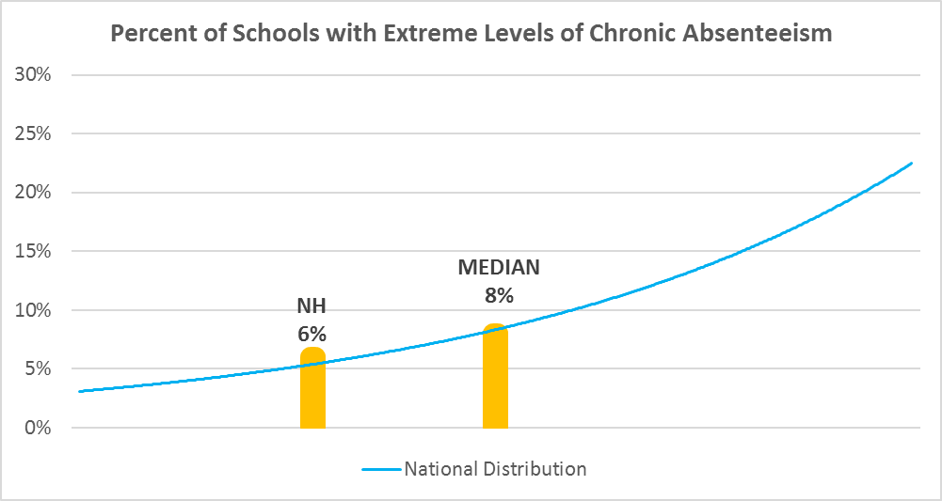

Chronic Absence Levels for New Hampshire Schools Vary by Grades Served

Chronic Absence Concentration and Grade Level | Elementary | Middle | High | Other | Total
Extreme Chronic Absence (30%+) | 3 | 5 | 19 | 0 | 27
High Chronic Absence (20-29.9%) | 17 | 10 | 17 | 1 | 45
Significant Chronic Absence (10-19.9%) | 94 | 41 | 24 | 0 | 159
Modest Chronic Absence (5-9.9%) | 90 | 20 | 10 | 0 | 120
Low Chronic Absence (0-4.9%) | 81 | 19 | 18 | 0 | 118
Grand Total (n) | 285 | 95 | 88 | 1 | 469
 | Elementary | Middle | High | Other
Extreme Chronic Absence (30%+) | 1% | 5% | 22% | 0%
High Chronic Absence (20-29.9%) | 6% | 11% | 19% | 100%
Significant Chronic Absence (10-19.9%) | 33% | 43% | 27% | 0%
Modest Chronic Absence (5-9.9%) | 32% | 21% | 11% | 0%
Low Chronic Absence (0-4.9%) | 28% | 20% | 20% | 0%

Chronic Absence Levels for New Hampshire Schools Vary by School Type
Chronic Absence Concentration and School Type | Regular | Special Ed. | Vocational | Alternative | Total
Extreme Chronic Absence (30%+) | 27 | 0 | 0 | 0 | 27
High Chronic Absence (20-29.9%) | 45 | 0 | 0 | 0 | 45
Significant Chronic Absence (10-19.9%) | 159 | 0 | 0 | 0 | 159
Modest Chronic Absence (5-9.9%) | 120 | 0 | 0 | 0 | 120
Low Chronic Absence (0-4.9%) | 118 | 0 | 0 | 0 | 118
Grand Total (n) | 469 | 0 | 0 | 0 | 469
 | Regular | Special Ed. | Vocational | Alternative
Extreme Chronic Absence (30%+) | 6% | #DIV/0! | #DIV/0! | #DIV/0!
High Chronic Absence (20-29.9%) | 10% | #DIV/0! | #DIV/0! | #DIV/0!
Significant Chronic Absence (10-19.9%) | 34% | #DIV/0! | #DIV/0! | #DIV/0!
Modest Chronic Absence (5-9.9%) | 26% | #DIV/0! | #DIV/0! | #DIV/0!
Low Chronic Absence (0-4.9%) | 25% | #DIV/0! | #DIV/0! | #DIV/0!

New Hampshire Schools Serving More Students in Poverty Have Higher Chronic Absence Levels
Chronic Absence Concentration and Poverty Level | >=75% | 50-74% | 25-49% | 0-24% | Total
Extreme Chronic Absence (30%+) | 2 | 4 | 18 | 3 | 27
High Chronic Absence (20-29.9%) | 2 | 13 | 22 | 8 | 45
Significant Chronic Absence (10-19.9%) | 3 | 27 | 80 | 49 | 159
Modest Chronic Absence (5-9.9%) | 0 | 3 | 51 | 66 | 120
Low Chronic Absence (0-4.9%) | 0 | 9 | 34 | 75 | 118
Grand Total (n) | 7 | 56 | 205 | 201 | 469
 | >=75% | 50-74% | 25-49% | 0-24%
Extreme Chronic Absence (30%+) | 29% | 7% | 9% | 1%
High Chronic Absence (20-29.9%) | 29% | 23% | 11% | 4%
Significant Chronic Absence (10-19.9%) | 43% | 48% | 39% | 24%
Modest Chronic Absence (5-9.9%) | 0% | 5% | 25% | 33%
Low Chronic Absence (0-4.9%) | 0% | 16% | 17% | 37%

Distribution of Chronic Absence Levels for New Hampshire Schools Across Different Locales
Chronic Absence Concentration and Locale | City | Suburb | Town | Rural | Total
Extreme Chronic Absence (30%+) | 4 | 8 | 6 | 9 | 27
High Chronic Absence (20-29.9%) | 17 | 6 | 7 | 15 | 45
Significant Chronic Absence (10-19.9%) | 19 | 37 | 27 | 76 | 159
Modest Chronic Absence (5-9.9%) | 3 | 42 | 14 | 61 | 120
Low Chronic Absence (0-4.9%) | 2 | 35 | 13 | 68 | 118
Grand Total (n) | 45 | 128 | 67 | 229 | 469
 | City | Suburb | Town | Rural
Extreme Chronic Absence (30%+) | 9% | 6% | 9% | 4%
High Chronic Absence (20-29.9%) | 38% | 5% | 10% | 7%
Significant Chronic Absence (10-19.9%) | 42% | 29% | 40% | 33%
Modest Chronic Absence (5-9.9%) | 7% | 33% | 21% | 27%
Low Chronic Absence (0-4.9%) | 4% | 27% | 19% | 30%

