NV
Distribution of Chronic Absence Levels Across Schools in Nevada
Nevada

Chronic Absence Level Concentrations in Nevada Schools | Number of Schools | Percent
Extreme Chronic Absence (30%+) | 77 | 12%
High Chronic Absence (20-29.9%) | 135 | 21%
Significant Chronic Absence (10-19.9%) | 310 | 48%
Modest Chronic Absence (5-9.9%) | 61 | 10%
Low Chronic Absence (0-4.9%) | 59 | 9%
Grand Total (n) | 642

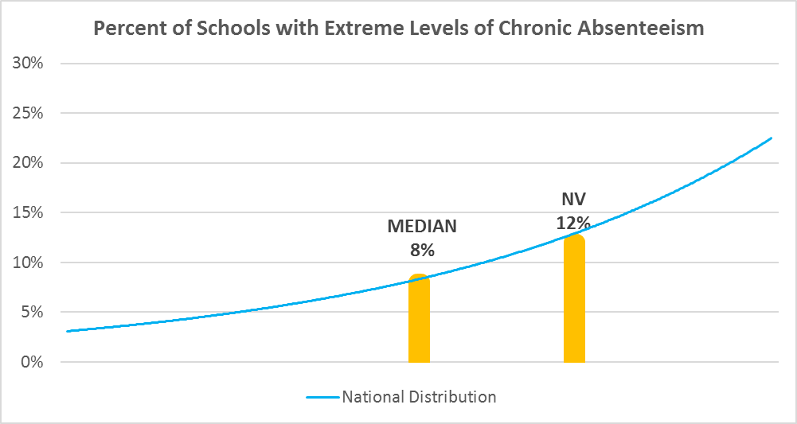

Chronic Absence Levels for Nevada Schools Vary by Grades Served

Chronic Absence Concentration and Grade Level | Elementary | Middle | High | Other | Total
Extreme Chronic Absence (30%+) | 15 | 8 | 38 | 16 | 77
High Chronic Absence (20-29.9%) | 70 | 34 | 26 | 5 | 135
Significant Chronic Absence (10-19.9%) | 230 | 57 | 17 | 6 | 310
Modest Chronic Absence (5-9.9%) | 43 | 1 | 12 | 5 | 61
Low Chronic Absence (0-4.9%) | 24 | 10 | 18 | 7 | 59
Grand Total (n) | 382 | 110 | 111 | 39 | 642
 | Elementary | Middle | High | Other
Extreme Chronic Absence (30%+) | 4% | 7% | 34% | 41%
High Chronic Absence (20-29.9%) | 18% | 31% | 23% | 13%
Significant Chronic Absence (10-19.9%) | 60% | 52% | 15% | 15%
Modest Chronic Absence (5-9.9%) | 11% | 1% | 11% | 13%
Low Chronic Absence (0-4.9%) | 6% | 9% | 16% | 18%

Chronic Absence Levels for Nevada Schools Vary by School Type
Chronic Absence Concentration and School Type | Regular | Special Ed. | Vocational | Alternative | Total
Extreme Chronic Absence (30%+) | 51 | 5 | 0 | 21 | 77
High Chronic Absence (20-29.9%) | 133 | 2 | 0 | 0 | 135
Significant Chronic Absence (10-19.9%) | 306 | 0 | 0 | 4 | 310
Modest Chronic Absence (5-9.9%) | 59 | 0 | 1 | 1 | 61
Low Chronic Absence (0-4.9%) | 51 | 1 | 0 | 7 | 59
Grand Total (n) | 600 | 8 | 1 | 33 | 642
 | Regular | Special Ed. | Vocational | Alternative
Extreme Chronic Absence (30%+) | 9% | 63% | 0% | 64%
High Chronic Absence (20-29.9%) | 22% | 25% | 0% | 0%
Significant Chronic Absence (10-19.9%) | 51% | 0% | 0% | 12%
Modest Chronic Absence (5-9.9%) | 10% | 0% | 100% | 3%
Low Chronic Absence (0-4.9%) | 9% | 13% | 0% | 21%

Nevada Schools Serving More Students in Poverty Have Higher Chronic Absence Levels
Chronic Absence Concentration and Poverty Level | >=75% | 50-74% | 25-49% | 0-24% | Total
Extreme Chronic Absence (30%+) | 13 | 28 | 20 | 15 | 76
High Chronic Absence (20-29.9%) | 61 | 32 | 26 | 15 | 134
Significant Chronic Absence (10-19.9%) | 84 | 81 | 105 | 37 | 307
Modest Chronic Absence (5-9.9%) | 4 | 10 | 24 | 21 | 59
Low Chronic Absence (0-4.9%) | 4 | 11 | 17 | 16 | 48
Grand Total (n) | 166 | 162 | 192 | 104 | 624
 | >=75% | 50-74% | 25-49% | 0-24%
Extreme Chronic Absence (30%+) | 8% | 17% | 10% | 14%
High Chronic Absence (20-29.9%) | 37% | 20% | 14% | 14%
Significant Chronic Absence (10-19.9%) | 51% | 50% | 55% | 36%
Modest Chronic Absence (5-9.9%) | 2% | 6% | 13% | 20%
Low Chronic Absence (0-4.9%) | 2% | 7% | 9% | 15%

Distribution of Chronic Absence Levels for Nevada Schools Across Different Locales
Chronic Absence Concentration and Locale | City | Suburb | Town | Rural | Total
Extreme Chronic Absence (30%+) | 29 | 16 | 10 | 22 | 77
High Chronic Absence (20-29.9%) | 47 | 45 | 14 | 29 | 135
Significant Chronic Absence (10-19.9%) | 149 | 99 | 37 | 25 | 310
Modest Chronic Absence (5-9.9%) | 30 | 17 | 8 | 6 | 61
Low Chronic Absence (0-4.9%) | 17 | 6 | 8 | 28 | 59
Grand Total (n) | 272 | 183 | 77 | 110 | 642
 | City | Suburb | Town | Rural
Extreme Chronic Absence (30%+) | 11% | 9% | 13% | 20%
High Chronic Absence (20-29.9%) | 17% | 25% | 18% | 26%
Significant Chronic Absence (10-19.9%) | 55% | 54% | 48% | 23%
Modest Chronic Absence (5-9.9%) | 11% | 9% | 10% | 5%
Low Chronic Absence (0-4.9%) | 6% | 3% | 10% | 25%

