NE
Distribution of Chronic Absence Levels Across Schools in Nebraska
Nebraska

Chronic Absence Level Concentrations in Nebraska Schools | Number of Schools | Percent
Extreme Chronic Absence (30%+) | 30 | 3%
High Chronic Absence (20-29.9%) | 45 | 5%
Significant Chronic Absence (10-19.9%) | 160 | 17%
Modest Chronic Absence (5-9.9%) | 258 | 27%
Low Chronic Absence (0-4.9%) | 466 | 49%
Grand Total (n) | 959

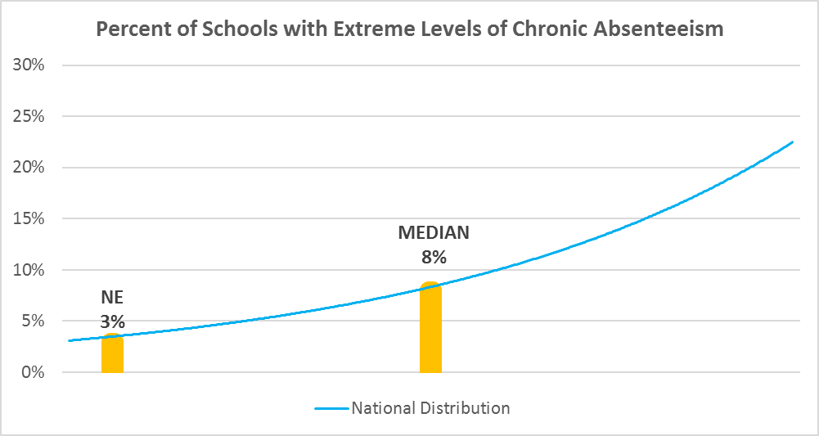

Chronic Absence Levels for Nebraska Schools Vary by Grades Served

Chronic Absence Concentration and Grade Level | Elementary | Middle | High | Other | Total
Extreme Chronic Absence (30%+) | 2 | 4 | 20 | 4 | 30
High Chronic Absence (20-29.9%) | 12 | 11 | 22 | 0 | 45
Significant Chronic Absence (10-19.9%) | 68 | 33 | 59 | 0 | 160
Modest Chronic Absence (5-9.9%) | 154 | 46 | 58 | 0 | 258
Low Chronic Absence (0-4.9%) | 316 | 36 | 111 | 3 | 466
Grand Total (n) | 552 | 130 | 270 | 7 | 959
 | Elementary | Middle | High | Other
Extreme Chronic Absence (30%+) | 0% | 3% | 7% | 57%
High Chronic Absence (20-29.9%) | 2% | 8% | 8% | 0%
Significant Chronic Absence (10-19.9%) | 12% | 25% | 22% | 0%
Modest Chronic Absence (5-9.9%) | 28% | 35% | 21% | 0%
Low Chronic Absence (0-4.9%) | 57% | 28% | 41% | 43%

Chronic Absence Levels for Nebraska Schools Vary by School Type
Chronic Absence Concentration and School Type | Regular | Special Ed. | Vocational | Alternative | Total
Extreme Chronic Absence (30%+) | 25 | 5 | 0 | 0 | 30
High Chronic Absence (20-29.9%) | 45 | 0 | 0 | 0 | 45
Significant Chronic Absence (10-19.9%) | 159 | 1 | 0 | 0 | 160
Modest Chronic Absence (5-9.9%) | 258 | 0 | 0 | 0 | 258
Low Chronic Absence (0-4.9%) | 457 | 9 | 0 | 0 | 466
Grand Total (n) | 944 | 15 | 0 | 0 | 959
 | Regular | Special Ed. | Vocational | Alternative
Extreme Chronic Absence (30%+) | 3% | 33% | #DIV/0! | #DIV/0!
High Chronic Absence (20-29.9%) | 5% | 0% | #DIV/0! | #DIV/0!
Significant Chronic Absence (10-19.9%) | 17% | 7% | #DIV/0! | #DIV/0!
Modest Chronic Absence (5-9.9%) | 27% | 0% | #DIV/0! | #DIV/0!
Low Chronic Absence (0-4.9%) | 48% | 60% | #DIV/0! | #DIV/0!

Nebraska Schools Serving More Students in Poverty Have Higher Chronic Absence Levels
Chronic Absence Concentration and Poverty Level | >=75% | 50-74% | 25-49% | 0-24% | Total
Extreme Chronic Absence (30%+) | 11 | 7 | 5 | 2 | 25
High Chronic Absence (20-29.9%) | 12 | 14 | 14 | 4 | 44
Significant Chronic Absence (10-19.9%) | 47 | 36 | 60 | 17 | 160
Modest Chronic Absence (5-9.9%) | 22 | 83 | 119 | 33 | 257
Low Chronic Absence (0-4.9%) | 10 | 90 | 241 | 115 | 456
Grand Total (n) | 102 | 230 | 439 | 171 | 942
 | >=75% | 50-74% | 25-49% | 0-24%
Extreme Chronic Absence (30%+) | 11% | 3% | 1% | 1%
High Chronic Absence (20-29.9%) | 12% | 6% | 3% | 2%
Significant Chronic Absence (10-19.9%) | 46% | 16% | 14% | 10%
Modest Chronic Absence (5-9.9%) | 22% | 36% | 27% | 19%
Low Chronic Absence (0-4.9%) | 10% | 39% | 55% | 67%

Distribution of Chronic Absence Levels for Nebraska Schools Across Different Locales
Chronic Absence Concentration and Locale | City | Suburb | Town | Rural | Total
Extreme Chronic Absence (30%+) | 14 | 3 | 3 | 10 | 30
High Chronic Absence (20-29.9%) | 17 | 5 | 7 | 16 | 45
Significant Chronic Absence (10-19.9%) | 66 | 12 | 29 | 53 | 160
Modest Chronic Absence (5-9.9%) | 60 | 30 | 66 | 102 | 258
Low Chronic Absence (0-4.9%) | 43 | 37 | 76 | 310 | 466
Grand Total (n) | 200 | 87 | 181 | 491 | 959
 | City | Suburb | Town | Rural
Extreme Chronic Absence (30%+) | 7% | 3% | 2% | 2%
High Chronic Absence (20-29.9%) | 9% | 6% | 4% | 3%
Significant Chronic Absence (10-19.9%) | 33% | 14% | 16% | 11%
Modest Chronic Absence (5-9.9%) | 30% | 34% | 36% | 21%
Low Chronic Absence (0-4.9%) | 22% | 43% | 42% | 63%

