MT
Distribution of Chronic Absence Levels Across Schools in Montana
Montana

Chronic Absence Level Concentrations in Montana Schools | Number of Schools | Percent
Extreme Chronic Absence (30%+) | 97 | 12%
High Chronic Absence (20-29.9%) | 100 | 13%
Significant Chronic Absence (10-19.9%) | 140 | 18%
Modest Chronic Absence (5-9.9%) | 77 | 10%
Low Chronic Absence (0-4.9%) | 373 | 47%
Grand Total (n) | 787

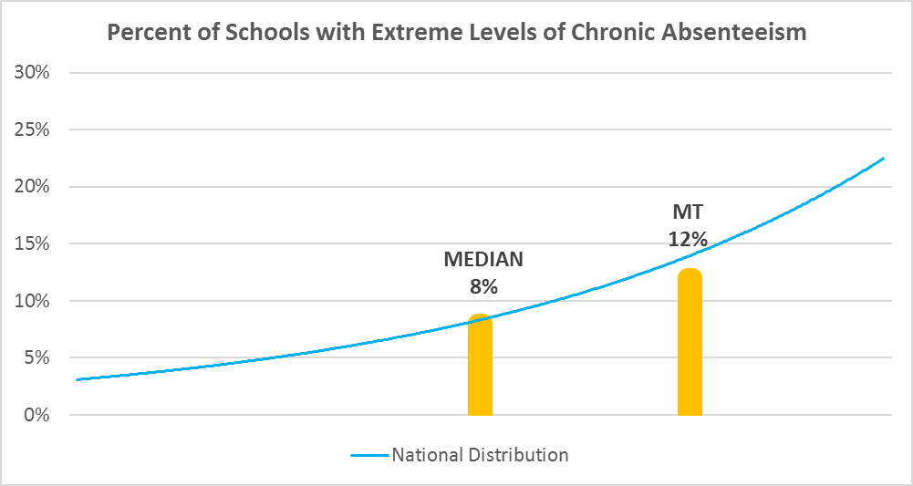

Chronic Absence Levels for Montana Schools Vary by Grades Served

Chronic Absence Concentration and Grade Level | Elementary | Middle | High | Other | Total
Extreme Chronic Absence (30%+) | 32 | 27 | 38 | 0 | 97
High Chronic Absence (20-29.9%) | 56 | 28 | 16 | 0 | 100
Significant Chronic Absence (10-19.9%) | 81 | 35 | 24 | 0 | 140
Modest Chronic Absence (5-9.9%) | 35 | 20 | 22 | 0 | 77
Low Chronic Absence (0-4.9%) | 204 | 104 | 65 | 0 | 373
Grand Total (n) | 408 | 214 | 165 | 0 | 787
 | Elementary | Middle | High | Other
Extreme Chronic Absence (30%+) | 8% | 13% | 23% | #DIV/0!
High Chronic Absence (20-29.9%) | 14% | 13% | 10% | #DIV/0!
Significant Chronic Absence (10-19.9%) | 20% | 16% | 15% | #DIV/0!
Modest Chronic Absence (5-9.9%) | 9% | 9% | 13% | #DIV/0!
Low Chronic Absence (0-4.9%) | 50% | 49% | 39% | #DIV/0!

Chronic Absence Levels for Montana Schools Vary by School Type
Chronic Absence Concentration and School Type | Regular | Special Ed. | Vocational | Alternative | Total
Extreme Chronic Absence (30%+) | 95 | 1 | 0 | 1 | 97
High Chronic Absence (20-29.9%) | 99 | 1 | 0 | 0 | 100
Significant Chronic Absence (10-19.9%) | 140 | 0 | 0 | 0 | 140
Modest Chronic Absence (5-9.9%) | 77 | 0 | 0 | 0 | 77
Low Chronic Absence (0-4.9%) | 371 | 0 | 0 | 2 | 373
Grand Total (n) | 782 | 2 | 0 | 3 | 787
 | Regular | Special Ed. | Vocational | Alternative
Extreme Chronic Absence (30%+) | 12% | 50% | #DIV/0! | 33%
High Chronic Absence (20-29.9%) | 13% | 50% | #DIV/0! | 0%
Significant Chronic Absence (10-19.9%) | 18% | 0% | #DIV/0! | 0%
Modest Chronic Absence (5-9.9%) | 10% | 0% | #DIV/0! | 0%
Low Chronic Absence (0-4.9%) | 47% | 0% | #DIV/0! | 67%

Montana Schools Serving More Students in Poverty Have Higher Chronic Absence Levels
Chronic Absence Concentration and Poverty Level | >=75% | 50-74% | 25-49% | 0-24% | Total
Extreme Chronic Absence (30%+) | 21 | 24 | 36 | 16 | 97
High Chronic Absence (20-29.9%) | 10 | 36 | 40 | 11 | 97
Significant Chronic Absence (10-19.9%) | 9 | 23 | 78 | 28 | 138
Modest Chronic Absence (5-9.9%) | 3 | 20 | 33 | 21 | 77
Low Chronic Absence (0-4.9%) | 25 | 76 | 136 | 135 | 372
Grand Total (n) | 68 | 179 | 323 | 211 | 781
 | >=75% | 50-74% | 25-49% | 0-24%
Extreme Chronic Absence (30%+) | 31% | 13% | 11% | 8%
High Chronic Absence (20-29.9%) | 15% | 20% | 12% | 5%
Significant Chronic Absence (10-19.9%) | 13% | 13% | 24% | 13%
Modest Chronic Absence (5-9.9%) | 4% | 11% | 10% | 10%
Low Chronic Absence (0-4.9%) | 37% | 42% | 42% | 64%

Distribution of Chronic Absence Levels for Montana Schools Across Different Locales
Chronic Absence Concentration and Locale | City | Suburb | Town | Rural | Total
Extreme Chronic Absence (30%+) | 11 | 0 | 27 | 59 | 97
High Chronic Absence (20-29.9%) | 24 | 1 | 24 | 51 | 100
Significant Chronic Absence (10-19.9%) | 27 | 1 | 38 | 74 | 140
Modest Chronic Absence (5-9.9%) | 2 | 4 | 9 | 62 | 77
Low Chronic Absence (0-4.9%) | 2 | 5 | 34 | 332 | 373
Grand Total (n) | 66 | 11 | 132 | 578 | 787
 | City | Suburb | Town | Rural
Extreme Chronic Absence (30%+) | 17% | 0% | 20% | 10%
High Chronic Absence (20-29.9%) | 36% | 9% | 18% | 9%
Significant Chronic Absence (10-19.9%) | 41% | 9% | 29% | 13%
Modest Chronic Absence (5-9.9%) | 3% | 36% | 7% | 11%
Low Chronic Absence (0-4.9%) | 3% | 45% | 26% | 57%

