MS
Distribution of Chronic Absence Levels Across Schools in Mississippi
Mississippi

Chronic Absence Level Concentrations in Mississippi Schools | Number of Schools | Percent
Extreme Chronic Absence (30%+) | 88 | 9%
High Chronic Absence (20-29.9%) | 132 | 14%
Significant Chronic Absence (10-19.9%) | 342 | 36%
Modest Chronic Absence (5-9.9%) | 145 | 15%
Low Chronic Absence (0-4.9%) | 241 | 25%
Grand Total (n) | 948

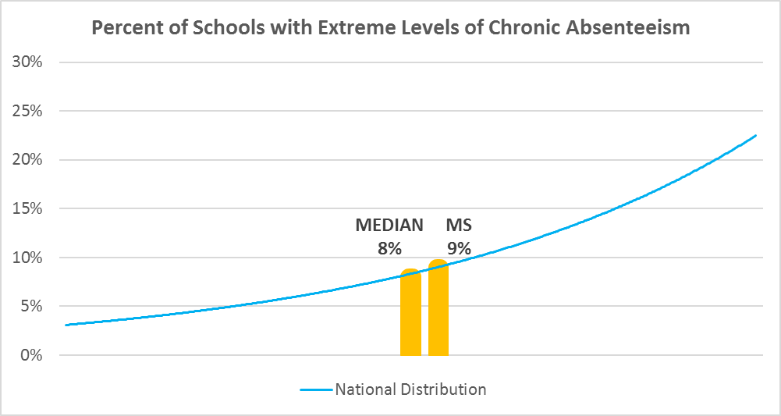

Chronic Absence Levels for Mississippi Schools Vary by Grades Served

Chronic Absence Concentration and Grade Level | Elementary | Middle | High | Other | Total
Extreme Chronic Absence (30%+) | 2 | 10 | 61 | 15 | 88
High Chronic Absence (20-29.9%) | 43 | 23 | 57 | 9 | 132
Significant Chronic Absence (10-19.9%) | 194 | 87 | 37 | 24 | 342
Modest Chronic Absence (5-9.9%) | 87 | 35 | 17 | 6 | 145
Low Chronic Absence (0-4.9%) | 119 | 42 | 52 | 28 | 241
Grand Total (n) | 445 | 197 | 224 | 82 | 948
 | Elementary | Middle | High | Other
Extreme Chronic Absence (30%+) | 0% | 5% | 27% | 18%
High Chronic Absence (20-29.9%) | 10% | 12% | 25% | 11%
Significant Chronic Absence (10-19.9%) | 44% | 44% | 17% | 29%
Modest Chronic Absence (5-9.9%) | 20% | 18% | 8% | 7%
Low Chronic Absence (0-4.9%) | 27% | 21% | 23% | 34%

Chronic Absence Levels for Mississippi Schools Vary by School Type
Chronic Absence Concentration and School Type | Regular | Special Ed. | Vocational | Alternative | Total
Extreme Chronic Absence (30%+) | 79 | 0 | 3 | 6 | 88
High Chronic Absence (20-29.9%) | 129 | 2 | 0 | 1 | 132
Significant Chronic Absence (10-19.9%) | 336 | 1 | 1 | 4 | 342
Modest Chronic Absence (5-9.9%) | 143 | 0 | 1 | 1 | 145
Low Chronic Absence (0-4.9%) | 210 | 0 | 19 | 12 | 241
Grand Total (n) | 897 | 3 | 24 | 24 | 948
 | Regular | Special Ed. | Vocational | Alternative
Extreme Chronic Absence (30%+) | 9% | 0% | 13% | 25%
High Chronic Absence (20-29.9%) | 14% | 67% | 0% | 4%
Significant Chronic Absence (10-19.9%) | 37% | 33% | 4% | 17%
Modest Chronic Absence (5-9.9%) | 16% | 0% | 4% | 4%
Low Chronic Absence (0-4.9%) | 23% | 0% | 79% | 50%

Mississippi Schools Serving More Students in Poverty Have Higher Chronic Absence Levels
Chronic Absence Concentration and Poverty Level | >=75% | 50-74% | 25-49% | 0-24% | Total
Extreme Chronic Absence (30%+) | 44 | 27 | 6 | 1 | 78
High Chronic Absence (20-29.9%) | 66 | 52 | 9 | 2 | 129
Significant Chronic Absence (10-19.9%) | 181 | 112 | 39 | 4 | 336
Modest Chronic Absence (5-9.9%) | 84 | 39 | 14 | 6 | 143
Low Chronic Absence (0-4.9%) | 138 | 54 | 10 | 1 | 203
Grand Total (n) | 513 | 284 | 78 | 14 | 889
 | >=75% | 50-74% | 25-49% | 0-24%
Extreme Chronic Absence (30%+) | 9% | 10% | 8% | 7%
High Chronic Absence (20-29.9%) | 13% | 18% | 12% | 14%
Significant Chronic Absence (10-19.9%) | 35% | 39% | 50% | 29%
Modest Chronic Absence (5-9.9%) | 16% | 14% | 18% | 43%
Low Chronic Absence (0-4.9%) | 27% | 19% | 13% | 7%

Distribution of Chronic Absence Levels for Mississippi Schools Across Different Locales
Chronic Absence Concentration and Locale | City | Suburb | Town | Rural | Total
Extreme Chronic Absence (30%+) | 12 | 9 | 30 | 37 | 88
High Chronic Absence (20-29.9%) | 17 | 14 | 26 | 75 | 132
Significant Chronic Absence (10-19.9%) | 48 | 44 | 91 | 159 | 342
Modest Chronic Absence (5-9.9%) | 15 | 16 | 46 | 68 | 145
Low Chronic Absence (0-4.9%) | 13 | 8 | 86 | 134 | 241
Grand Total (n) | 105 | 91 | 279 | 473 | 948
 | City | Suburb | Town | Rural
Extreme Chronic Absence (30%+) | 11% | 10% | 11% | 8%
High Chronic Absence (20-29.9%) | 16% | 15% | 9% | 16%
Significant Chronic Absence (10-19.9%) | 46% | 48% | 33% | 34%
Modest Chronic Absence (5-9.9%) | 14% | 18% | 16% | 14%
Low Chronic Absence (0-4.9%) | 12% | 9% | 31% | 28%

