LA
Distribution of Chronic Absence Levels Across Schools in Louisiana
Louisiana

Chronic Absence Level Concentrations in Louisiana Schools | Number of Schools | Percent
Extreme Chronic Absence (30%+) | 205 | 16%
High Chronic Absence (20-29.9%) | 319 | 25%
Significant Chronic Absence (10-19.9%) | 520 | 41%
Modest Chronic Absence (5-9.9%) | 167 | 13%
Low Chronic Absence (0-4.9%) | 68 | 5%
Grand Total (n) | 1,279

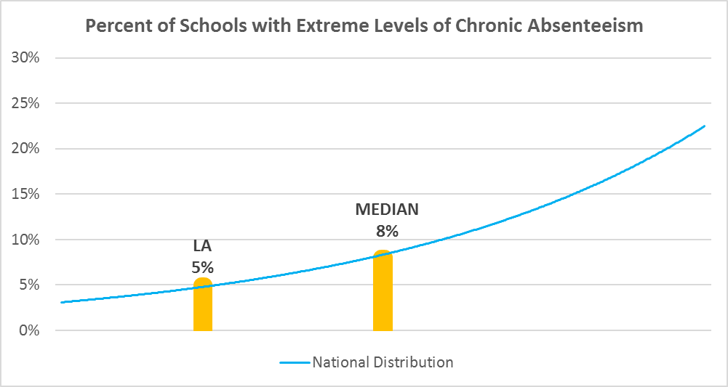

Chronic Absence Levels for Lousiana Schools Vary by Grades Served

Chronic Absence Concentration and Grade Level | Elementary | Middle | High | Other | Total
Extreme Chronic Absence (30%+) | 12 | 10 | 38 | 8 | 68
High Chronic Absence (20-29.9%) | 63 | 28 | 58 | 18 | 167
Significant Chronic Absence (10-19.9%) | 275 | 112 | 87 | 46 | 520
Modest Chronic Absence (5-9.9%) | 229 | 51 | 21 | 18 | 319
Low Chronic Absence (0-4.9%) | 132 | 24 | 21 | 28 | 205
Grand Total (n) | 711 | 225 | 225 | 118 | 1279
 | Elementary | Middle | High | Other
Extreme Chronic Absence (30%+) | 2% | 4% | 17% | 7%
High Chronic Absence (20-29.9%) | 9% | 12% | 26% | 15%
Significant Chronic Absence (10-19.9%) | 39% | 50% | 39% | 39%
Modest Chronic Absence (5-9.9%) | 32% | 23% | 9% | 15%
Low Chronic Absence (0-4.9%) | 19% | 11% | 9% | 24%

Chronic Absence Levels for Louisiana Schools Vary by School Type
Chronic Absence Concentration and School Type | Regular | Special Ed. | Vocational | Alternative | Total
Extreme Chronic Absence (30%+) | 51 | 3 | 0 | 14 | 68
High Chronic Absence (20-29.9%) | 154 | 2 | 1 | 10 | 167
Significant Chronic Absence (10-19.9%) | 504 | 2 | 1 | 13 | 520
Modest Chronic Absence (5-9.9%) | 315 | 0 | 0 | 4 | 319
Low Chronic Absence (0-4.9%) | 166 | 3 | 0 | 36 | 205
Grand Total (n) | 1190 | 10 | 2 | 77 | 1279
 | Regular | Special Ed. | Vocational | Alternative
Extreme Chronic Absence (30%+) | 4% | 30% | 0% | 18%
High Chronic Absence (20-29.9%) | 13% | 20% | 50% | 13%
Significant Chronic Absence (10-19.9%) | 42% | 20% | 50% | 17%
Modest Chronic Absence (5-9.9%) | 26% | 0% | 0% | 5%
Low Chronic Absence (0-4.9%) | 14% | 30% | 0% | 47%

Louisiana Schools Serving More Students in Poverty Have Higher Chronic Absence Levels
Chronic Absence Concentration and Poverty Level | >=75% | 50-74% | 25-49% | 0-24% | Total
Extreme Chronic Absence (30%+) | 48 | 19 | 1 | 0 | 68
High Chronic Absence (20-29.9%) | 98 | 55 | 13 | 1 | 167
Significant Chronic Absence (10-19.9%) | 255 | 202 | 59 | 4 | 520
Modest Chronic Absence (5-9.9%) | 132 | 105 | 72 | 10 | 319
Low Chronic Absence (0-4.9%) | 73 | 66 | 50 | 15 | 204
Grand Total (n) | 606 | 447 | 195 | 30 | 1278
 | >=75% | 50-74% | 25-49% | 0-24%
Extreme Chronic Absence (30%+) | 8% | 4% | 1% | 0%
High Chronic Absence (20-29.9%) | 16% | 12% | 7% | 3%
Significant Chronic Absence (10-19.9%) | 42% | 45% | 30% | 13%
Modest Chronic Absence (5-9.9%) | 22% | 23% | 37% | 33%
Low Chronic Absence (0-4.9%) | 12% | 15% | 26% | 50%

Distribution of Chronic Absence Levels for Louisiana Schools Across Different Locales
Chronic Absence Concentration and Locale | City | Suburb | Town | Rural | Total
Extreme Chronic Absence (30%+) | 35 | 18 | 9 | 6 | 68
High Chronic Absence (20-29.9%) | 39 | 37 | 39 | 52 | 167
Significant Chronic Absence (10-19.9%) | 100 | 114 | 120 | 186 | 520
Modest Chronic Absence (5-9.9%) | 72 | 94 | 38 | 115 | 319
Low Chronic Absence (0-4.9%) | 85 | 57 | 13 | 50 | 205
Grand Total (n) | 331 | 320 | 219 | 409 | 1279
 | City | Suburb | Town | Rural
Extreme Chronic Absence (30%+) | 11% | 6% | 4% | 1%
High Chronic Absence (20-29.9%) | 12% | 12% | 18% | 13%
Significant Chronic Absence (10-19.9%) | 30% | 36% | 55% | 45%
Modest Chronic Absence (5-9.9%) | 22% | 29% | 17% | 28%
Low Chronic Absence (0-4.9%) | 26% | 18% | 6% | 12%

