IL
Distribution of Chronic Absence Levels Across Schools in Illinois
Illinois

Chronic Absence Level Concentrations in Illinois Schools | Number of Schools | Percent
Extreme Chronic Absence (30%+) | 329 | 8%
High Chronic Absence (20-29.9%) | 378 | 10%
Significant Chronic Absence (10-19.9%) | 1,086 | 27%
Modest Chronic Absence (5-9.9%) | 791 | 20%
Low Chronic Absence (0-4.9%) | 1,378 | 35%
Grand Total (n) | 3,962

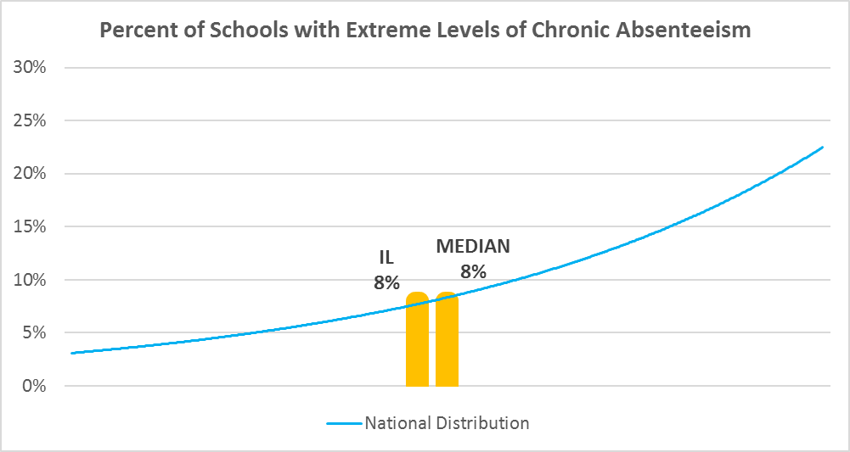

Chronic Absence Levels for Illinois Schools Vary by Grades Served

Chronic Absence Concentration and Grade Level | Elementary | Middle | High | Other | Total
Extreme Chronic Absence (30%+) | 47 | 40 | 191 | 51 | 329
High Chronic Absence (20-29.9%) | 172 | 68 | 122 | 16 | 378
Significant Chronic Absence (10-19.9%) | 635 | 253 | 172 | 26 | 1086
Modest Chronic Absence (5-9.9%) | 568 | 139 | 74 | 10 | 791
Low Chronic Absence (0-4.9%) | 923 | 246 | 172 | 37 | 1378
Grand Total (n) | 2345 | 746 | 731 | 140 | 3962
 | Elementary | Middle | High | Other
Extreme Chronic Absence (30%+) | 2% | 5% | 26% | 36%
High Chronic Absence (20-29.9%) | 7% | 9% | 17% | 11%
Significant Chronic Absence (10-19.9%) | 27% | 34% | 24% | 19%
Modest Chronic Absence (5-9.9%) | 24% | 19% | 10% | 7%
Low Chronic Absence (0-4.9%) | 39% | 33% | 24% | 26%

Chronic Absence Levels for Illinois Schools Vary by School Type
Chronic Absence Concentration and School Type | Regular | Special Ed. | Vocational | Alternative | Total
Extreme Chronic Absence (30%+) | 242 | 48 | 0 | 39 | 329
High Chronic Absence (20-29.9%) | 354 | 13 | 0 | 11 | 378
Significant Chronic Absence (10-19.9%) | 1067 | 10 | 0 | 9 | 1086
Modest Chronic Absence (5-9.9%) | 782 | 4 | 0 | 5 | 791
Low Chronic Absence (0-4.9%) | 1326 | 30 | 0 | 22 | 1378
Grand Total (n) | 3771 | 105 | 0 | 86 | 3962
 | Regular | Special Ed. | Vocational | Alternative
Extreme Chronic Absence (30%+) | 6% | 46% | #DIV/0! | 45%
High Chronic Absence (20-29.9%) | 9% | 12% | #DIV/0! | 13%
Significant Chronic Absence (10-19.9%) | 28% | 10% | #DIV/0! | 10%
Modest Chronic Absence (5-9.9%) | 21% | 4% | #DIV/0! | 6%
Low Chronic Absence (0-4.9%) | 35% | 29% | #DIV/0! | 26%

Illinois Schools Serving More Students in Poverty Have Higher Chronic Absence Levels
Chronic Absence Concentration and Poverty Level | >=75% | 50-74% | 25-49% | 0-24% | Total
Extreme Chronic Absence (30%+) | 168 | 83 | 53 | 17 | 321
High Chronic Absence (20-29.9%) | 147 | 105 | 92 | 31 | 375
Significant Chronic Absence (10-19.9%) | 288 | 278 | 341 | 165 | 1072
Modest Chronic Absence (5-9.9%) | 141 | 159 | 234 | 244 | 778
Low Chronic Absence (0-4.9%) | 272 | 307 | 422 | 348 | 1349
Grand Total (n) | 1016 | 932 | 1142 | 805 | 3895
 | >=75% | 50-74% | 25-49% | 0-24%
Extreme Chronic Absence (30%+) | 17% | 9% | 5% | 2%
High Chronic Absence (20-29.9%) | 14% | 11% | 8% | 4%
Significant Chronic Absence (10-19.9%) | 28% | 30% | 30% | 20%
Modest Chronic Absence (5-9.9%) | 14% | 17% | 20% | 30%
Low Chronic Absence (0-4.9%) | 27% | 33% | 37% | 43%

Distribution of Chronic Absence Levels for Illinois Schools Across Different Locales
Chronic Absence Concentration and Locale | City | Suburb | Town | Rural | Total
Extreme Chronic Absence (30%+) | 132 | 116 | 45 | 36 | 329
High Chronic Absence (20-29.9%) | 107 | 145 | 56 | 70 | 378
Significant Chronic Absence (10-19.9%) | 246 | 485 | 152 | 203 | 1086
Modest Chronic Absence (5-9.9%) | 174 | 359 | 72 | 186 | 791
Low Chronic Absence (0-4.9%) | 307 | 520 | 212 | 339 | 1378
Grand Total (n) | 966 | 1625 | 537 | 834 | 3962
 | City | Suburb | Town | Rural
Extreme Chronic Absence (30%+) | 14% | 7% | 8% | 4%
High Chronic Absence (20-29.9%) | 11% | 9% | 10% | 8%
Significant Chronic Absence (10-19.9%) | 25% | 30% | 28% | 24%
Modest Chronic Absence (5-9.9%) | 18% | 22% | 13% | 22%
Low Chronic Absence (0-4.9%) | 32% | 32% | 39% | 41%

