ID
Distribution of Chronic Absence Levels Across Schools in Idaho
Idaho

Chronic Absence Level Concentrations in Idaho Schools | Number of Schools | Percent
Extreme Chronic Absence (30%+) | 41 | 6%
High Chronic Absence (20-29.9%) | 54 | 8%
Significant Chronic Absence (10-19.9%) | 156 | 23%
Modest Chronic Absence (5-9.9%) | 146 | 21%
Low Chronic Absence (0-4.9%) | 283 | 42%
Grand Total (n) | 680

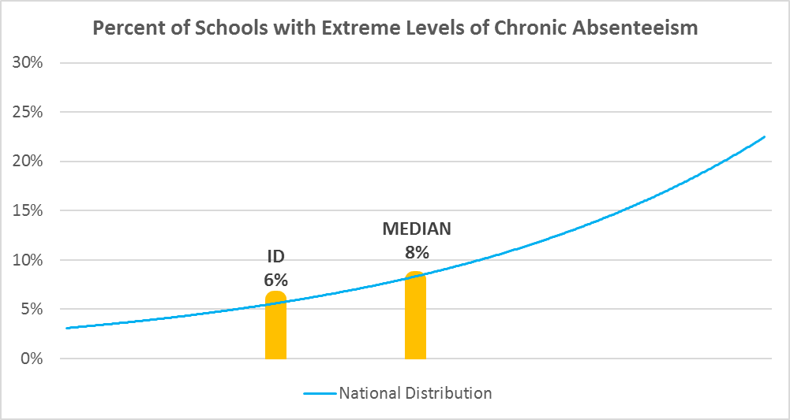

Chronic Absence Levels for Idaho Schools Vary by Grades Served

Chronic Absence Concentration and Grade Level | Elementary | Middle | High | Other | Total
Extreme Chronic Absence (30%+) | 6 | 7 | 23 | 5 | 41
High Chronic Absence (20-29.9%) | 26 | 11 | 17 | 0 | 54
Significant Chronic Absence (10-19.9%) | 85 | 34 | 30 | 7 | 156
Modest Chronic Absence (5-9.9%) | 94 | 21 | 23 | 8 | 146
Low Chronic Absence (0-4.9%) | 149 | 43 | 61 | 30 | 283
Grand Total (n) | 360 | 116 | 154 | 50 | 680
 | Elementary | Middle | High | Other
Extreme Chronic Absence (30%+) | 2% | 6% | 15% | 10%
High Chronic Absence (20-29.9%) | 7% | 9% | 11% | 0%
Significant Chronic Absence (10-19.9%) | 24% | 29% | 19% | 14%
Modest Chronic Absence (5-9.9%) | 26% | 18% | 15% | 16%
Low Chronic Absence (0-4.9%) | 41% | 37% | 40% | 60%

Chronic Absence Levels for Idaho Schools Vary by School Type
Chronic Absence Concentration and School Type | Regular | Special Ed. | Vocational | Alternative | Total
Extreme Chronic Absence (30%+) | 22 | 1 | 0 | 18 | 41
High Chronic Absence (20-29.9%) | 47 | 1 | 0 | 6 | 54
Significant Chronic Absence (10-19.9%) | 151 | 2 | 0 | 3 | 156
Modest Chronic Absence (5-9.9%) | 139 | 0 | 0 | 7 | 146
Low Chronic Absence (0-4.9%) | 267 | 2 | 1 | 13 | 283
Grand Total (n) | 626 | 6 | 1 | 47 | 680
 | Regular | Special Ed. | Vocational | Alternative
Extreme Chronic Absence (30%+) | 4% | 17% | 0% | 38%
High Chronic Absence (20-29.9%) | 8% | 17% | 0% | 13%
Significant Chronic Absence (10-19.9%) | 24% | 33% | 0% | 6%
Modest Chronic Absence (5-9.9%) | 22% | 0% | 0% | 15%
Low Chronic Absence (0-4.9%) | 43% | 33% | 100% | 28%

Idaho Schools Serving More Students in Poverty Have Higher Chronic Absence Levels
Chronic Absence Concentration and Poverty Level | >=75% | 50-74% | 25-49% | 0-24% | Total
Extreme Chronic Absence (30%+) | 7 | 17 | 16 | 0 | 40
High Chronic Absence (20-29.9%) | 3 | 27 | 23 | 0 | 53
Significant Chronic Absence (10-19.9%) | 12 | 68 | 58 | 17 | 155
Modest Chronic Absence (5-9.9%) | 9 | 82 | 44 | 6 | 141
Low Chronic Absence (0-4.9%) | 17 | 106 | 124 | 31 | 278
Grand Total (n) | 48 | 300 | 265 | 54 | 667
 | >=75% | 50-74% | 25-49% | 0-24%
Extreme Chronic Absence (30%+) | 15% | 6% | 6% | 0%
High Chronic Absence (20-29.9%) | 6% | 9% | 9% | 0%
Significant Chronic Absence (10-19.9%) | 25% | 23% | 22% | 31%
Modest Chronic Absence (5-9.9%) | 19% | 27% | 17% | 11%
Low Chronic Absence (0-4.9%) | 35% | 35% | 47% | 57%

Distribution of Chronic Absence Levels for Idaho Schools Across Different Locales
Chronic Absence Concentration and Locale | City | Suburb | Town | Rural | Total
Extreme Chronic Absence (30%+) | 7 | 8 | 9 | 17 | 41
High Chronic Absence (20-29.9%) | 9 | 10 | 15 | 20 | 54
Significant Chronic Absence (10-19.9%) | 29 | 40 | 41 | 46 | 156
Modest Chronic Absence (5-9.9%) | 16 | 30 | 38 | 62 | 146
Low Chronic Absence (0-4.9%) | 58 | 42 | 61 | 122 | 283
Grand Total (n) | 119 | 130 | 164 | 267 | 680
 | City | Suburb | Town | Rural
Extreme Chronic Absence (30%+) | 6% | 6% | 5% | 6%
High Chronic Absence (20-29.9%) | 8% | 8% | 9% | 7%
Significant Chronic Absence (10-19.9%) | 24% | 31% | 25% | 17%
Modest Chronic Absence (5-9.9%) | 13% | 23% | 23% | 23%
Low Chronic Absence (0-4.9%) | 49% | 32% | 37% | 46%

