HI
Distribution of Chronic Absence Levels Across Schools in Hawaii
Hawaii

Chronic Absence Level Concentrations in Hawaii Schools | Number of Schools | Percent
Extreme Chronic Absence (30%+) | 47 | 16%
High Chronic Absence (20-29.9%) | 73 | 25%
Significant Chronic Absence (10-19.9%) | 135 | 47%
Modest Chronic Absence (5-9.9%) | 25 | 9%
Low Chronic Absence (0-4.9%) | 7 | 2%
Grand Total (n) | 287

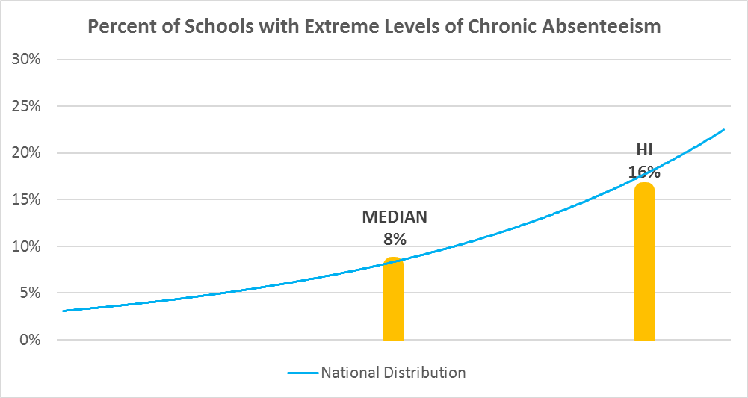

Chronic Absence Levels for Hawaii Schools Vary by Grades Served

Chronic Absence Concentration and Grade Level | Elementary | Middle | High | Other | Total
Extreme Chronic Absence (30%+) | 21 | 3 | 12 | 11 | 47
High Chronic Absence (20-29.9%) | 36 | 13 | 19 | 5 | 73
Significant Chronic Absence (10-19.9%) | 103 | 20 | 9 | 3 | 135
Modest Chronic Absence (5-9.9%) | 17 | 4 | 0 | 4 | 25
Low Chronic Absence (0-4.9%) | 3 | 0 | 0 | 4 | 7
Grand Total (n) | 180 | 40 | 40 | 27 | 287
 | Elementary | Middle | High | Other
Extreme Chronic Absence (30%+) | 12% | 8% | 30% | 41%
High Chronic Absence (20-29.9%) | 20% | 33% | 48% | 19%
Significant Chronic Absence (10-19.9%) | 57% | 50% | 23% | 11%
Modest Chronic Absence (5-9.9%) | 9% | 10% | 0% | 15%
Low Chronic Absence (0-4.9%) | 2% | 0% | 0% | 15%

Chronic Absence Levels for Hawaii Schools Vary by School Type
Chronic Absence Concentration and School Type | Regular | Special Ed. | Vocational | Alternative | Total
Extreme Chronic Absence (30%+) | 45 | 1 | 0 | 1 | 47
High Chronic Absence (20-29.9%) | 73 | 0 | 0 | 0 | 73
Significant Chronic Absence (10-19.9%) | 135 | 0 | 0 | 0 | 135
Modest Chronic Absence (5-9.9%) | 25 | 0 | 0 | 0 | 25
Low Chronic Absence (0-4.9%) | 7 | 0 | 0 | 0 | 7
Grand Total (n) | 285 | 1 | 0 | 1 | 287
 | Regular | Special Ed. | Vocational | Alternative
Extreme Chronic Absence (30%+) | 16% | 100% | #DIV/0! | 100%
High Chronic Absence (20-29.9%) | 26% | 0% | #DIV/0! | 0%
Significant Chronic Absence (10-19.9%) | 47% | 0% | #DIV/0! | 0%
Modest Chronic Absence (5-9.9%) | 9% | 0% | #DIV/0! | 0%
Low Chronic Absence (0-4.9%) | 2% | 0% | #DIV/0! | 0%

Hawaii Schools Serving More Students in Poverty Have Higher Chronic Absence Levels
Chronic Absence Concentration and Poverty Level | >=75% | 50-74% | 25-49% | 0-24% | Total
Extreme Chronic Absence (30%+) | 23 | 20 | 4 | 0 | 47
High Chronic Absence (20-29.9%) | 18 | 36 | 18 | 1 | 73
Significant Chronic Absence (10-19.9%) | 11 | 64 | 47 | 13 | 135
Modest Chronic Absence (5-9.9%) | 1 | 3 | 10 | 11 | 25
Low Chronic Absence (0-4.9%) | 0 | 0 | 1 | 6 | 7
Grand Total (n) | 53 | 123 | 80 | 31 | 287
 | >=75% | 50-74% | 25-49% | 0-24%
Extreme Chronic Absence (30%+) | 43% | 16% | 5% | 0%
High Chronic Absence (20-29.9%) | 34% | 29% | 23% | 3%
Significant Chronic Absence (10-19.9%) | 21% | 52% | 59% | 42%
Modest Chronic Absence (5-9.9%) | 2% | 2% | 13% | 35%
Low Chronic Absence (0-4.9%) | 0% | 0% | 1% | 19%

Distribution of Chronic Absence Levels for Hawaii Schools Across Different Locales
Chronic Absence Concentration and Locale | City | Suburb | Town | Rural | Total
Extreme Chronic Absence (30%+) | 6 | 10 | 21 | 10 | 47
High Chronic Absence (20-29.9%) | 16 | 17 | 20 | 20 | 73
Significant Chronic Absence (10-19.9%) | 34 | 64 | 30 | 7 | 135
Modest Chronic Absence (5-9.9%) | 10 | 11 | 3 | 1 | 25
Low Chronic Absence (0-4.9%) | 3 | 3 | 0 | 1 | 7
Grand Total (n) | 69 | 105 | 74 | 39 | 287
 | City | Suburb | Town | Rural
Extreme Chronic Absence (30%+) | 9% | 10% | 28% | 26%
High Chronic Absence (20-29.9%) | 23% | 16% | 27% | 51%
Significant Chronic Absence (10-19.9%) | 49% | 61% | 41% | 18%
Modest Chronic Absence (5-9.9%) | 14% | 10% | 4% | 3%
Low Chronic Absence (0-4.9%) | 4% | 3% | 0% | 3%

