AZ
Distribution of Chronic Absence Levels Across Schools in Arizona
Arizona

Chronic Absence Level Concentrations in Arizona Schools | Number of Schools | Percent
Extreme Chronic Absence (30%+) | 251 | 14%
High Chronic Absence (20-29.9%) | 396 | 21%
Significant Chronic Absence (10-19.9%) | 563 | 30%
Modest Chronic Absence (5-9.9%) | 180 | 10%
Low Chronic Absence (0-4.9%) | 467 | 25%
Grand Total (n) | 1,857

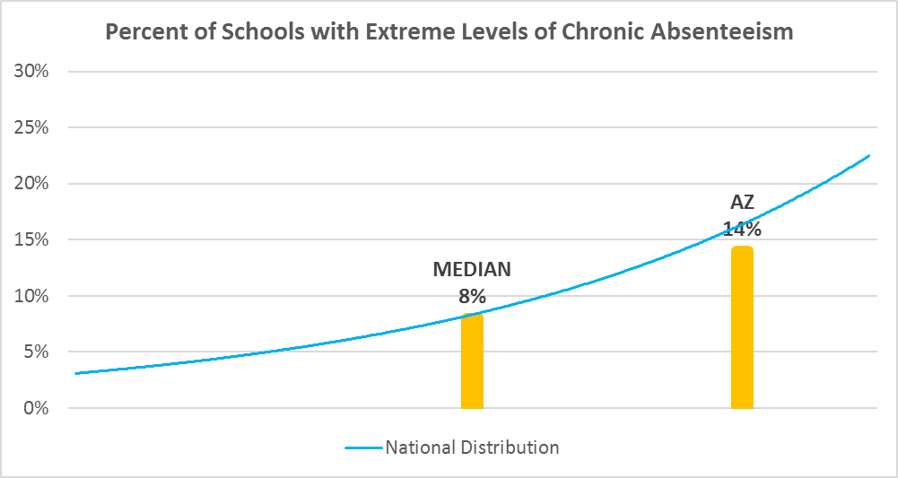

Chronic Absence Levels for Arizona Schools Vary by Grades Served

Chronic Absence Concentration and Grade Level | Elementary | Middle | High | Other | Total
Extreme Chronic Absence (30%+) | 89 | 46 | 100 | 16 | 251
High Chronic Absence (20-29.9%) | 274 | 58 | 55 | 9 | 396
Significant Chronic Absence (10-19.9%) | 420 | 64 | 57 | 22 | 563
Modest Chronic Absence (5-9.9%) | 108 | 15 | 38 | 19 | 180
Low Chronic Absence (0-4.9%) | 200 | 46 | 153 | 68 | 467
Grand Total (n) | 1091 | 229 | 403 | 134 | 1857
 | Elementary | Middle | High | Other
Extreme Chronic Absence (30%+) | 8% | 20% | 25% | 12%
High Chronic Absence (20-29.9%) | 25% | 25% | 14% | 7%
Significant Chronic Absence (10-19.9%) | 38% | 28% | 14% | 16%
Modest Chronic Absence (5-9.9%) | 10% | 7% | 9% | 14%
Low Chronic Absence (0-4.9%) | 18% | 20% | 38% | 51%

Chronic Absence Levels for Arizona Schools Vary by School Type
Chronic Absence Concentration and School Type | Regular | Special Ed. | Vocational | Alternative | Total
Extreme Chronic Absence (30%+) | 234 | 4 | 2 | 11 | 251
High Chronic Absence (20-29.9%) | 391 | 0 | 0 | 5 | 396
Significant Chronic Absence (10-19.9%) | 559 | 0 | 0 | 4 | 563
Modest Chronic Absence (5-9.9%) | 178 | 0 | 0 | 2 | 180
Low Chronic Absence (0-4.9%) | 445 | 7 | 1 | 14 | 467
Grand Total (n) | 1807 | 11 | 3 | 36 | 1857
 | Regular | Special Ed. | Vocational | Alternative
Extreme Chronic Absence (30%+) | 13% | 36% | 67% | 31%
High Chronic Absence (20-29.9%) | 22% | 0% | 0% | 14%
Significant Chronic Absence (10-19.9%) | 31% | 0% | 0% | 11%
Modest Chronic Absence (5-9.9%) | 10% | 0% | 0% | 6%
Low Chronic Absence (0-4.9%) | 25% | 64% | 33% | 39%

Arizona Schools Serving More Students in Poverty Have Higher Chronic Absence Levels
Chronic Absence Concentration and Poverty Level | >=75% | 50-74% | 25-49% | 0-24% | Total
Extreme Chronic Absence (30%+) | 90 | 73 | 26 | 35 | 224
High Chronic Absence (20-29.9%) | 170 | 117 | 53 | 34 | 374
Significant Chronic Absence (10-19.9%) | 165 | 127 | 135 | 105 | 532
Modest Chronic Absence (5-9.9%) | 48 | 25 | 39 | 47 | 159
Low Chronic Absence (0-4.9%) | 127 | 90 | 61 | 88 | 366
Grand Total (n) | 600 | 432 | 314 | 309 | 1655
 | >=75% | 50-74% | 25-49% | 0-24%
Extreme Chronic Absence (30%+) | 15% | 17% | 8% | 11%
High Chronic Absence (20-29.9%) | 28% | 27% | 17% | 11%
Significant Chronic Absence (10-19.9%) | 28% | 29% | 43% | 34%
Modest Chronic Absence (5-9.9%) | 8% | 6% | 12% | 15%
Low Chronic Absence (0-4.9%) | 21% | 21% | 19% | 28%

Distribution of Chronic Absence Levels for Arizona Schools Across Different Locales
Chronic Absence Concentration and Locale | City | Suburb | Town | Rural | Total
Extreme Chronic Absence (30%+) | 107 | 44 | 43 | 57 | 251
High Chronic Absence (20-29.9%) | 202 | 87 | 52 | 55 | 396
Significant Chronic Absence (10-19.9%) | 288 | 169 | 56 | 50 | 563
Modest Chronic Absence (5-9.9%) | 78 | 50 | 24 | 28 | 180
Low Chronic Absence (0-4.9%) | 197 | 102 | 72 | 96 | 467
Grand Total (n) | 872 | 452 | 247 | 286 | 1857
 | City | Suburb | Town | Rural
Extreme Chronic Absence (30%+) | 12% | 10% | 17% | 20%
High Chronic Absence (20-29.9%) | 23% | 19% | 21% | 19%
Significant Chronic Absence (10-19.9%) | 33% | 37% | 23% | 17%
Modest Chronic Absence (5-9.9%) | 9% | 11% | 10% | 10%
Low Chronic Absence (0-4.9%) | 23% | 23% | 29% | 34%

