VA
Distribution of Chronic Absence Levels Across Schools in Virginia
Virginia

Chronic Absence Level Concentrations in Virginia Schools | Number of Schools | Percent
Extreme Chronic Absence (30%+) | 84 | 5%
High Chronic Absence (20-29.9%) | 147 | 8%
Significant Chronic Absence (10-19.9%) | 673 | 37%
Modest Chronic Absence (5-9.9%) | 691 | 38%
Low Chronic Absence (0-4.9%) | 245 | 13%
Grand Total (n) | 1,840

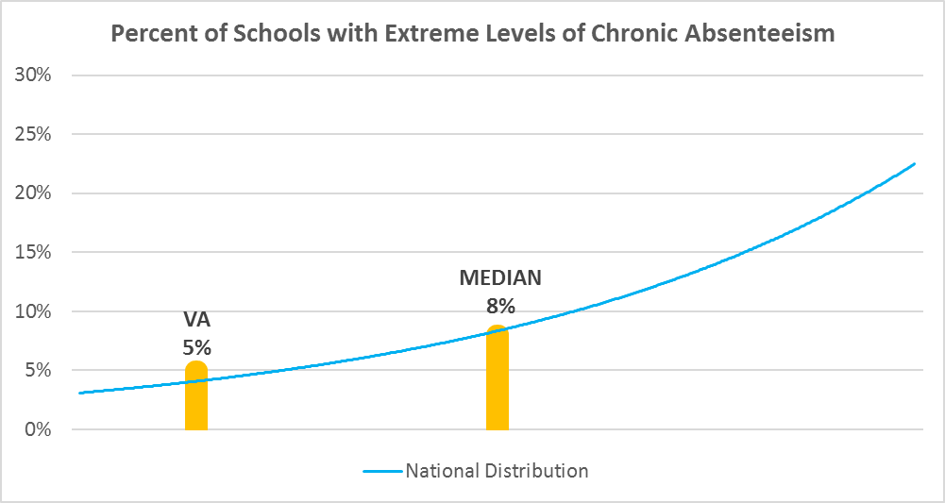

Chronic Absence Levels for Virginia Schools Vary by Grades Served

Chronic Absence Concentration and Grade Level | Elementary | Middle | High | Other | Total
Extreme Chronic Absence (30%+) | 25 | 12 | 42 | 5 | 84
High Chronic Absence (20-29.9%) | 35 | 32 | 80 | 0 | 147
Significant Chronic Absence (10-19.9%) | 354 | 170 | 139 | 10 | 673
Modest Chronic Absence (5-9.9%) | 541 | 106 | 41 | 3 | 691
Low Chronic Absence (0-4.9%) | 190 | 28 | 22 | 5 | 245
Grand Total (n) | 1145 | 348 | 324 | 23 | 1840
 | Elementary | Middle | High | Other
Extreme Chronic Absence (30%+) | 2% | 3% | 13% | 22%
High Chronic Absence (20-29.9%) | 3% | 9% | 25% | 0%
Significant Chronic Absence (10-19.9%) | 31% | 49% | 43% | 43%
Modest Chronic Absence (5-9.9%) | 47% | 30% | 13% | 13%
Low Chronic Absence (0-4.9%) | 17% | 8% | 7% | 22%

Chronic Absence Levels for Virginia Schools Vary by School Type
Chronic Absence Concentration and School Type | Regular | Special Ed. | Vocational | Alternative | Total
Extreme Chronic Absence (30%+) | 72 | 3 | 4 | 5 | 84
High Chronic Absence (20-29.9%) | 146 | 0 | 1 | 0 | 147
Significant Chronic Absence (10-19.9%) | 672 | 0 | 0 | 1 | 673
Modest Chronic Absence (5-9.9%) | 690 | 0 | 0 | 1 | 691
Low Chronic Absence (0-4.9%) | 237 | 2 | 5 | 1 | 245
Grand Total (n) | 1817 | 5 | 10 | 8 | 1840
 | Regular | Special Ed. | Vocational | Alternative
Extreme Chronic Absence (30%+) | 4% | 60% | 40% | 63%
High Chronic Absence (20-29.9%) | 8% | 0% | 10% | 0%
Significant Chronic Absence (10-19.9%) | 37% | 0% | 0% | 13%
Modest Chronic Absence (5-9.9%) | 38% | 0% | 0% | 13%
Low Chronic Absence (0-4.9%) | 13% | 40% | 50% | 13%

Virginia Schools Serving More Students in Poverty Have Higher Chronic Absence Levels
Chronic Absence Concentration and Poverty Level | >=75% | 50-74% | 25-49% | 0-24% | Total
Extreme Chronic Absence (30%+) | 13 | 38 | 26 | 3 | 80
High Chronic Absence (20-29.9%) | 27 | 60 | 47 | 12 | 146
Significant Chronic Absence (10-19.9%) | 80 | 275 | 229 | 84 | 668
Modest Chronic Absence (5-9.9%) | 55 | 160 | 247 | 226 | 688
Low Chronic Absence (0-4.9%) | 17 | 58 | 62 | 103 | 240
Grand Total (n) | 192 | 591 | 611 | 428 | 1822
 | >=75% | 50-74% | 25-49% | 0-24%
Extreme Chronic Absence (30%+) | 7% | 6% | 4% | 1%
High Chronic Absence (20-29.9%) | 14% | 10% | 8% | 3%
Significant Chronic Absence (10-19.9%) | 42% | 47% | 37% | 20%
Modest Chronic Absence (5-9.9%) | 29% | 27% | 40% | 53%
Low Chronic Absence (0-4.9%) | 9% | 10% | 10% | 24%

Distribution of Chronic Absence Levels for Virginia Schools Across Different Locales
Chronic Absence Concentration and Locale | City | Suburb | Town | Rural | Total
Extreme Chronic Absence (30%+) | 48 | 8 | 8 | 20 | 84
High Chronic Absence (20-29.9%) | 43 | 19 | 25 | 60 | 147
Significant Chronic Absence (10-19.9%) | 160 | 201 | 72 | 240 | 673
Modest Chronic Absence (5-9.9%) | 140 | 338 | 34 | 179 | 691
Low Chronic Absence (0-4.9%) | 32 | 100 | 24 | 89 | 245
Grand Total (n) | 423 | 666 | 163 | 588 | 1840
 | City | Suburb | Town | Rural
Extreme Chronic Absence (30%+) | 11% | 1% | 5% | 3%
High Chronic Absence (20-29.9%) | 10% | 3% | 15% | 10%
Significant Chronic Absence (10-19.9%) | 38% | 30% | 44% | 41%
Modest Chronic Absence (5-9.9%) | 33% | 51% | 21% | 30%
Low Chronic Absence (0-4.9%) | 8% | 15% | 15% | 15%

