UT
Distribution of Chronic Absence Levels Across Schools in Utah
Utah

Chronic Absence Level Concentrations in Utah Schools | Number of Schools | Percent
Extreme Chronic Absence (30%+) | 79 | 8%
High Chronic Absence (20-29.9%) | 128 | 13%
Significant Chronic Absence (10-19.9%) | 422 | 44%
Modest Chronic Absence (5-9.9%) | 145 | 15%
Low Chronic Absence (0-4.9%) | 175 | 18%
Grand Total (n) | 949

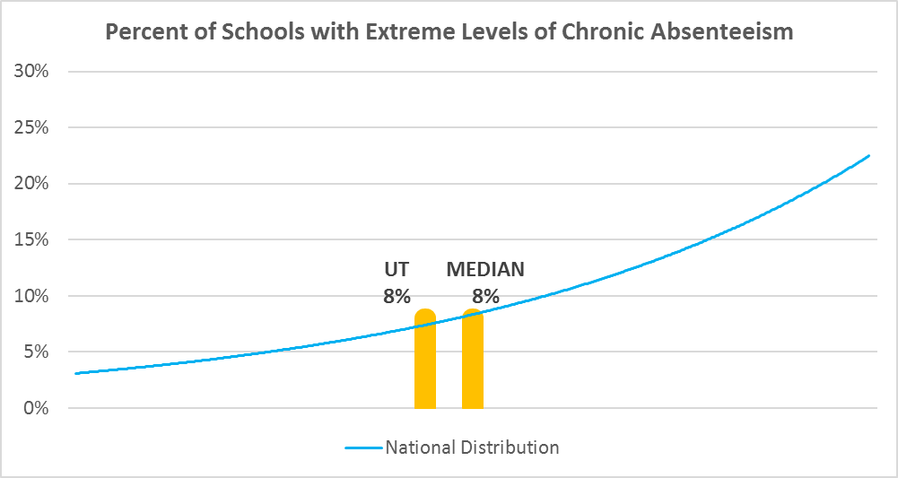

Chronic Absence Levels for Utah Schools Vary by Grades Served

Chronic Absence Concentration and Grade Level | Elementary | Middle | High | Other | Total
Extreme Chronic Absence (30%+) | 18 | 19 | 27 | 15 | 79
High Chronic Absence (20-29.9%) | 75 | 20 | 27 | 6 | 128
Significant Chronic Absence (10-19.9%) | 281 | 60 | 53 | 28 | 422
Modest Chronic Absence (5-9.9%) | 89 | 21 | 19 | 16 | 145
Low Chronic Absence (0-4.9%) | 102 | 18 | 30 | 25 | 175
Grand Total (n) | 565 | 138 | 156 | 90 | 949
 | Elementary | Middle | High | Other
Extreme Chronic Absence (30%+) | 3% | 14% | 17% | 17%
High Chronic Absence (20-29.9%) | 13% | 14% | 17% | 7%
Significant Chronic Absence (10-19.9%) | 50% | 43% | 34% | 31%
Modest Chronic Absence (5-9.9%) | 16% | 15% | 12% | 18%
Low Chronic Absence (0-4.9%) | 18% | 13% | 19% | 28%

Chronic Absence Levels for Utah Schools Vary by School Type
Chronic Absence Concentration and School Type | Regular | Special Ed. | Vocational | Alternative | Total
Extreme Chronic Absence (30%+) | 57 | 7 | 0 | 15 | 79
High Chronic Absence (20-29.9%) | 120 | 3 | 1 | 4 | 128
Significant Chronic Absence (10-19.9%) | 412 | 8 | 0 | 2 | 422
Modest Chronic Absence (5-9.9%) | 139 | 5 | 0 | 1 | 145
Low Chronic Absence (0-4.9%) | 165 | 8 | 0 | 2 | 175
Grand Total (n) | 893 | 31 | 1 | 24 | 949
 | Regular | Special Ed. | Vocational | Alternative
Extreme Chronic Absence (30%+) | 6% | 23% | 0% | 63%
High Chronic Absence (20-29.9%) | 13% | 10% | 100% | 17%
Significant Chronic Absence (10-19.9%) | 46% | 26% | 0% | 8%
Modest Chronic Absence (5-9.9%) | 16% | 16% | 0% | 4%
Low Chronic Absence (0-4.9%) | 18% | 26% | 0% | 8%

Utah Schools Serving More Students in Poverty Have Higher Chronic Absence Levels
Chronic Absence Concentration and Poverty Level | >=75% | 50-74% | 25-49% | 0-24% | Total
Extreme Chronic Absence (30%+) | 12 | 24 | 29 | 14 | 79
High Chronic Absence (20-29.9%) | 18 | 49 | 44 | 16 | 127
Significant Chronic Absence (10-19.9%) | 27 | 110 | 184 | 100 | 421
Modest Chronic Absence (5-9.9%) | 6 | 24 | 56 | 59 | 145
Low Chronic Absence (0-4.9%) | 17 | 22 | 64 | 70 | 173
Grand Total (n) | 80 | 229 | 377 | 259 | 945
 | >=75% | 50-74% | 25-49% | 0-24%
Extreme Chronic Absence (30%+) | 15% | 10% | 8% | 5%
High Chronic Absence (20-29.9%) | 23% | 21% | 12% | 6%
Significant Chronic Absence (10-19.9%) | 34% | 48% | 49% | 39%
Modest Chronic Absence (5-9.9%) | 8% | 10% | 15% | 23%
Low Chronic Absence (0-4.9%) | 21% | 10% | 17% | 27%

Distribution of Chronic Absence Levels for Utah Schools Across Different Locales
Chronic Absence Concentration and Locale | City | Suburb | Town | Rural | Total
Extreme Chronic Absence (30%+) | 27 | 33 | 3 | 16 | 79
High Chronic Absence (20-29.9%) | 27 | 57 | 23 | 21 | 128
Significant Chronic Absence (10-19.9%) | 74 | 249 | 39 | 60 | 422
Modest Chronic Absence (5-9.9%) | 15 | 84 | 16 | 30 | 145
Low Chronic Absence (0-4.9%) | 26 | 70 | 36 | 43 | 175
Grand Total (n) | 169 | 493 | 117 | 170 | 949
 | City | Suburb | Town | Rural
Extreme Chronic Absence (30%+) | 16% | 7% | 3% | 9%
High Chronic Absence (20-29.9%) | 16% | 12% | 20% | 12%
Significant Chronic Absence (10-19.9%) | 44% | 51% | 33% | 35%
Modest Chronic Absence (5-9.9%) | 9% | 17% | 14% | 18%
Low Chronic Absence (0-4.9%) | 15% | 14% | 31% | 25%

