OR
Distribution of Chronic Absence Levels Across Schools in Oregon
Oregon

Chronic Absence Level Concentrations in Oregon Schools | Number of Schools | Percent
Extreme Chronic Absence (30%+) | 260 | 21%
High Chronic Absence (20-29.9%) | 340 | 27%
Significant Chronic Absence (10-19.9%) | 391 | 32%
Modest Chronic Absence (5-9.9%) | 119 | 10%
Low Chronic Absence (0-4.9%) | 130 | 10%
Grand Total (n) | 1,240

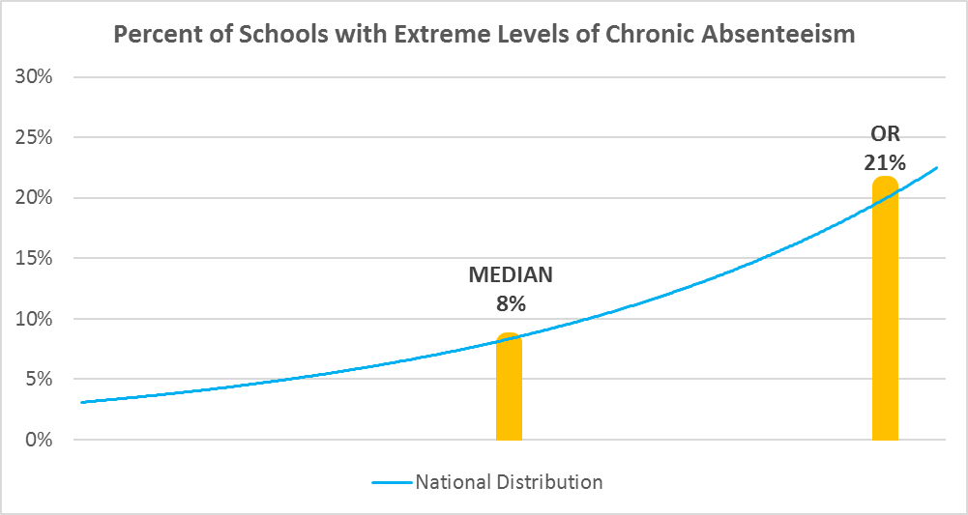

Chronic Absence Levels for Oregon Schools Vary by Grades Served

Chronic Absence Concentration and Grade Level | Elementary | Middle | High | Other | Total
Extreme Chronic Absence (30%+) | 102 | 32 | 108 | 18 | 260
High Chronic Absence (20-29.9%) | 192 | 76 | 59 | 13 | 340
Significant Chronic Absence (10-19.9%) | 274 | 66 | 33 | 18 | 391
Modest Chronic Absence (5-9.9%) | 79 | 16 | 16 | 8 | 119
Low Chronic Absence (0-4.9%) | 56 | 15 | 31 | 28 | 130
Grand Total (n) | 703 | 205 | 247 | 85 | 1240
 | Elementary | Middle | High | Other
Extreme Chronic Absence (30%+) | 15% | 16% | 44% | 21%
High Chronic Absence (20-29.9%) | 27% | 37% | 24% | 15%
Significant Chronic Absence (10-19.9%) | 39% | 32% | 13% | 21%
Modest Chronic Absence (5-9.9%) | 11% | 8% | 6% | 9%
Low Chronic Absence (0-4.9%) | 8% | 7% | 13% | 33%

Chronic Absence Levels for Oregon Schools Vary by School Type
Chronic Absence Concentration and School Type | Regular | Special Ed. | Vocational | Alternative | Total
Extreme Chronic Absence (30%+) | 234 | 0 | 0 | 26 | 260
High Chronic Absence (20-29.9%) | 336 | 0 | 0 | 4 | 340
Significant Chronic Absence (10-19.9%) | 385 | 1 | 0 | 5 | 391
Modest Chronic Absence (5-9.9%) | 119 | 0 | 0 | 0 | 119
Low Chronic Absence (0-4.9%) | 127 | 0 | 0 | 3 | 130
Grand Total (n) | 1201 | 1 | 0 | 38 | 1240
 | Regular | Special Ed. | Vocational | Alternative
Extreme Chronic Absence (30%+) | 19% | 0% | #DIV/0! | 68%
High Chronic Absence (20-29.9%) | 28% | 0% | #DIV/0! | 11%
Significant Chronic Absence (10-19.9%) | 32% | 100% | #DIV/0! | 13%
Modest Chronic Absence (5-9.9%) | 10% | 0% | #DIV/0! | 0%
Low Chronic Absence (0-4.9%) | 11% | 0% | #DIV/0! | 8%

Oregon Schools Serving More Students in Poverty Have Higher Chronic Absence Levels
Chronic Absence Concentration and Poverty Level | >=75% | 50-74% | 25-49% | 0-24% | Total
Extreme Chronic Absence (30%+) | 83 | 105 | 41 | 8 | 237
High Chronic Absence (20-29.9%) | 76 | 160 | 76 | 10 | 322
Significant Chronic Absence (10-19.9%) | 57 | 141 | 122 | 52 | 372
Modest Chronic Absence (5-9.9%) | 11 | 30 | 34 | 38 | 113
Low Chronic Absence (0-4.9%) | 15 | 47 | 14 | 10 | 86
Grand Total (n) | 242 | 483 | 287 | 118 | 1130
 | >=75% | 50-74% | 25-49% | 0-24%
Extreme Chronic Absence (30%+) | 34% | 22% | 14% | 7%
High Chronic Absence (20-29.9%) | 31% | 33% | 26% | 8%
Significant Chronic Absence (10-19.9%) | 24% | 29% | 43% | 44%
Modest Chronic Absence (5-9.9%) | 5% | 6% | 12% | 32%
Low Chronic Absence (0-4.9%) | 6% | 10% | 5% | 8%

Distribution of Chronic Absence Levels for Oregon Schools Across Different Locales
Chronic Absence Concentration and Locale | City | Suburb | Town | Rural | Total
Extreme Chronic Absence (30%+) | 100 | 45 | 57 | 58 | 260
High Chronic Absence (20-29.9%) | 86 | 72 | 101 | 81 | 340
Significant Chronic Absence (10-19.9%) | 122 | 95 | 81 | 93 | 391
Modest Chronic Absence (5-9.9%) | 23 | 36 | 24 | 36 | 119
Low Chronic Absence (0-4.9%) | 8 | 14 | 42 | 66 | 130
Grand Total (n) | 339 | 262 | 305 | 334 | 1240
 | City | Suburb | Town | Rural
Extreme Chronic Absence (30%+) | 29% | 17% | 19% | 17%
High Chronic Absence (20-29.9%) | 25% | 27% | 33% | 24%
Significant Chronic Absence (10-19.9%) | 36% | 36% | 27% | 28%
Modest Chronic Absence (5-9.9%) | 7% | 14% | 8% | 11%
Low Chronic Absence (0-4.9%) | 2% | 5% | 14% | 20%

