OH
Distribution of Chronic Absence Levels Across Schools in Ohio
Ohio

Chronic Absence Level Concentrations in Ohio Schools | Number of Schools | Percent
Extreme Chronic Absence (30%+) | 406 | 12%
High Chronic Absence (20-29.9%) | 474 | 14%
Significant Chronic Absence (10-19.9%) | 1,121 | 32%
Modest Chronic Absence (5-9.9%) | 813 | 23%
Low Chronic Absence (0-4.9%) | 697 | 20%
Grand Total (n) | 3,511

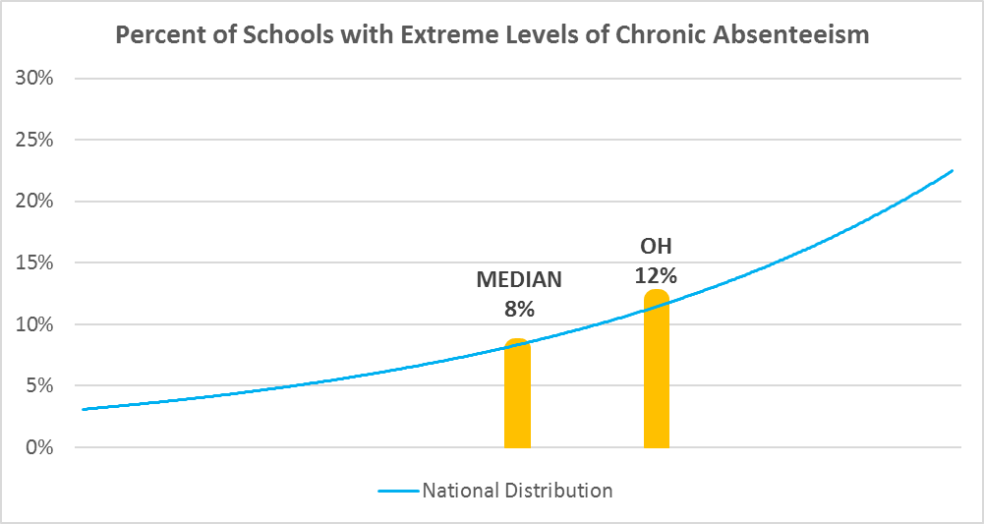

Chronic Absence Levels for Ohio Schools Vary by Grades Served

Chronic Absence Concentration and Grade Level | Elementary | Middle | High | Other | Total
Extreme Chronic Absence (30%+) | 161 | 32 | 170 | 43 | 406
High Chronic Absence (20-29.9%) | 180 | 93 | 177 | 24 | 474
Significant Chronic Absence (10-19.9%) | 494 | 306 | 292 | 29 | 1121
Modest Chronic Absence (5-9.9%) | 526 | 173 | 102 | 12 | 813
Low Chronic Absence (0-4.9%) | 468 | 109 | 93 | 27 | 697
Grand Total (n) | 1829 | 713 | 834 | 135 | 3511
 | Elementary | Middle | High | Other
Extreme Chronic Absence (30%+) | 9% | 4% | 20% | 32%
High Chronic Absence (20-29.9%) | 10% | 13% | 21% | 18%
Significant Chronic Absence (10-19.9%) | 27% | 43% | 35% | 21%
Modest Chronic Absence (5-9.9%) | 29% | 24% | 12% | 9%
Low Chronic Absence (0-4.9%) | 26% | 15% | 11% | 20%

Chronic Absence Levels for Ohio Schools Vary by School Type
Chronic Absence Concentration and School Type | Regular | Special Ed. | Vocational | Alternative | Total
Extreme Chronic Absence (30%+) | 361 | 21 | 20 | 4 | 406
High Chronic Absence (20-29.9%) | 444 | 10 | 20 | 0 | 474
Significant Chronic Absence (10-19.9%) | 1105 | 6 | 10 | 0 | 1121
Modest Chronic Absence (5-9.9%) | 807 | 1 | 5 | 0 | 813
Low Chronic Absence (0-4.9%) | 683 | 8 | 6 | 0 | 697
Grand Total (n) | 3400 | 46 | 61 | 4 | 3511
 | Regular | Special Ed. | Vocational | Alternative
Extreme Chronic Absence (30%+) | 11% | 46% | 33% | 100%
High Chronic Absence (20-29.9%) | 13% | 22% | 33% | 0%
Significant Chronic Absence (10-19.9%) | 33% | 13% | 16% | 0%
Modest Chronic Absence (5-9.9%) | 24% | 2% | 8% | 0%
Low Chronic Absence (0-4.9%) | 20% | 17% | 10% | 0%

Ohio Schools Serving More Students in Poverty Have Higher Chronic Absence Levels
Chronic Absence Concentration and Poverty Level | >=75% | 50-74% | 25-49% | 0-24% | Total
Extreme Chronic Absence (30%+) | 255 | 65 | 14 | 51 | 385
High Chronic Absence (20-29.9%) | 195 | 146 | 68 | 41 | 450
Significant Chronic Absence (10-19.9%) | 200 | 366 | 314 | 222 | 1102
Modest Chronic Absence (5-9.9%) | 65 | 155 | 310 | 272 | 802
Low Chronic Absence (0-4.9%) | 87 | 108 | 182 | 315 | 692
Grand Total (n) | 802 | 840 | 888 | 901 | 3431
 | >=75% | 50-74% | 25-49% | 0-24%
Extreme Chronic Absence (30%+) | 32% | 8% | 2% | 6%
High Chronic Absence (20-29.9%) | 24% | 17% | 8% | 5%
Significant Chronic Absence (10-19.9%) | 25% | 44% | 35% | 25%
Modest Chronic Absence (5-9.9%) | 8% | 18% | 35% | 30%
Low Chronic Absence (0-4.9%) | 11% | 13% | 20% | 35%

Distribution of Chronic Absence Levels for Ohio Schools Across Different Locales
Chronic Absence Concentration and Locale | City | Suburb | Town | Rural | Total
Extreme Chronic Absence (30%+) | 281 | 71 | 25 | 29 | 406
High Chronic Absence (20-29.9%) | 153 | 141 | 86 | 94 | 474
Significant Chronic Absence (10-19.9%) | 165 | 406 | 185 | 365 | 1121
Modest Chronic Absence (5-9.9%) | 77 | 380 | 116 | 240 | 813
Low Chronic Absence (0-4.9%) | 84 | 286 | 99 | 228 | 697
Grand Total (n) | 760 | 1284 | 511 | 956 | 3511
 | City | Suburb | Town | Rural
Extreme Chronic Absence (30%+) | 37% | 6% | 5% | 3%
High Chronic Absence (20-29.9%) | 20% | 11% | 17% | 10%
Significant Chronic Absence (10-19.9%) | 22% | 32% | 36% | 38%
Modest Chronic Absence (5-9.9%) | 10% | 30% | 23% | 25%
Low Chronic Absence (0-4.9%) | 11% | 22% | 19% | 24%

