MO
Distribution of Chronic Absence Levels Across Schools in Missouri
Missouri

Chronic Absence Level Concentrations in Missouri Schools | Number of Schools | Percent
Extreme Chronic Absence (30%+) | 132 | 6%
High Chronic Absence (20-29.9%) | 141 | 6%
Significant Chronic Absence (10-19.9%) | 597 | 27%
Modest Chronic Absence (5-9.9%) | 689 | 31%
Low Chronic Absence (0-4.9%) | 630 | 29%
Grand Total (n) | 2,189

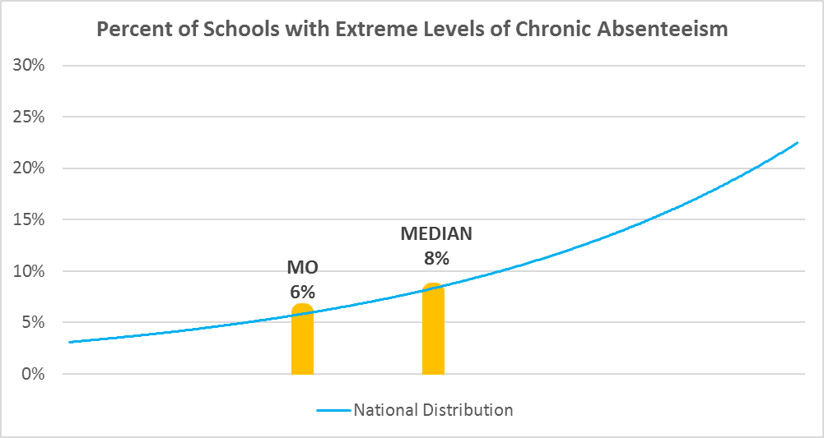

Chronic Absence Levels for Missouri Schools Vary by Grades Served

Chronic Absence Concentration and Grade Level | Elementary | Middle | High | Other | Total
Extreme Chronic Absence (30%+) | 45 | 13 | 34 | 40 | 132
High Chronic Absence (20-29.9%) | 65 | 16 | 50 | 10 | 141
Significant Chronic Absence (10-19.9%) | 248 | 149 | 190 | 10 | 597
Modest Chronic Absence (5-9.9%) | 458 | 113 | 108 | 10 | 689
Low Chronic Absence (0-4.9%) | 342 | 80 | 137 | 71 | 630
Grand Total (n) | 1158 | 371 | 519 | 141 | 2189
 | Elementary | Middle | High | Other
Extreme Chronic Absence (30%+) | 4% | 4% | 7% | 28%
High Chronic Absence (20-29.9%) | 6% | 4% | 10% | 7%
Significant Chronic Absence (10-19.9%) | 21% | 40% | 37% | 7%
Modest Chronic Absence (5-9.9%) | 40% | 30% | 21% | 7%
Low Chronic Absence (0-4.9%) | 30% | 22% | 26% | 50%

Chronic Absence Levels for Missouri Schools Vary by School Type
Chronic Absence Concentration and School Type | Regular | Special Ed. | Vocational | Alternative | Total
Extreme Chronic Absence (30%+) | 86 | 34 | 2 | 10 | 132
High Chronic Absence (20-29.9%) | 131 | 6 | 1 | 3 | 141
Significant Chronic Absence (10-19.9%) | 590 | 3 | 3 | 1 | 597
Modest Chronic Absence (5-9.9%) | 683 | 3 | 3 | 0 | 689
Low Chronic Absence (0-4.9%) | 552 | 5 | 22 | 51 | 630
Grand Total (n) | 2042 | 51 | 31 | 65 | 2189
 | Regular | Special Ed. | Vocational | Alternative
Extreme Chronic Absence (30%+) | 4% | 67% | 6% | 15%
High Chronic Absence (20-29.9%) | 6% | 12% | 3% | 5%
Significant Chronic Absence (10-19.9%) | 29% | 6% | 10% | 2%
Modest Chronic Absence (5-9.9%) | 33% | 6% | 10% | 0%
Low Chronic Absence (0-4.9%) | 27% | 10% | 71% | 78%

Missouri Schools Serving More Students in Poverty Have Higher Chronic Absence Levels
Chronic Absence Concentration and Poverty Level | >=75% | 50-74% | 25-49% | 0-24% | Total
Extreme Chronic Absence (30%+) | 48 | 45 | 14 | 9 | 116
High Chronic Absence (20-29.9%) | 40 | 51 | 36 | 10 | 137
Significant Chronic Absence (10-19.9%) | 101 | 262 | 186 | 41 | 590
Modest Chronic Absence (5-9.9%) | 62 | 314 | 209 | 96 | 681
Low Chronic Absence (0-4.9%) | 86 | 263 | 175 | 71 | 595
Grand Total (n) | 337 | 935 | 620 | 227 | 2119
 | >=75% | 50-74% | 25-49% | 0-24%
Extreme Chronic Absence (30%+) | 14% | 5% | 2% | 4%
High Chronic Absence (20-29.9%) | 12% | 5% | 6% | 4%
Significant Chronic Absence (10-19.9%) | 30% | 28% | 30% | 18%
Modest Chronic Absence (5-9.9%) | 18% | 34% | 34% | 42%
Low Chronic Absence (0-4.9%) | 26% | 28% | 28% | 31%

Distribution of Chronic Absence Levels for Missouri Schools Across Different Locales
Chronic Absence Concentration and Locale | City | Suburb | Town | Rural | Total
Extreme Chronic Absence (30%+) | 55 | 39 | 19 | 19 | 132
High Chronic Absence (20-29.9%) | 56 | 36 | 18 | 31 | 141
Significant Chronic Absence (10-19.9%) | 88 | 158 | 140 | 211 | 597
Modest Chronic Absence (5-9.9%) | 73 | 197 | 145 | 274 | 689
Low Chronic Absence (0-4.9%) | 44 | 92 | 91 | 403 | 630
Grand Total (n) | 316 | 522 | 413 | 938 | 2189
 | City | Suburb | Town | Rural
Extreme Chronic Absence (30%+) | 17% | 7% | 5% | 2%
High Chronic Absence (20-29.9%) | 18% | 7% | 4% | 3%
Significant Chronic Absence (10-19.9%) | 28% | 30% | 34% | 22%
Modest Chronic Absence (5-9.9%) | 23% | 38% | 35% | 29%
Low Chronic Absence (0-4.9%) | 14% | 18% | 22% | 43%

