MN
Distribution of Chronic Absence Levels Across Schools in Minnesota
Minnesota

Chronic Absence Level Concentrations in Minnesota Schools | Number of Schools | Percent
Extreme Chronic Absence (30%+) | 259 | 13%
High Chronic Absence (20-29.9%) | 144 | 7%
Significant Chronic Absence (10-19.9%) | 497 | 26%
Modest Chronic Absence (5-9.9%) | 445 | 23%
Low Chronic Absence (0-4.9%) | 591 | 31%
Grand Total (n) | 1,936

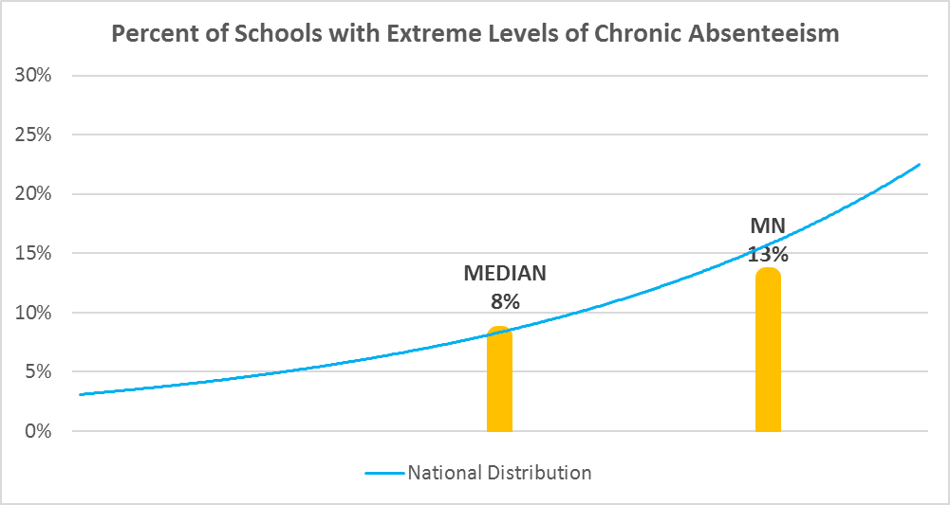

Chronic Absence Levels for Minnesota Schools Vary by Grades Served

Chronic Absence Concentration and Grade Level | Elementary | Middle | High | Other | Total
Extreme Chronic Absence (30%+) | 28 | 14 | 148 | 69 | 259
High Chronic Absence (20-29.9%) | 44 | 20 | 63 | 17 | 144
Significant Chronic Absence (10-19.9%) | 244 | 79 | 145 | 29 | 497
Modest Chronic Absence (5-9.9%) | 298 | 77 | 57 | 13 | 445
Low Chronic Absence (0-4.9%) | 287 | 67 | 163 | 74 | 591
Grand Total (n) | 901 | 257 | 576 | 202 | 1936
 | Elementary | Middle | High | Other
Extreme Chronic Absence (30%+) | 3% | 5% | 26% | 34%
High Chronic Absence (20-29.9%) | 5% | 8% | 11% | 8%
Significant Chronic Absence (10-19.9%) | 27% | 31% | 25% | 14%
Modest Chronic Absence (5-9.9%) | 33% | 30% | 10% | 6%
Low Chronic Absence (0-4.9%) | 32% | 26% | 28% | 37%

Chronic Absence Levels for Minnesota Schools Vary by School Type
Chronic Absence Concentration and School Type | Regular | Special Ed. | Vocational | Alternative | Total
Extreme Chronic Absence (30%+) | 111 | 59 | 0 | 89 | 259
High Chronic Absence (20-29.9%) | 117 | 15 | 0 | 12 | 144
Significant Chronic Absence (10-19.9%) | 467 | 18 | 0 | 12 | 497
Modest Chronic Absence (5-9.9%) | 437 | 3 | 0 | 5 | 445
Low Chronic Absence (0-4.9%) | 443 | 32 | 1 | 115 | 591
Grand Total (n) | 1575 | 127 | 1 | 233 | 1936
 | Regular | Special Ed. | Vocational | Alternative
Extreme Chronic Absence (30%+) | 7% | 46% | 0% | 38%
High Chronic Absence (20-29.9%) | 7% | 12% | 0% | 5%
Significant Chronic Absence (10-19.9%) | 30% | 14% | 0% | 5%
Modest Chronic Absence (5-9.9%) | 28% | 2% | 0% | 2%
Low Chronic Absence (0-4.9%) | 28% | 25% | 100% | 49%

Minnesota Schools Serving More Students in Poverty Have Higher Chronic Absence Levels
Chronic Absence Concentration and Poverty Level | >=75% | 50-74% | 25-49% | 0-24% | Total
Extreme Chronic Absence (30%+) | 91 | 88 | 58 | 21 | 258
High Chronic Absence (20-29.9%) | 32 | 39 | 56 | 17 | 144
Significant Chronic Absence (10-19.9%) | 64 | 116 | 226 | 87 | 493
Modest Chronic Absence (5-9.9%) | 20 | 72 | 223 | 130 | 445
Low Chronic Absence (0-4.9%) | 49 | 103 | 256 | 168 | 576
Grand Total (n) | 256 | 418 | 819 | 423 | 1916
 | >=75% | 50-74% | 25-49% | 0-24%
Extreme Chronic Absence (30%+) | 36% | 21% | 7% | 5%
High Chronic Absence (20-29.9%) | 13% | 9% | 7% | 4%
Significant Chronic Absence (10-19.9%) | 25% | 28% | 28% | 21%
Modest Chronic Absence (5-9.9%) | 8% | 17% | 27% | 31%
Low Chronic Absence (0-4.9%) | 19% | 25% | 31% | 40%

Distribution of Chronic Absence Levels for Minnesota Schools Across Different Locales
Chronic Absence Concentration and Locale | City | Suburb | Town | Rural | Total
Extreme Chronic Absence (30%+) | 85 | 62 | 43 | 69 | 259
High Chronic Absence (20-29.9%) | 36 | 31 | 30 | 47 | 144
Significant Chronic Absence (10-19.9%) | 112 | 103 | 120 | 162 | 497
Modest Chronic Absence (5-9.9%) | 71 | 151 | 104 | 119 | 445
Low Chronic Absence (0-4.9%) | 75 | 154 | 119 | 243 | 591
Grand Total (n) | 379 | 501 | 416 | 640 | 1936
 | City | Suburb | Town | Rural
Extreme Chronic Absence (30%+) | 22% | 12% | 10% | 11%
High Chronic Absence (20-29.9%) | 9% | 6% | 7% | 7%
Significant Chronic Absence (10-19.9%) | 30% | 21% | 29% | 25%
Modest Chronic Absence (5-9.9%) | 19% | 30% | 25% | 19%
Low Chronic Absence (0-4.9%) | 20% | 31% | 29% | 38%

