MI
Distribution of Chronic Absence Levels Across Schools in Michigan
Michigan

Chronic Absence Level Concentrations in Michigan Schools | Number of Schools | Percent
Extreme Chronic Absence (30%+) | 660 | 19%
High Chronic Absence (20-29.9%) | 413 | 12%
Significant Chronic Absence (10-19.9%) | 1,015 | 30%
Modest Chronic Absence (5-9.9%) | 632 | 18%
Low Chronic Absence (0-4.9%) | 719 | 21%
Grand Total (n) | 3,439

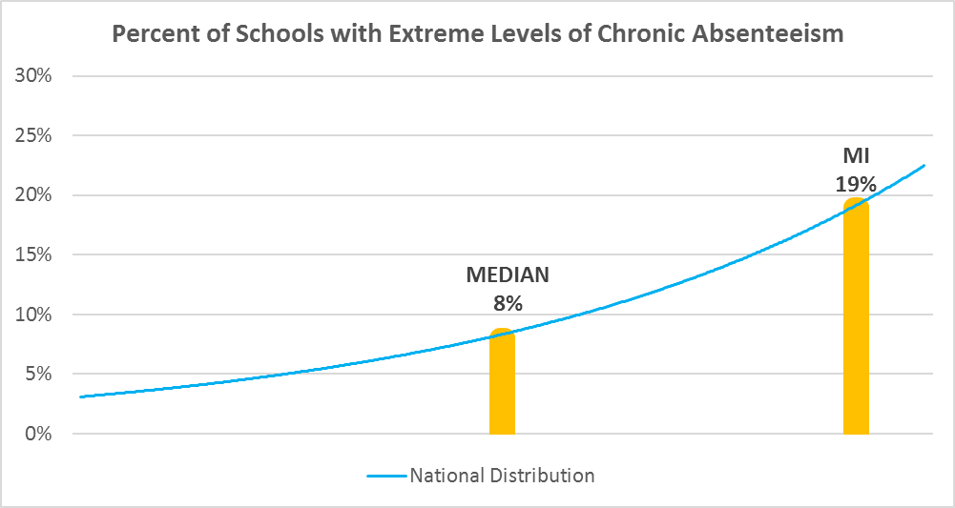

Chronic Absence Levels for Michigan Schools Vary by Grades Served

Chronic Absence Concentration and Grade Level | Elementary | Middle | High | Other | Total
Extreme Chronic Absence (30%+) | 249 | 53 | 248 | 110 | 660
High Chronic Absence (20-29.9%) | 210 | 82 | 84 | 37 | 413
Significant Chronic Absence (10-19.9%) | 555 | 202 | 195 | 63 | 1015
Modest Chronic Absence (5-9.9%) | 373 | 123 | 98 | 38 | 632
Low Chronic Absence (0-4.9%) | 304 | 99 | 196 | 120 | 719
Grand Total (n) | 1691 | 559 | 821 | 368 | 3439
 | Elementary | Middle | High | Other
Extreme Chronic Absence (30%+) | 15% | 9% | 30% | 30%
High Chronic Absence (20-29.9%) | 12% | 15% | 10% | 10%
Significant Chronic Absence (10-19.9%) | 33% | 36% | 24% | 17%
Modest Chronic Absence (5-9.9%) | 22% | 22% | 12% | 10%
Low Chronic Absence (0-4.9%) | 18% | 18% | 24% | 33%

Chronic Absence Levels for Michigan Schools Vary by School Type
Chronic Absence Concentration and School Type | Regular | Special Ed. | Vocational | Alternative | Total
Extreme Chronic Absence (30%+) | 432 | 71 | 0 | 157 | 660
High Chronic Absence (20-29.9%) | 384 | 15 | 0 | 14 | 413
Significant Chronic Absence (10-19.9%) | 969 | 23 | 2 | 21 | 1015
Modest Chronic Absence (5-9.9%) | 612 | 13 | 0 | 7 | 632
Low Chronic Absence (0-4.9%) | 582 | 44 | 1 | 92 | 719
Grand Total (n) | 2979 | 166 | 3 | 291 | 3439
 | Regular | Special Ed. | Vocational | Alternative
Extreme Chronic Absence (30%+) | 15% | 43% | 0% | 54%
High Chronic Absence (20-29.9%) | 13% | 9% | 0% | 5%
Significant Chronic Absence (10-19.9%) | 33% | 14% | 67% | 7%
Modest Chronic Absence (5-9.9%) | 21% | 8% | 0% | 2%
Low Chronic Absence (0-4.9%) | 20% | 27% | 33% | 32%

Michigan Schools Serving More Students in Poverty Have Higher Chronic Absence Levels
Chronic Absence Concentration and Poverty Level | >=75% | 50-74% | 25-49% | 0-24% | Total
Extreme Chronic Absence (30%+) | 311 | 246 | 80 | 22 | 659
High Chronic Absence (20-29.9%) | 124 | 179 | 84 | 25 | 412
Significant Chronic Absence (10-19.9%) | 125 | 391 | 376 | 120 | 1012
Modest Chronic Absence (5-9.9%) | 58 | 135 | 235 | 203 | 631
Low Chronic Absence (0-4.9%) | 104 | 221 | 236 | 155 | 716
Grand Total (n) | 722 | 1172 | 1011 | 525 | 3430
 | >=75% | 50-74% | 25-49% | 0-24%
Extreme Chronic Absence (30%+) | 43% | 21% | 8% | 4%
High Chronic Absence (20-29.9%) | 17% | 15% | 8% | 5%
Significant Chronic Absence (10-19.9%) | 17% | 33% | 37% | 23%
Modest Chronic Absence (5-9.9%) | 8% | 12% | 23% | 39%
Low Chronic Absence (0-4.9%) | 14% | 19% | 23% | 30%

Distribution of Chronic Absence Levels for Michigan Schools Across Different Locales
Chronic Absence Concentration and Locale | City | Suburb | Town | Rural | Total
Extreme Chronic Absence (30%+) | 273 | 182 | 70 | 135 | 660
High Chronic Absence (20-29.9%) | 86 | 150 | 72 | 105 | 413
Significant Chronic Absence (10-19.9%) | 162 | 377 | 167 | 309 | 1015
Modest Chronic Absence (5-9.9%) | 117 | 279 | 68 | 168 | 632
Low Chronic Absence (0-4.9%) | 116 | 252 | 88 | 263 | 719
Grand Total (n) | 754 | 1240 | 465 | 980 | 3439
 | City | Suburb | Town | Rural
Extreme Chronic Absence (30%+) | 36% | 15% | 15% | 14%
High Chronic Absence (20-29.9%) | 11% | 12% | 15% | 11%
Significant Chronic Absence (10-19.9%) | 21% | 30% | 36% | 32%
Modest Chronic Absence (5-9.9%) | 16% | 23% | 15% | 17%
Low Chronic Absence (0-4.9%) | 15% | 20% | 19% | 27%

