ME
Distribution of Chronic Absence Levels Across Schools in Maine
Maine

Chronic Absence Level Concentrations in Maine Schools | Number of Schools | Percent
Extreme Chronic Absence (30%+) | 34 | 6%
High Chronic Absence (20-29.9%) | 76 | 13%
Significant Chronic Absence (10-19.9%) | 213 | 38%
Modest Chronic Absence (5-9.9%) | 88 | 16%
Low Chronic Absence (0-4.9%) | 152 | 27%
Grand Total (n) | 563

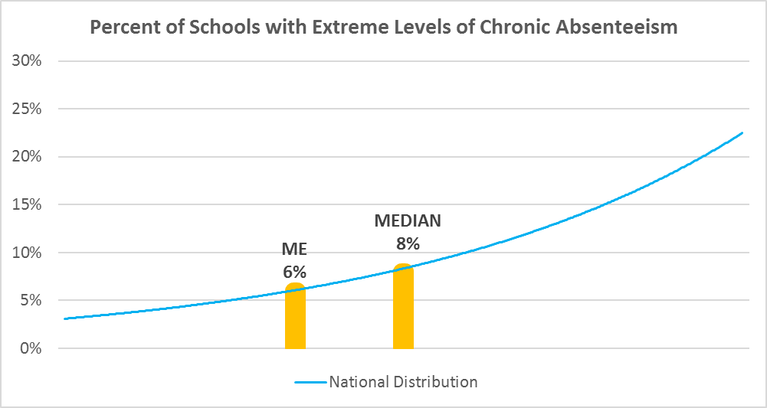

Chronic Absence Levels for Maine Schools Vary by Grades Served

Chronic Absence Concentration and Grade Level | Elementary | Middle | High | Other | Total
Extreme Chronic Absence (30%+) | 12 | 3 | 18 | 1 | 34
High Chronic Absence (20-29.9%) | 24 | 23 | 28 | 1 | 76
Significant Chronic Absence (10-19.9%) | 140 | 45 | 24 | 4 | 213
Modest Chronic Absence (5-9.9%) | 57 | 13 | 15 | 3 | 88
Low Chronic Absence (0-4.9%) | 106 | 17 | 25 | 4 | 152
Grand Total (n) | 339 | 101 | 110 | 13 | 563
 | Elementary | Middle | High | Other
Extreme Chronic Absence (30%+) | 4% | 3% | 16% | 8%
High Chronic Absence (20-29.9%) | 7% | 23% | 25% | 8%
Significant Chronic Absence (10-19.9%) | 41% | 45% | 22% | 31%
Modest Chronic Absence (5-9.9%) | 17% | 13% | 14% | 23%
Low Chronic Absence (0-4.9%) | 31% | 17% | 23% | 31%

Chronic Absence Levels for Maine Schools Vary by School Type
Chronic Absence Concentration and School Type | Regular | Special Ed. | Vocational | Alternative | Total
Extreme Chronic Absence (30%+) | 33 | 0 | 1 | 0 | 34
High Chronic Absence (20-29.9%) | 76 | 0 | 0 | 0 | 76
Significant Chronic Absence (10-19.9%) | 211 | 1 | 1 | 0 | 213
Modest Chronic Absence (5-9.9%) | 87 | 0 | 1 | 0 | 88
Low Chronic Absence (0-4.9%) | 150 | 0 | 2 | 0 | 152
Grand Total (n) | 557 | 1 | 5 | 0 | 563
 | Regular | Special Ed. | Vocational | Alternative
Extreme Chronic Absence (30%+) | 6% | 0% | 20% | #DIV/0!
High Chronic Absence (20-29.9%) | 14% | 0% | 0% | #DIV/0!
Significant Chronic Absence (10-19.9%) | 38% | 100% | 20% | #DIV/0!
Modest Chronic Absence (5-9.9%) | 16% | 0% | 20% | #DIV/0!
Low Chronic Absence (0-4.9%) | 27% | 0% | 40% | #DIV/0!

Maine Schools Serving More Students in Poverty Have Higher Chronic Absence Levels
Chronic Absence Concentration and Poverty Level | >=75% | 50-74% | 25-49% | 0-24% | Total
Extreme Chronic Absence (30%+) | 2 | 25 | 5 | 1 | 33
High Chronic Absence (20-29.9%) | 3 | 49 | 23 | 0 | 75
Significant Chronic Absence (10-19.9%) | 20 | 101 | 68 | 23 | 212
Modest Chronic Absence (5-9.9%) | 6 | 20 | 42 | 19 | 87
Low Chronic Absence (0-4.9%) | 18 | 58 | 50 | 23 | 149
Grand Total (n) | 49 | 253 | 188 | 66 | 556
 | >=75% | 50-74% | 25-49% | 0-24%
Extreme Chronic Absence (30%+) | 4% | 10% | 3% | 2%
High Chronic Absence (20-29.9%) | 6% | 19% | 12% | 0%
Significant Chronic Absence (10-19.9%) | 41% | 40% | 36% | 35%
Modest Chronic Absence (5-9.9%) | 12% | 8% | 22% | 29%
Low Chronic Absence (0-4.9%) | 37% | 23% | 27% | 35%

Distribution of Chronic Absence Levels for Maine Schools Across Different Locales
Chronic Absence Concentration and Locale | City | Suburb | Town | Rural | Total
Extreme Chronic Absence (30%+) | 2 | 1 | 7 | 24 | 34
High Chronic Absence (20-29.9%) | 8 | 5 | 15 | 48 | 76
Significant Chronic Absence (10-19.9%) | 26 | 19 | 31 | 137 | 213
Modest Chronic Absence (5-9.9%) | 7 | 18 | 8 | 55 | 88
Low Chronic Absence (0-4.9%) | 3 | 13 | 14 | 122 | 152
Grand Total (n) | 46 | 56 | 75 | 386 | 563
 | City | Suburb | Town | Rural
Extreme Chronic Absence (30%+) | 4% | 2% | 9% | 6%
High Chronic Absence (20-29.9%) | 17% | 9% | 20% | 12%
Significant Chronic Absence (10-19.9%) | 57% | 34% | 41% | 35%
Modest Chronic Absence (5-9.9%) | 15% | 32% | 11% | 14%
Low Chronic Absence (0-4.9%) | 7% | 23% | 19% | 32%

