GA
Distribution of Chronic Absence Levels Across Schools in Georgia
Georgia

Chronic Absence Level Concentrations in Georgia Schools | Number of Schools | Percent
Extreme Chronic Absence (30%+) | 77 | 3%
High Chronic Absence (20-29.9%) | 122 | 5%
Significant Chronic Absence (10-19.9%) | 725 | 32%
Modest Chronic Absence (5-9.9%) | 886 | 39%
Low Chronic Absence (0-4.9%) | 470 | 21%
Grand Total (n) | 2,280

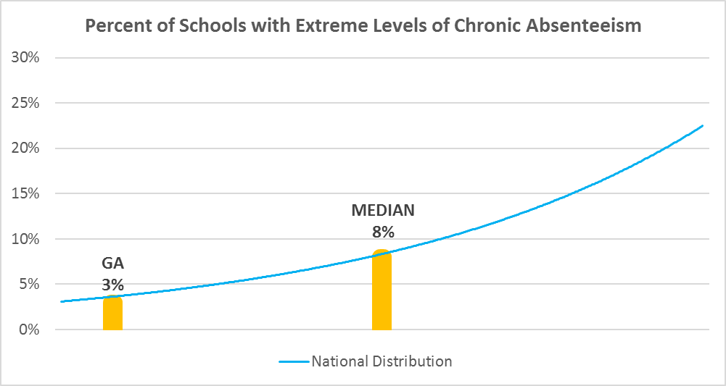

Chronic Absence Levels for Georgia Schools Vary by Grades Served

Chronic Absence Concentration and Grade Level | Elementary | Middle | High | Other | Total
Extreme Chronic Absence (30%+) | 4 | 13 | 51 | 9 | 77
High Chronic Absence (20-29.9%) | 21 | 18 | 77 | 6 | 122
Significant Chronic Absence (10-19.9%) | 312 | 213 | 186 | 14 | 725
Modest Chronic Absence (5-9.9%) | 635 | 183 | 54 | 14 | 886
Low Chronic Absence (0-4.9%) | 321 | 65 | 37 | 47 | 470
Grand Total (n) | 1293 | 492 | 405 | 90 | 2280
 | Elementary | Middle | High | Other
Extreme Chronic Absence (30%+) | 0% | 3% | 13% | 10%
High Chronic Absence (20-29.9%) | 2% | 4% | 19% | 7%
Significant Chronic Absence (10-19.9%) | 24% | 43% | 46% | 16%
Modest Chronic Absence (5-9.9%) | 49% | 37% | 13% | 16%
Low Chronic Absence (0-4.9%) | 25% | 13% | 9% | 52%

Chronic Absence Levels for Georgia Schools Vary by School Type
Chronic Absence Concentration and School Type | Regular | Special Ed. | Vocational | Alternative | Total
Extreme Chronic Absence (30%+) | 70 | 1 | 0 | 6 | 77
High Chronic Absence (20-29.9%) | 121 | 0 | 0 | 1 | 122
Significant Chronic Absence (10-19.9%) | 720 | 2 | 0 | 3 | 725
Modest Chronic Absence (5-9.9%) | 883 | 3 | 0 | 0 | 886
Low Chronic Absence (0-4.9%) | 432 | 16 | 0 | 22 | 470
Grand Total (n) | 2226 | 22 | 0 | 32 | 2280
 | Regular | Special Ed. | Vocational | Alternative
Extreme Chronic Absence (30%+) | 3% | 5% | #DIV/0! | 19%
High Chronic Absence (20-29.9%) | 5% | 0% | #DIV/0! | 3%
Significant Chronic Absence (10-19.9%) | 32% | 9% | #DIV/0! | 9%
Modest Chronic Absence (5-9.9%) | 40% | 14% | #DIV/0! | 0%
Low Chronic Absence (0-4.9%) | 19% | 73% | #DIV/0! | 69%

Georgia Schools Serving More Students in Poverty Have Higher Chronic Absence Levels
Chronic Absence Concentration and Poverty Level | >=75% | 50-74% | 25-49% | 0-24% | Total
Extreme Chronic Absence (30%+) | 62 | 11 | 4 | 0 | 77
High Chronic Absence (20-29.9%) | 68 | 46 | 8 | 0 | 122
Significant Chronic Absence (10-19.9%) | 351 | 261 | 95 | 18 | 725
Modest Chronic Absence (5-9.9%) | 331 | 285 | 191 | 79 | 886
Low Chronic Absence (0-4.9%) | 160 | 91 | 83 | 113 | 447
Grand Total (n) | 972 | 694 | 381 | 210 | 2257
 | >=75% | 50-74% | 25-49% | 0-24%
Extreme Chronic Absence (30%+) | 6% | 2% | 1% | 0%
High Chronic Absence (20-29.9%) | 7% | 7% | 2% | 0%
Significant Chronic Absence (10-19.9%) | 36% | 38% | 25% | 9%
Modest Chronic Absence (5-9.9%) | 34% | 41% | 50% | 38%
Low Chronic Absence (0-4.9%) | 16% | 13% | 22% | 54%

Distribution of Chronic Absence Levels for Georgia Schools Across Different Locales
Chronic Absence Concentration and Locale | City | Suburb | Town | Rural | Total
Extreme Chronic Absence (30%+) | 53 | 15 | 6 | 3 | 77
High Chronic Absence (20-29.9%) | 35 | 23 | 24 | 40 | 122
Significant Chronic Absence (10-19.9%) | 126 | 196 | 123 | 280 | 725
Modest Chronic Absence (5-9.9%) | 125 | 368 | 103 | 290 | 886
Low Chronic Absence (0-4.9%) | 79 | 266 | 39 | 86 | 470
Grand Total (n) | 418 | 868 | 295 | 699 | 2280
 | City | Suburb | Town | Rural
Extreme Chronic Absence (30%+) | 13% | 2% | 2% | 0%
High Chronic Absence (20-29.9%) | 8% | 3% | 8% | 6%
Significant Chronic Absence (10-19.9%) | 30% | 23% | 42% | 40%
Modest Chronic Absence (5-9.9%) | 30% | 42% | 35% | 41%
Low Chronic Absence (0-4.9%) | 19% | 31% | 13% | 12%

