CT
Distribution of Chronic Absence Levels Across Schools in Connecticut
Connecticut

Chronic Absence Level Concentrations in Connecticut Schools | Number of Schools | Percent
Extreme Chronic Absence (30%+) | 106 | 10%
High Chronic Absence (20-29.9%) | 122 | 11%
Significant Chronic Absence (10-19.9%) | 369 | 34%
Modest Chronic Absence (5-9.9%) | 318 | 29%
Low Chronic Absence (0-4.9%) | 169 | 16%
Grand Total (n) | 1,084

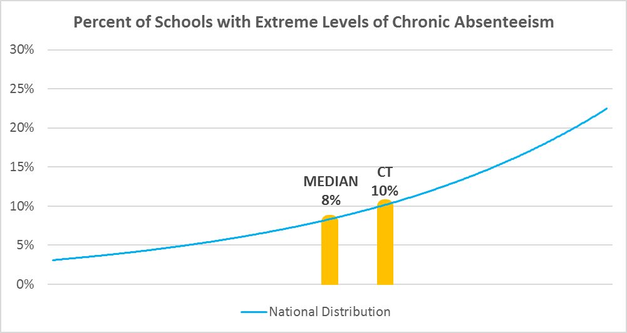

Chronic Absence Levels for Connecticut Schools Vary by Grades Served

Chronic Absence Concentration and Grade Level | Elementary | Middle | High | Other | Total
Extreme Chronic Absence (30%+) | 27 | 6 | 62 | 11 | 106
High Chronic Absence (20-29.9%) | 61 | 20 | 36 | 5 | 122
Significant Chronic Absence (10-19.9%) | 208 | 81 | 62 | 18 | 369
Modest Chronic Absence (5-9.9%) | 223 | 62 | 29 | 4 | 318
Low Chronic Absence (0-4.9%) | 97 | 21 | 39 | 12 | 169
Grand Total (n) | 616 | 190 | 228 | 50 | 1084
 | Elementary | Middle | High | Other
Extreme Chronic Absence (30%+) | 4% | 3% | 27% | 22%
High Chronic Absence (20-29.9%) | 10% | 11% | 16% | 10%
Significant Chronic Absence (10-19.9%) | 34% | 43% | 27% | 36%
Modest Chronic Absence (5-9.9%) | 36% | 33% | 13% | 8%
Low Chronic Absence (0-4.9%) | 16% | 11% | 17% | 24%

Chronic Absence Levels for Connecticut Schools Vary by School Type
Chronic Absence Concentration and School Type | Regular | Special Ed. | Vocational | Alternative | Total
Extreme Chronic Absence (30%+) | 75 | 14 | 3 | 14 | 106
High Chronic Absence (20-29.9%) | 107 | 5 | 6 | 4 | 122
Significant Chronic Absence (10-19.9%) | 356 | 6 | 7 | 0 | 369
Modest Chronic Absence (5-9.9%) | 315 | 2 | 0 | 1 | 318
Low Chronic Absence (0-4.9%) | 146 | 10 | 0 | 13 | 169
Grand Total (n) | 999 | 37 | 16 | 32 | 1084
 | Regular | Special Ed. | Vocational | Alternative
Extreme Chronic Absence (30%+) | 8% | 38% | 19% | 44%
High Chronic Absence (20-29.9%) | 11% | 14% | 38% | 13%
Significant Chronic Absence (10-19.9%) | 36% | 16% | 44% | 0%
Modest Chronic Absence (5-9.9%) | 32% | 5% | 0% | 3%
Low Chronic Absence (0-4.9%) | 15% | 27% | 0% | 41%

Connecticut Schools Serving More Students in Poverty Have Higher Chronic Absence Levels
Chronic Absence Concentration and Poverty Level | >=75% | 50-74% | 25-49% | 0-24% | Total
Extreme Chronic Absence (30%+) | 45 | 31 | 16 | 14 | 106
High Chronic Absence (20-29.9%) | 41 | 32 | 32 | 17 | 122
Significant Chronic Absence (10-19.9%) | 48 | 80 | 119 | 122 | 369
Modest Chronic Absence (5-9.9%) | 9 | 22 | 65 | 222 | 318
Low Chronic Absence (0-4.9%) | 17 | 17 | 20 | 115 | 169
Grand Total (n) | 160 | 182 | 252 | 490 | 1084
 | >=75% | 50-74% | 25-49% | 0-24%
Extreme Chronic Absence (30%+) | 28% | 17% | 6% | 3%
High Chronic Absence (20-29.9%) | 26% | 18% | 13% | 3%
Significant Chronic Absence (10-19.9%) | 30% | 44% | 47% | 25%
Modest Chronic Absence (5-9.9%) | 6% | 12% | 26% | 45%
Low Chronic Absence (0-4.9%) | 11% | 9% | 8% | 23%

Distribution of Chronic Absence Levels for Connecticut Schools Across Different Locales
Chronic Absence Concentration and Locale | City | Suburb | Town | Rural | Total
Extreme Chronic Absence (30%+) | 50 | 47 | 6 | 3 | 106
High Chronic Absence (20-29.9%) | 47 | 63 | 5 | 7 | 122
Significant Chronic Absence (10-19.9%) | 115 | 190 | 20 | 44 | 369
Modest Chronic Absence (5-9.9%) | 60 | 190 | 8 | 60 | 318
Low Chronic Absence (0-4.9%) | 32 | 91 | 4 | 42 | 169
Grand Total (n) | 304 | 581 | 43 | 156 | 1084
 | City | Suburb | Town | Rural
Extreme Chronic Absence (30%+) | 16% | 8% | 14% | 2%
High Chronic Absence (20-29.9%) | 15% | 11% | 12% | 4%
Significant Chronic Absence (10-19.9%) | 38% | 33% | 47% | 28%
Modest Chronic Absence (5-9.9%) | 20% | 33% | 19% | 38%
Low Chronic Absence (0-4.9%) | 11% | 16% | 9% | 27%

