CA
Distribution of Chronic Absence Levels Across Schools in California
California

Chronic Absence Level Concentrations in California Schools | Number of Schools | Percent
Extreme Chronic Absence (30%+) | 852 | 9%
High Chronic Absence (20-29.9%) | 728 | 7%
Significant Chronic Absence (10-19.9%) | 3,365 | 35%
Modest Chronic Absence (5-9.9%) | 2,780 | 29%
Low Chronic Absence (0-4.9%) | 2,012 | 21%
Grand Total (n) | 9,737

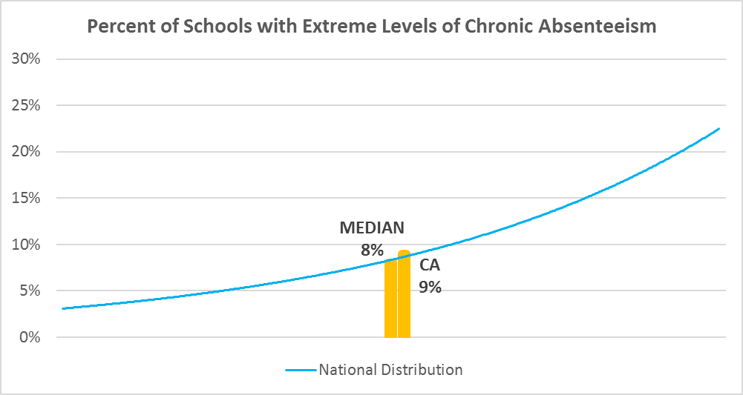

Chronic Absence Levels for Calfironia Schools Vary by Grades Served

Chronic Absence Concentration and Grade Level | Elementary | Middle | High | Other | Total
Extreme Chronic Absence (30%+) | 131 | 44 | 526 | 151 | 852
High Chronic Absence (20-29.9%) | 332 | 105 | 259 | 32 | 728
Significant Chronic Absence (10-19.9%) | 2183 | 517 | 592 | 73 | 3365
Modest Chronic Absence (5-9.9%) | 1968 | 498 | 265 | 49 | 2780
Low Chronic Absence (0-4.9%) | 1177 | 232 | 391 | 212 | 2012
Grand Total (n) | 5791 | 1396 | 2033 | 517 | 9737
 | Elementary | Middle | High | Other
Extreme Chronic Absence (30%+) | 2% | 3% | 26% | 29%
High Chronic Absence (20-29.9%) | 6% | 8% | 13% | 6%
Significant Chronic Absence (10-19.9%) | 38% | 37% | 29% | 14%
Modest Chronic Absence (5-9.9%) | 34% | 36% | 13% | 9%
Low Chronic Absence (0-4.9%) | 20% | 17% | 19% | 41%

Chronic Absence Levels for California Schools Vary by School Type
Chronic Absence Concentration and School Type | Regular | Special Ed. | Vocational | Alternative | Total
Extreme Chronic Absence (30%+) | 244 | 80 | 0 | 528 | 852
High Chronic Absence (20-29.9%) | 634 | 11 | 1 | 82 | 728
Significant Chronic Absence (10-19.9%) | 3283 | 8 | 0 | 74 | 3365
Modest Chronic Absence (5-9.9%) | 2714 | 4 | 0 | 62 | 2780
Low Chronic Absence (0-4.9%) | 1634 | 17 | 3 | 358 | 2012
Grand Total (n) | 8509 | 120 | 4 | 1104 | 9737
 | Regular | Special Ed. | Vocational | Alternative
Extreme Chronic Absence (30%+) | 3% | 67% | 0% | 48%
High Chronic Absence (20-29.9%) | 7% | 9% | 25% | 7%
Significant Chronic Absence (10-19.9%) | 39% | 7% | 0% | 7%
Modest Chronic Absence (5-9.9%) | 32% | 3% | 0% | 6%
Low Chronic Absence (0-4.9%) | 19% | 14% | 75% | 32%

California Schools Serving More Students in Poverty Have Higher Chronic Absence Levels
Chronic Absence Concentration and Poverty Level | >=75% | 50-74% | 25-49% | 0-24% | Total
Extreme Chronic Absence (30%+) | 332 | 307 | 120 | 91 | 850
High Chronic Absence (20-29.9%) | 399 | 231 | 58 | 35 | 723
Significant Chronic Absence (10-19.9%) | 1622 | 936 | 572 | 230 | 3360
Modest Chronic Absence (5-9.9%) | 976 | 563 | 627 | 611 | 2777
Low Chronic Absence (0-4.9%) | 524 | 448 | 380 | 648 | 2000
Grand Total (n) | 3853 | 2485 | 1757 | 1615 | 9710
 | >=75% | 50-74% | 25-49% | 0-24%
Extreme Chronic Absence (30%+) | 9% | 12% | 7% | 6%
High Chronic Absence (20-29.9%) | 10% | 9% | 3% | 2%
Significant Chronic Absence (10-19.9%) | 42% | 38% | 33% | 14%
Modest Chronic Absence (5-9.9%) | 25% | 23% | 36% | 38%
Low Chronic Absence (0-4.9%) | 14% | 18% | 22% | 40%

Distribution of Chronic Absence Levels for California Schools Across Different Locales
Chronic Absence Concentration and Locale | City | Suburb | Town | Rural | Total
Extreme Chronic Absence (30%+) | 267 | 281 | 132 | 172 | 852
High Chronic Absence (20-29.9%) | 278 | 215 | 96 | 139 | 728
Significant Chronic Absence (10-19.9%) | 1486 | 1296 | 263 | 320 | 3365
Modest Chronic Absence (5-9.9%) | 1100 | 1318 | 157 | 205 | 2780
Low Chronic Absence (0-4.9%) | 723 | 812 | 178 | 299 | 2012
Grand Total (n) | 3854 | 3922 | 826 | 1135 | 9737
 | City | Suburb | Town | Rural
Extreme Chronic Absence (30%+) | 7% | 7% | 16% | 15%
High Chronic Absence (20-29.9%) | 7% | 5% | 12% | 12%
Significant Chronic Absence (10-19.9%) | 39% | 33% | 32% | 28%
Modest Chronic Absence (5-9.9%) | 29% | 34% | 19% | 18%
Low Chronic Absence (0-4.9%) | 19% | 21% | 22% | 26%

