AR
Distribution of Chronic Absence Levels Across Schools in Arkansas
Arkansas

Chronic Absence Level Concentrations in Arkansas Schools | Number of Schools | Percent
Extreme Chronic Absence (30%+) | 55 | 5%
High Chronic Absence (20-29.9%) | 109 | 11%
Significant Chronic Absence (10-19.9%) | 313 | 30%
Modest Chronic Absence (5-9.9%) | 193 | 19%
Low Chronic Absence (0-4.9%) | 367 | 35%
Grand Total (n) | 1,037

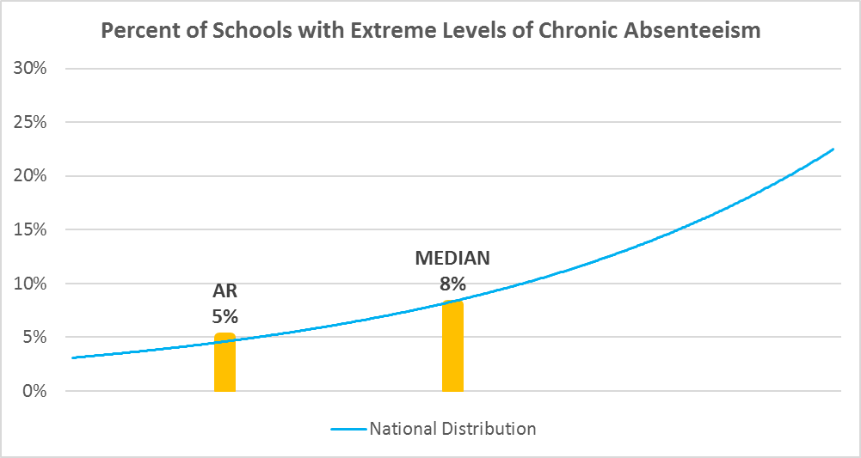

Chronic Absence Levels for Arkansas Schools Vary by Grades Served

Chronic Absence Concentration and Grade Level | Elementary | Middle | High | Other | Total
Extreme Chronic Absence (30%+) | 14 | 11 | 26 | 4 | 55
High Chronic Absence (20-29.9%) | 54 | 24 | 28 | 3 | 109
Significant Chronic Absence (10-19.9%) | 178 | 60 | 66 | 9 | 313
Modest Chronic Absence (5-9.9%) | 100 | 42 | 45 | 6 | 193
Low Chronic Absence (0-4.9%) | 179 | 76 | 97 | 15 | 367
Grand Total (n) | 525 | 213 | 262 | 37 | 1037
 | Elementary | Middle | High | Other
Extreme Chronic Absence (30%+) | 3% | 5% | 10% | 11%
High Chronic Absence (20-29.9%) | 10% | 11% | 11% | 8%
Significant Chronic Absence (10-19.9%) | 34% | 28% | 25% | 24%
Modest Chronic Absence (5-9.9%) | 19% | 20% | 17% | 16%
Low Chronic Absence (0-4.9%) | 34% | 36% | 37% | 41%

Chronic Absence Levels for Arkansas Schools Vary by School Type
Chronic Absence Concentration and School Type | Regular | Special Ed. | Vocational | Alternative | Total
Extreme Chronic Absence (30%+) | 51 | 2 | 0 | 2 | 55
High Chronic Absence (20-29.9%) | 107 | 1 | 0 | 1 | 109
Significant Chronic Absence (10-19.9%) | 313 | 0 | 0 | 0 | 313
Modest Chronic Absence (5-9.9%) | 192 | 1 | 0 | 0 | 193
Low Chronic Absence (0-4.9%) | 362 | 0 | 2 | 3 | 367
Grand Total (n) | 1025 | 4 | 2 | 6 | 1037
 | Regular | Special Ed. | Vocational | Alternative
Extreme Chronic Absence (30%+) | 5% | 50% | 0% | 33%
High Chronic Absence (20-29.9%) | 10% | 25% | 0% | 17%
Significant Chronic Absence (10-19.9%) | 31% | 0% | 0% | 0%
Modest Chronic Absence (5-9.9%) | 19% | 25% | 0% | 0%
Low Chronic Absence (0-4.9%) | 35% | 0% | 100% | 50%

Arkansas Schools Serving More Students in Poverty Have Higher Chronic Absence Levels
Chronic Absence Concentration and Poverty Level | >=75% | 50-74% | 25-49% | 0-24% | Total
Extreme Chronic Absence (30%+) | 15 | 32 | 8 | 0 | 55
High Chronic Absence (20-29.9%) | 47 | 51 | 11 | 0 | 109
Significant Chronic Absence (10-19.9%) | 83 | 147 | 76 | 7 | 313
Modest Chronic Absence (5-9.9%) | 39 | 99 | 48 | 7 | 193
Low Chronic Absence (0-4.9%) | 99 | 198 | 63 | 5 | 365
Grand Total (n) | 283 | 527 | 206 | 19 | 1035
 | >=75% | 50-74% | 25-49% | 0-24%
Extreme Chronic Absence (30%+) | 5% | 6% | 4% | 0%
High Chronic Absence (20-29.9%) | 17% | 10% | 5% | 0%
Significant Chronic Absence (10-19.9%) | 29% | 28% | 37% | 37%
Modest Chronic Absence (5-9.9%) | 14% | 19% | 23% | 37%
Low Chronic Absence (0-4.9%) | 35% | 38% | 31% | 26%

Distribution of Chronic Absence Levels for Arkansas Schools Across Different Locales
Chronic Absence Concentration and Locale | City | Suburb | Town | Rural | Total
Extreme Chronic Absence (30%+) | 13 | 11 | 16 | 15 | 55
High Chronic Absence (20-29.9%) | 24 | 8 | 22 | 55 | 109
Significant Chronic Absence (10-19.9%) | 82 | 38 | 72 | 121 | 313
Modest Chronic Absence (5-9.9%) | 38 | 27 | 44 | 84 | 193
Low Chronic Absence (0-4.9%) | 57 | 33 | 85 | 192 | 367
Grand Total (n) | 214 | 117 | 239 | 467 | 1037
 | City | Suburb | Town | Rural
Extreme Chronic Absence (30%+) | 6% | 9% | 7% | 3%
High Chronic Absence (20-29.9%) | 11% | 7% | 9% | 12%
Significant Chronic Absence (10-19.9%) | 38% | 32% | 30% | 26%
Modest Chronic Absence (5-9.9%) | 18% | 23% | 18% | 18%
Low Chronic Absence (0-4.9%) | 27% | 28% | 36% | 41%

